Puzzle
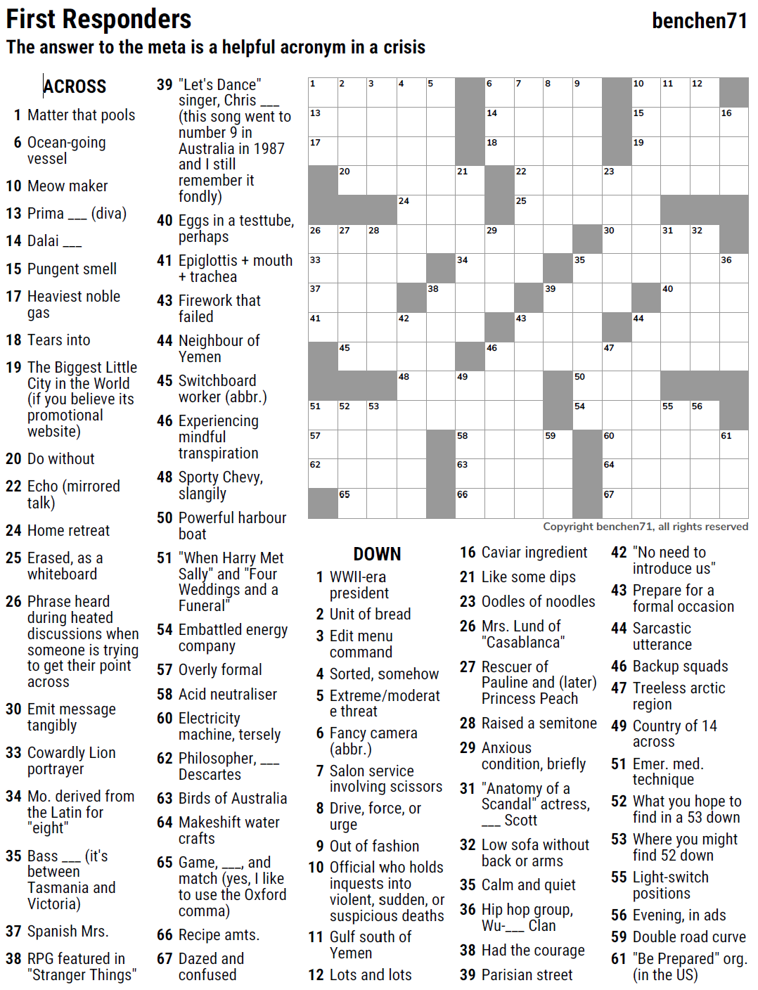
MEOW #105 — Ben Chenoweth — First Responders — 11-30-2022
6
7
16
34
36
45
46
47
53
48
49
58
63
66
59
50
54
60
64
67
55
56
61
1
2
13
3
4
5
8
9
10
11
12
14
15
17
18
19
20
21
22
23
24
25
26
27
28
29
30
31
32
33
35
37
38
39
40
41
42
43
44
51
57
62
52
65

First Responders — a helpful acronym in a crisis

SAVE AS to your drive. Fill-in grid above & 14 grids show below.
PM Joe Ross w/questions & comments on Xword-Muggles.com
 |  |  |  |  |  |  |  |  |  |  |  |  | # | 2

6
7
16
34
36
45
46
47
53
48
49
58
63
66
59
50
54
60
64
67
55
56
61
1
2
13
3
4
5
8
9
10
11
12
14
15
17
18
19
20
21
22
23
24
25
26
27
28
29
30
31
32
33
35
37
38
39
40
41
42
43
44
51
57
62
52
65
0 | 0 | 0 | 0 | 0 | 0 | 0 | 0 | 0 | 0 | 0 | 0 | 0 | 0 | 0
0 | 0 | 0 | 0 | 0 | 0 | 0 | 0 | 0 | 0 | 0 | 0 | 0 | 0 | 0
0 | 0 | 0 | 0 | 0 | 0 | 0 | 0 | 0 | 0 | 0 | 0 | 0 | 0 | 0
0 | 0 | 0 | 0 | 0 | 0 | 0 | 0 | 0 | 0 | 0 | 0 | 0 | 0 | 0
0 | 0 | 0 | 0 | 0 | 0 | 0 | 0 | 0 | 0 | 0 | 0 | 0 | 0 | 0
0 | 0 | 0 | 0 | 0 | 0 | 0 | 0 | 0 | 0 | 0 | 0 | 0 | 0 | 0
0 | 0 | 0 | 0 | 0 | 0 | 0 | 0 | 0 | 0 | 0 | 0 | 0 | 0 | 0
0 | 0 | 0 | 0 | 0 | 0 | 0 | 0 | 0 | 0 | 0 | 0 | 0 | 0 | 0
0 | 0 | 0 | 0 | 0 | 0 | 0 | 0 | 0 | 0 | 0 | 0 | 0 | 0 | 0
0 | 0 | 0 | 0 | 0 | 0 | 0 | 0 | 0 | 0 | 0 | 0 | 0 | 0 | 0
0 | 0 | 0 | 0 | 0 | 0 | 0 | 0 | 0 | 0 | 0 | 0 | 0 | 0 | 0
0 | 0 | 0 | 0 | 0 | 0 | 0 | 0 | 0 | 0 | 0 | 0 | 0 | 0 | 0
0 | 0 | 0 | 0 | 0 | 0 | 0 | 0 | 0 | 0 | 0 | 0 | 0 | 0 | 0
0 | 0 | 0 | 0 | 0 | 0 | 0 | 0 | 0 | 0 | 0 | 0 | 0 | 0 | 0
0 | 0 | 0 | 0 | 0 | 0 | 0 | 0 | 0 | 0 | 0 | 0 | 0 | 0 | 0
First Responders — a helpful acronym in a crisis

1st Responders - helpful crisis acronym
ACROSS
1 Matter that pools
6 Ocean-going vessel
10 Meow maker
13 Prima ___ (diva)
14 Dalai ___
15 Pungent smell
17 Heaviest noble gas
18 Tears into
19 The Biggest Little City in the
World (if you believe its
promotional website)
20 Do without
22 Echo (mirrored talk)
24 Home retreat
25 Erased, as a whiteboard
26 Phrase heard during heated
discussions when someone is trying
to get their point across
30 Emit message tangibly
33 Cowardly Lion portrayer
34 Mo. derived from the Latin
for "eight"
35 Bass ___ (it's between
Tasmania and Victoria)
37 Spanish Mrs.
38 RPG featured in "Stranger Things"
39 "Let's Dance" singer, Chris ___
(this song went to number 9 in
Australia in 1987 and I still
remember it fondly)
40 Eggs in a testtube, perhaps
41 Epiglottis + mouth + trachea
43 Firework that failed
44 Neighbour of Yemen
45 Switchboard worker (abbr.)
46 Experiencing mindful transpiration
48 Sporty Chevy, slangily
50 Powerful harbour boat
51 "When Harry Met Sally" and
"Four Weddings and a Funeral"
54 Embattled energy company
57 Overly formal
58 Acid neutraliser
60 Electricity machine, tersely
62 Philosopher, ___ Descartes
63 Birds of Australia
64 Makeshift water crafts
65 Game, ___, and match (yes,
I like to use the Oxford comma)
66 Recipe amts.
67 Dazed and confused
DOWN
1 WWII-era president
2 Unit of bread
3 Edit menu command
4 Sorted, somehow
5 Extreme/moderate threat
6 Fancy camera (abbr.)
7 Salon service involving scissors
8 Drive, force, or urge
9 Out of fashion
10 Official who holds inquests into
violent, sudden, or suspicious
deaths
11 Gulf south of Yemen
12 Lots and lots
16 Caviar ingredient
21 Like some dips
23 Oodles of noodles
26 Mrs. Lund of "Casablanca"
27 Rescuer of Pauline and
(later) Princess Peach
28 Raised a semitone
29 Anxious condition, briefly
31 "Anatomy of a Scandal"
actress, ___ Scott
32 Low sofa without back or arms
35 Calm and quiet
36 Hip hop group, Wu-___ Clan
38 Had the courage
39 Parisian street
42 "No need to introduce us"
43 Prepare for a formal occasion
44 Sarcastic utterance
46 Backup squads
47 Treeless arctic region
49 Country of 14 across
51 Emer. med. technique
52 What you hope to find in a 53 down
53 Where you might find 52 down
55 Light-switch positions
56 Evening, in ads
59 Double road curve
61 "Be Prepared" org. (in the US)
 |  |  |  |  |  |  |  |  |  |  |  |  | # | 3

6
7
16
34
36
45
46
47
53
48
49
58
63
66
59
50
54
60
64
67
55
56
61
1
2
13
3
4
5
8
9
10
11
12
14
15
17
18
19
20
21
22
23
24
25
26
27
28
29
30
31
32
33
35
37
38
39
40
41
42
43
44
51
57
62
0 | 0 | 0 | 0 | 0 | 0 | 0 | 0 | 0 | 0 | 0 | 0 | 0 | 0 | 0
0 | 0 | 0 | 0 | 0 | 0 | 0 | 0 | 0 | 0 | 0 | 0 | 0 | 0 | 0
0 | 0 | 0 | 0 | 0 | 0 | 0 | 0 | 0 | 0 | 0 | 0 | 0 | 0 | 0
0 | 0 | 0 | 0 | 0 | 0 | 0 | 0 | 0 | 0 | 0 | 0 | 0 | 0 | 0
0 | 0 | 0 | 0 | 0 | 0 | 0 | 0 | 0 | 0 | 0 | 0 | 0 | 0 | 0
0 | 0 | 0 | 0 | 0 | 0 | 0 | 0 | 0 | 0 | 0 | 0 | 0 | 0 | 0
0 | 0 | 0 | 0 | 0 | 0 | 0 | 0 | 0 | 0 | 0 | 0 | 0 | 0 | 0
0 | 0 | 0 | 0 | 0 | 0 | 0 | 0 | 0 | 0 | 0 | 0 | 0 | 0 | 0
0 | 0 | 0 | 0 | 0 | 0 | 0 | 0 | 0 | 0 | 0 | 0 | 0 | 0 | 0
0 | 0 | 0 | 0 | 0 | 0 | 0 | 0 | 0 | 0 | 0 | 0 | 0 | 0 | 0
0 | 0 | 0 | 0 | 0 | 0 | 0 | 0 | 0 | 0 | 0 | 0 | 0 | 0 | 0
0 | 0 | 0 | 0 | 0 | 0 | 0 | 0 | 0 | 0 | 0 | 0 | 0 | 0 | 0
0 | 0 | 0 | 0 | 0 | 0 | 0 | 0 | 0 | 0 | 0 | 0 | 0 | 0 | 0
0 | 0 | 0 | 0 | 0 | 0 | 0 | 0 | 0 | 0 | 0 | 0 | 0 | 0 | 0
0 | 0 | 0 | 0 | 0 | 0 | 0 | 0 | 0 | 0 | 0 | 0 | 0 | 0 | 0
First Responders — a helpful acronym in a crisis

 |  |  |  |  |  |  |  |  |  |  |  |  | # | 4

0 | 0 | 0 | 0 | 0 | 0 | 0 | 0 | 0 | 0 | 0 | 0 | 0 | 0 | 0
0 | 0 | 0 | 0 | 0 | 0 | 0 | 0 | 0 | 0 | 0 | 0 | 0 | 0 | 0
0 | 0 | 0 | 0 | 0 | 0 | 0 | 0 | 0 | 0 | 0 | 0 | 0 | 0 | 0
0 | 0 | 0 | 0 | 0 | 0 | 0 | 0 | 0 | 0 | 0 | 0 | 0 | 0 | 0
0 | 0 | 0 | 0 | 0 | 0 | 0 | 0 | 0 | 0 | 0 | 0 | 0 | 0 | 0
0 | 0 | 0 | 0 | 0 | 0 | 0 | 0 | 0 | 0 | 0 | 0 | 0 | 0 | 0
0 | 0 | 0 | 0 | 0 | 0 | 0 | 0 | 0 | 0 | 0 | 0 | 0 | 0 | 0
0 | 0 | 0 | 0 | 0 | 0 | 0 | 0 | 0 | 0 | 0 | 0 | 0 | 0 | 0
0 | 0 | 0 | 0 | 0 | 0 | 0 | 0 | 0 | 0 | 0 | 0 | 0 | 0 | 0
0 | 0 | 0 | 0 | 0 | 0 | 0 | 0 | 0 | 0 | 0 | 0 | 0 | 0 | 0
0 | 0 | 0 | 0 | 0 | 0 | 0 | 0 | 0 | 0 | 0 | 0 | 0 | 0 | 0
0 | 0 | 0 | 0 | 0 | 0 | 0 | 0 | 0 | 0 | 0 | 0 | 0 | 0 | 0
0 | 0 | 0 | 0 | 0 | 0 | 0 | 0 | 0 | 0 | 0 | 0 | 0 | 0 | 0
0 | 0 | 0 | 0 | 0 | 0 | 0 | 0 | 0 | 0 | 0 | 0 | 0 | 0 | 0
0 | 0 | 0 | 0 | 0 | 0 | 0 | 0 | 0 | 0 | 0 | 0 | 0 | 0 | 0
First Responders — a helpful acronym in a crisis

 |  |  |  |  |  |  |  |  |  |  |  |  | # | 5

0 | 0 | 0 | 0 | 0 | 0 | 0 | 0 | 0 | 0 | 0 | 0 | 0 | 0 | 0
0 | 0 | 0 | 0 | 0 | 0 | 0 | 0 | 0 | 0 | 0 | 0 | 0 | 0 | 0
0 | 0 | 0 | 0 | 0 | 0 | 0 | 0 | 0 | 0 | 0 | 0 | 0 | 0 | 0
0 | 0 | 0 | 0 | 0 | 0 | 0 | 0 | 0 | 0 | 0 | 0 | 0 | 0 | 0
0 | 0 | 0 | 0 | 0 | 0 | 0 | 0 | 0 | 0 | 0 | 0 | 0 | 0 | 0
0 | 0 | 0 | 0 | 0 | 0 | 0 | 0 | 0 | 0 | 0 | 0 | 0 | 0 | 0
0 | 0 | 0 | 0 | 0 | 0 | 0 | 0 | 0 | 0 | 0 | 0 | 0 | 0 | 0
0 | 0 | 0 | 0 | 0 | 0 | 0 | 0 | 0 | 0 | 0 | 0 | 0 | 0 | 0
0 | 0 | 0 | 0 | 0 | 0 | 0 | 0 | 0 | 0 | 0 | 0 | 0 | 0 | 0
0 | 0 | 0 | 0 | 0 | 0 | 0 | 0 | 0 | 0 | 0 | 0 | 0 | 0 | 0
0 | 0 | 0 | 0 | 0 | 0 | 0 | 0 | 0 | 0 | 0 | 0 | 0 | 0 | 0
0 | 0 | 0 | 0 | 0 | 0 | 0 | 0 | 0 | 0 | 0 | 0 | 0 | 0 | 0
0 | 0 | 0 | 0 | 0 | 0 | 0 | 0 | 0 | 0 | 0 | 0 | 0 | 0 | 0
0 | 0 | 0 | 0 | 0 | 0 | 0 | 0 | 0 | 0 | 0 | 0 | 0 | 0 | 0
0 | 0 | 0 | 0 | 0 | 0 | 0 | 0 | 0 | 0 | 0 | 0 | 0 | 0 | 0
First Responders — a helpful acronym in a crisis

 |  |  |  |  |  |  |  |  |  |  |  |  | # | 6

0 | 0 | 0 | 0 | 0 | 0 | 0 | 0 | 0 | 0 | 0 | 0 | 0 | 0 | 0
0 | 0 | 0 | 0 | 0 | 0 | 0 | 0 | 0 | 0 | 0 | 0 | 0 | 0 | 0
0 | 0 | 0 | 0 | 0 | 0 | 0 | 0 | 0 | 0 | 0 | 0 | 0 | 0 | 0
0 | 0 | 0 | 0 | 0 | 0 | 0 | 0 | 0 | 0 | 0 | 0 | 0 | 0 | 0
0 | 0 | 0 | 0 | 0 | 0 | 0 | 0 | 0 | 0 | 0 | 0 | 0 | 0 | 0
0 | 0 | 0 | 0 | 0 | 0 | 0 | 0 | 0 | 0 | 0 | 0 | 0 | 0 | 0
0 | 0 | 0 | 0 | 0 | 0 | 0 | 0 | 0 | 0 | 0 | 0 | 0 | 0 | 0
0 | 0 | 0 | 0 | 0 | 0 | 0 | 0 | 0 | 0 | 0 | 0 | 0 | 0 | 0
0 | 0 | 0 | 0 | 0 | 0 | 0 | 0 | 0 | 0 | 0 | 0 | 0 | 0 | 0
0 | 0 | 0 | 0 | 0 | 0 | 0 | 0 | 0 | 0 | 0 | 0 | 0 | 0 | 0
0 | 0 | 0 | 0 | 0 | 0 | 0 | 0 | 0 | 0 | 0 | 0 | 0 | 0 | 0
0 | 0 | 0 | 0 | 0 | 0 | 0 | 0 | 0 | 0 | 0 | 0 | 0 | 0 | 0
0 | 0 | 0 | 0 | 0 | 0 | 0 | 0 | 0 | 0 | 0 | 0 | 0 | 0 | 0
0 | 0 | 0 | 0 | 0 | 0 | 0 | 0 | 0 | 0 | 0 | 0 | 0 | 0 | 0
0 | 0 | 0 | 0 | 0 | 0 | 0 | 0 | 0 | 0 | 0 | 0 | 0 | 0 | 0
First Responders — a helpful acronym in a crisis

 |  |  |  |  |  |  |  |  |  |  |  |  | # | 7

0 | 0 | 0 | 0 | 0 | 0 | 0 | 0 | 0 | 0 | 0 | 0 | 0 | 0 | 0
0 | 0 | 0 | 0 | 0 | 0 | 0 | 0 | 0 | 0 | 0 | 0 | 0 | 0 | 0
0 | 0 | 0 | 0 | 0 | 0 | 0 | 0 | 0 | 0 | 0 | 0 | 0 | 0 | 0
0 | 0 | 0 | 0 | 0 | 0 | 0 | 0 | 0 | 0 | 0 | 0 | 0 | 0 | 0
0 | 0 | 0 | 0 | 0 | 0 | 0 | 0 | 0 | 0 | 0 | 0 | 0 | 0 | 0
0 | 0 | 0 | 0 | 0 | 0 | 0 | 0 | 0 | 0 | 0 | 0 | 0 | 0 | 0
0 | 0 | 0 | 0 | 0 | 0 | 0 | 0 | 0 | 0 | 0 | 0 | 0 | 0 | 0
0 | 0 | 0 | 0 | 0 | 0 | 0 | 0 | 0 | 0 | 0 | 0 | 0 | 0 | 0
0 | 0 | 0 | 0 | 0 | 0 | 0 | 0 | 0 | 0 | 0 | 0 | 0 | 0 | 0
0 | 0 | 0 | 0 | 0 | 0 | 0 | 0 | 0 | 0 | 0 | 0 | 0 | 0 | 0
0 | 0 | 0 | 0 | 0 | 0 | 0 | 0 | 0 | 0 | 0 | 0 | 0 | 0 | 0
0 | 0 | 0 | 0 | 0 | 0 | 0 | 0 | 0 | 0 | 0 | 0 | 0 | 0 | 0
0 | 0 | 0 | 0 | 0 | 0 | 0 | 0 | 0 | 0 | 0 | 0 | 0 | 0 | 0
0 | 0 | 0 | 0 | 0 | 0 | 0 | 0 | 0 | 0 | 0 | 0 | 0 | 0 | 0
0 | 0 | 0 | 0 | 0 | 0 | 0 | 0 | 0 | 0 | 0 | 0 | 0 | 0 | 0
First Responders — a helpful acronym in a crisis

 |  |  |  |  |  |  |  |  |  |  |  |  | # | 8

0 | 0 | 0 | 0 | 0 | 0 | 0 | 0 | 0 | 0 | 0 | 0 | 0 | 0 | 0
0 | 0 | 0 | 0 | 0 | 0 | 0 | 0 | 0 | 0 | 0 | 0 | 0 | 0 | 0
0 | 0 | 0 | 0 | 0 | 0 | 0 | 0 | 0 | 0 | 0 | 0 | 0 | 0 | 0
0 | 0 | 0 | 0 | 0 | 0 | 0 | 0 | 0 | 0 | 0 | 0 | 0 | 0 | 0
0 | 0 | 0 | 0 | 0 | 0 | 0 | 0 | 0 | 0 | 0 | 0 | 0 | 0 | 0
0 | 0 | 0 | 0 | 0 | 0 | 0 | 0 | 0 | 0 | 0 | 0 | 0 | 0 | 0
...

