Puzzle
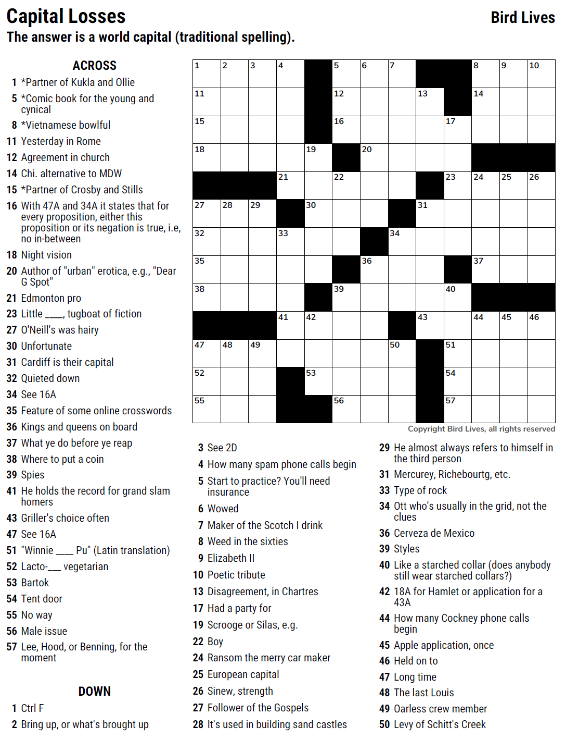
MMM — Jay Livingston — Capital Losses — 11-22-2021
1
2
11
3
4
5
6
7
8
9
10
12
13
14
15
16
17
18
19
20
21
22
23
24
25
26
27
28
29
30
31
32
33
34
35
36
37
38
39
40
41
42
43
44
45
46
47
52
55
48
49
53
56
50
51
54
57

Capital Losses — a world capital (traditional spelling)
SAVE AS to your drive. Fill-in grid above & 14 grids show below.
To move clues & to create & edit Shapes: Review… Unprotect Sheet BE CAREFUL NOT TO MOVE, DELETE, NOR EDIT CLUE NUMBERS IN GRIDS WHILE UNPROTECTED
PM Joe Ross w/questions & comments
 |  |  |  |  |  |  |  |  |  |  |  |  | # | 2

1
2
11
3
4
5
6
7
8
9
10
12
13
14
15
16
17
18
19
20
21
22
23
24
25
26
27
28
29
30
31
32
33
34
35
36
37
38
39
40
41
42
43
44
45
46
47
52
55
48
49
53
56
50
51
54
57
0 | 0 | 0 | 0 | 0 | 0 | 0 | 0 | 0 | 0 | 0 | 0 | 0 | 0 | 0
0 | 0 | 0 | 0 | 0 | 0 | 0 | 0 | 0 | 0 | 0 | 0 | 0 | 0 | 0
0 | 0 | 0 | 0 | 0 | 0 | 0 | 0 | 0 | 0 | 0 | 0 | 0 | 0 | 0
0 | 0 | 0 | 0 | 0 | 0 | 0 | 0 | 0 | 0 | 0 | 0 | 0 | 0 | 0
0 | 0 | 0 | 0 | 0 | 0 | 0 | 0 | 0 | 0 | 0 | 0 | 0 | 0 | 0
0 | 0 | 0 | 0 | 0 | 0 | 0 | 0 | 0 | 0 | 0 | 0 | 0 | 0 | 0
0 | 0 | 0 | 0 | 0 | 0 | 0 | 0 | 0 | 0 | 0 | 0 | 0 | 0 | 0
0 | 0 | 0 | 0 | 0 | 0 | 0 | 0 | 0 | 0 | 0 | 0 | 0 | 0 | 0
0 | 0 | 0 | 0 | 0 | 0 | 0 | 0 | 0 | 0 | 0 | 0 | 0 | 0 | 0
0 | 0 | 0 | 0 | 0 | 0 | 0 | 0 | 0 | 0 | 0 | 0 | 0 | 0 | 0
0 | 0 | 0 | 0 | 0 | 0 | 0 | 0 | 0 | 0 | 0 | 0 | 0 | 0 | 0
0 | 0 | 0 | 0 | 0 | 0 | 0 | 0 | 0 | 0 | 0 | 0 | 0 | 0 | 0
0 | 0 | 0 | 0 | 0 | 0 | 0 | 0 | 0 | 0 | 0 | 0 | 0 | 0 | 0
0 | 0 | 0 | 0 | 0 | 0 | 0 | 0 | 0 | 0 | 0 | 0 | 0 | 0 | 0
0 | 0 | 0 | 0 | 0 | 0 | 0 | 0 | 0 | 0 | 0 | 0 | 0 | 0 | 0
Capital Losses — a world capital (traditional spelling)

 |  |  |  |  |  |  |  |  |  |  |  |  | # | 3

0 | 0 | 0 | 0 | 0 | 0 | 0 | 0 | 0 | 0 | 0 | 0 | 0 | 0 | 0
0 | 0 | 0 | 0 | 0 | 0 | 0 | 0 | 0 | 0 | 0 | 0 | 0 | 0 | 0
0 | 0 | 0 | 0 | 0 | 0 | 0 | 0 | 0 | 0 | 0 | 0 | 0 | 0 | 0
0 | 0 | 0 | 0 | 0 | 0 | 0 | 0 | 0 | 0 | 0 | 0 | 0 | 0 | 0
0 | 0 | 0 | 0 | 0 | 0 | 0 | 0 | 0 | 0 | 0 | 0 | 0 | 0 | 0
0 | 0 | 0 | 0 | 0 | 0 | 0 | 0 | 0 | 0 | 0 | 0 | 0 | 0 | 0
0 | 0 | 0 | 0 | 0 | 0 | 0 | 0 | 0 | 0 | 0 | 0 | 0 | 0 | 0
0 | 0 | 0 | 0 | 0 | 0 | 0 | 0 | 0 | 0 | 0 | 0 | 0 | 0 | 0
0 | 0 | 0 | 0 | 0 | 0 | 0 | 0 | 0 | 0 | 0 | 0 | 0 | 0 | 0
0 | 0 | 0 | 0 | 0 | 0 | 0 | 0 | 0 | 0 | 0 | 0 | 0 | 0 | 0
0 | 0 | 0 | 0 | 0 | 0 | 0 | 0 | 0 | 0 | 0 | 0 | 0 | 0 | 0
0 | 0 | 0 | 0 | 0 | 0 | 0 | 0 | 0 | 0 | 0 | 0 | 0 | 0 | 0
0 | 0 | 0 | 0 | 0 | 0 | 0 | 0 | 0 | 0 | 0 | 0 | 0 | 0 | 0
0 | 0 | 0 | 0 | 0 | 0 | 0 | 0 | 0 | 0 | 0 | 0 | 0 | 0 | 0
0 | 0 | 0 | 0 | 0 | 0 | 0 | 0 | 0 | 0 | 0 | 0 | 0 | 0 | 0
Capital Losses — a world capital (traditional spelling)

 |  |  |  |  |  |  |  |  |  |  |  |  | # | 4

1
2
11
3
4
5
6
7
8
9
10
12
13
14
15
16
17
18
19
20
21
22
23
24
25
26
27
28
29
30
31
32
33
34
35
36
37
38
39
40
41
42
43
44
45
46
47
52
55
48
49
53
56
50
51
54
57
0 | 0 | 0 | 0 | 0 | 0 | 0 | 0 | 0 | 0 | 0 | 0 | 0 | 0 | 0
0 | 0 | 0 | 0 | 0 | 0 | 0 | 0 | 0 | 0 | 0 | 0 | 0 | 0 | 0
0 | 0 | 0 | 0 | 0 | 0 | 0 | 0 | 0 | 0 | 0 | 0 | 0 | 0 | 0
0 | 0 | 0 | 0 | 0 | 0 | 0 | 0 | 0 | 0 | 0 | 0 | 0 | 0 | 0
0 | 0 | 0 | 0 | 0 | 0 | 0 | 0 | 0 | 0 | 0 | 0 | 0 | 0 | 0
0 | 0 | 0 | 0 | 0 | 0 | 0 | 0 | 0 | 0 | 0 | 0 | 0 | 0 | 0
0 | 0 | 0 | 0 | 0 | 0 | 0 | 0 | 0 | 0 | 0 | 0 | 0 | 0 | 0
0 | 0 | 0 | 0 | 0 | 0 | 0 | 0 | 0 | 0 | 0 | 0 | 0 | 0 | 0
0 | 0 | 0 | 0 | 0 | 0 | 0 | 0 | 0 | 0 | 0 | 0 | 0 | 0 | 0
0 | 0 | 0 | 0 | 0 | 0 | 0 | 0 | 0 | 0 | 0 | 0 | 0 | 0 | 0
0 | 0 | 0 | 0 | 0 | 0 | 0 | 0 | 0 | 0 | 0 | 0 | 0 | 0 | 0
0 | 0 | 0 | 0 | 0 | 0 | 0 | 0 | 0 | 0 | 0 | 0 | 0 | 0 | 0
0 | 0 | 0 | 0 | 0 | 0 | 0 | 0 | 0 | 0 | 0 | 0 | 0 | 0 | 0
0 | 0 | 0 | 0 | 0 | 0 | 0 | 0 | 0 | 0 | 0 | 0 | 0 | 0 | 0
0 | 0 | 0 | 0 | 0 | 0 | 0 | 0 | 0 | 0 | 0 | 0 | 0 | 0 | 0
Capital Losses — a world capital (traditional spelling)

 |  |  |  |  |  |  |  |  |  |  |  |  | # | 5

1
2
11
3
4
5
6
7
8
9
10
12
13
14
15
16
17
18
19
20
21
22
23
24
25
26
27
28
29
0 | 0 | 0 | 0 | 0 | 0 | 0 | 0 | 0 | 0 | 0 | 0 | 0 | 0 | 0
0 | 0 | 0 | 0 | 0 | 0 | 0 | 0 | 0 | 0 | 0 | 0 | 0 | 0 | 0
0 | 0 | 0 | 0 | 0 | 0 | 0 | 0 | 0 | 0 | 0 | 0 | 0 | 0 | 0
0 | 0 | 0 | 0 | 0 | 0 | 0 | 0 | 0 | 0 | 0 | 0 | 0 | 0 | 0
0 | 0 | 0 | 0 | 0 | 0 | 0 | 0 | 0 | 0 | 0 | 0 | 0 | 0 | 0
0 | 0 | 0 | 0 | 0 | 0 | 0 | 0 | 0 | 0 | 0 | 0 | 0 | 0 | 0
0 | 0 | 0 | 0 | 0 | 0 | 0 | 0 | 0 | 0 | 0 | 0 | 0 | 0 | 0
0 | 0 | 0 | 0 | 0 | 0 | 0 | 0 | 0 | 0 | 0 | 0 | 0 | 0 | 0
0 | 0 | 0 | 0 | 0 | 0 | 0 | 0 | 0 | 0 | 0 | 0 | 0 | 0 | 0
0 | 0 | 0 | 0 | 0 | 0 | 0 | 0 | 0 | 0 | 0 | 0 | 0 | 0 | 0
0 | 0 | 0 | 0 | 0 | 0 | 0 | 0 | 0 | 0 | 0 | 0 | 0 | 0 | 0
0 | 0 | 0 | 0 | 0 | 0 | 0 | 0 | 0 | 0 | 0 | 0 | 0 | 0 | 0
0 | 0 | 0 | 0 | 0 | 0 | 0 | 0 | 0 | 0 | 0 | 0 | 0 | 0 | 0
0 | 0 | 0 | 0 | 0 | 0 | 0 | 0 | 0 | 0 | 0 | 0 | 0 | 0 | 0
0 | 0 | 0 | 0 | 0 | 0 | 0 | 0 | 0 | 0 | 0 | 0 | 0 | 0 | 0
Capital Losses — a world capital (traditional spelling)

 |  |  |  |  |  |  |  |  |  |  |  |  | # | 6

0 | 0 | 0 | 0 | 0 | 0 | 0 | 0 | 0 | 0 | 0 | 0 | 0 | 0 | 0
0 | 0 | 0 | 0 | 0 | 0 | 0 | 0 | 0 | 0 | 0 | 0 | 0 | 0 | 0
0 | 0 | 0 | 0 | 0 | 0 | 0 | 0 | 0 | 0 | 0 | 0 | 0 | 0 | 0
0 | 0 | 0 | 0 | 0 | 0 | 0 | 0 | 0 | 0 | 0 | 0 | 0 | 0 | 0
0 | 0 | 0 | 0 | 0 | 0 | 0 | 0 | 0 | 0 | 0 | 0 | 0 | 0 | 0
0 | 0 | 0 | 0 | 0 | 0 | 0 | 0 | 0 | 0 | 0 | 0 | 0 | 0 | 0
0 | 0 | 0 | 0 | 0 | 0 | 0 | 0 | 0 | 0 | 0 | 0 | 0 | 0 | 0
0 | 0 | 0 | 0 | 0 | 0 | 0 | 0 | 0 | 0 | 0 | 0 | 0 | 0 | 0
0 | 0 | 0 | 0 | 0 | 0 | 0 | 0 | 0 | 0 | 0 | 0 | 0 | 0 | 0
0 | 0 | 0 | 0 | 0 | 0 | 0 | 0 | 0 | 0 | 0 | 0 | 0 | 0 | 0
0 | 0 | 0 | 0 | 0 | 0 | 0 | 0 | 0 | 0 | 0 | 0 | 0 | 0 | 0
0 | 0 | 0 | 0 | 0 | 0 | 0 | 0 | 0 | 0 | 0 | 0 | 0 | 0 | 0
0 | 0 | 0 | 0 | 0 | 0 | 0 | 0 | 0 | 0 | 0 | 0 | 0 | 0 | 0
0 | 0 | 0 | 0 | 0 | 0 | 0 | 0 | 0 | 0 | 0 | 0 | 0 | 0 | 0
0 | 0 | 0 | 0 | 0 | 0 | 0 | 0 | 0 | 0 | 0 | 0 | 0 | 0 | 0
Capital Losses — a world capital (traditional spelling)

 |  |  |  |  |  |  |  |  |  |  |  |  | # | 7

0 | 0 | 0 | 0 | 0 | 0 | 0 | 0 | 0 | 0 | 0 | 0 | 0 | 0 | 0
0 | 0 | 0 | 0 | 0 | 0 | 0 | 0 | 0 | 0 | 0 | 0 | 0 | 0 | 0
0 | 0 | 0 | 0 | 0 | 0 | 0 | 0 | 0 | 0 | 0 | 0 | 0 | 0 | 0
0 | 0 | 0 | 0 | 0 | 0 | 0 | 0 | 0 | 0 | 0 | 0 | 0 | 0 | 0
0 | 0 | 0 | 0 | 0 | 0 | 0 | 0 | 0 | 0 | 0 | 0 | 0 | 0 | 0
0 | 0 | 0 | 0 | 0 | 0 | 0 | 0 | 0 | 0 | 0 | 0 | 0 | 0 | 0
0 | 0 | 0 | 0 | 0 | 0 | 0 | 0 | 0 | 0 | 0 | 0 | 0 | 0 | 0
0 | 0 | 0 | 0 | 0 | 0 | 0 | 0 | 0 | 0 | 0 | 0 | 0 | 0 | 0
0 | 0 | 0 | 0 | 0 | 0 | 0 | 0 | 0 | 0 | 0 | 0 | 0 | 0 | 0
0 | 0 | 0 | 0 | 0 | 0 | 0 | 0 | 0 | 0 | 0 | 0 | 0 | 0 | 0
0 | 0 | 0 | 0 | 0 | 0 | 0 | 0 | 0 | 0 | 0 | 0 | 0 | 0 | 0
0 | 0 | 0 | 0 | 0 | 0 | 0 | 0 | 0 | 0 | 0 | 0 | 0 | 0 | 0
0 | 0 | 0 | 0 | 0 | 0 | 0 | 0 | 0 | 0 | 0 | 0 | 0 | 0 | 0
0 | 0 | 0 | 0 | 0 | 0 | 0 | 0 | 0 | 0 | 0 | 0 | 0 | 0 | 0
0 | 0 | 0 | 0 | 0 | 0 | 0 | 0 | 0 | 0 | 0 | 0 | 0 | 0 | 0
Capital Losses — a world capital (traditional spelling)

 |  |  |  |  |  |  |  |  |  |  |  |  | # | 8

0 | 0 | 0 | 0 | 0 | 0 | 0 | 0 | 0 | 0 | 0 | 0 | 0 | 0 | 0
0 | 0 | 0 | 0 | 0 | 0 | 0 | 0 | 0 | 0 | 0 | 0 | 0 | 0 | 0
0 | 0 | 0 | 0 | 0 | 0 | 0 | 0 | 0 | 0 | 0 | 0 | 0 | 0 | 0
0 | 0 | 0 | 0 | 0 | 0 | 0 | 0 | 0 | 0 | 0 | 0 | 0 | 0 | 0
0 | 0 | 0 | 0 | 0 | 0 | 0 | 0 | 0 | 0 | 0 | 0 | 0 | 0 | 0
0 | 0 | 0 | 0 | 0 | 0 | 0 | 0 | 0 | 0 | 0 | 0 | 0 | 0 | 0
0 | 0 | 0 | 0 | 0 | 0 | 0 | 0 | 0 | 0 | 0 | 0 | 0 | 0 | 0
0 | 0 | 0 | 0 | 0 | 0 | 0 | 0 | 0 | 0 | 0 | 0 | 0 | 0 | 0
0 | 0 | 0 | 0 | 0 | 0 | 0 | 0 | 0 | 0 | 0 | 0 | 0 | 0 | 0
0 | 0 | 0 | 0 | 0 | 0 | 0 | 0 | 0 | 0 | 0 | 0 | 0 | 0 | 0
0 | 0 | 0 | 0 | 0 | 0 | 0 | 0 | 0 | 0 | 0 | 0 | 0 | 0 | 0
0 | 0 | 0 | 0 | 0 | 0 | 0 | 0 | 0 | 0 | 0 | 0 | 0 | 0 | 0
0 | 0 | 0 | 0 | 0 | 0 | 0 | 0 | 0 | 0 | 0 | 0 | 0 | 0 | 0
0 | 0 | 0 | 0 | 0 | 0 | 0 | 0 | 0 | 0 | 0 | 0 | 0 | 0 | 0
0 | 0 | 0 | 0 | 0 | 0 | 0 | 0 | 0 | 0 | 0 | 0 | 0 | 0 | 0
Capital Losses — a world capital (traditional spelling)

 |  |  |  |  |  |  |  |  |  |  |  |  | # | 9

0 | 0 | 0 | 0 | 0 | 0 | 0 | 0 | 0 | 0 | 0 | 0 | 0 | 0 | 0
0 | 0 | 0 | 0 | 0 | 0 | 0 | 0 | 0 | 0 | 0 | 0 | 0 | 0 | 0
...

