Puzzle
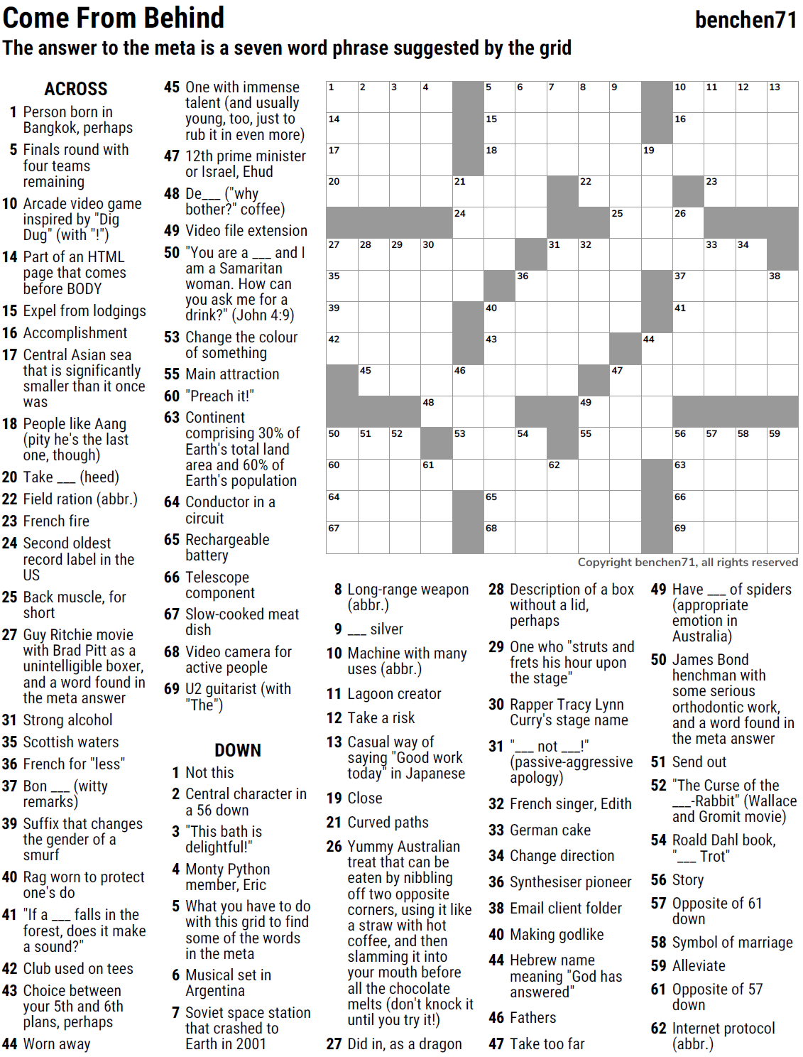
MOAT — benchen71 — Come From Behind — 10-11-2021 |  |  |  |  |  |  |  |  |  |  |  |  | # | 1
1
3
4
5
6
7
8
9
10
11
12
13
14
17
20
27
35
39
42
50
60
64
67
28
45
51
29
52
30
48
61
21
24
46
53
15
18
40
43
65
68
36
54
31
62
22
32
49
55
25
47
19
44
16
26
37
41
56
63
66
69
23
33
57
34
58
38
59
2

SAVE AS to your drive. Fill-in grid above & 14 grids show below.
To move clues & to create & edit Shapes: Review… Unprotect Sheet BE CAREFUL NOT TO MOVE, DELETE, NOR EDIT CLUE NUMBERS IN GRIDS
PM Joe Ross w/questions & comments
Come From Behind — a seven-word phrase suggested by the grid
 |  |  |  |  |  |  |  |  |  |  |  |  | # | 2

1
3
4
5
6
7
8
9
10
11
12
13
14
17
20
27
35
39
42
50
60
64
67
28
45
51
29
52
30
48
61
21
24
46
53
15
18
40
43
65
68
36
54
31
62
22
32
49
55
25
47
19
44
16
26
37
41
56
63
66
69
23
33
57
34
58
38
59
2
0 | 0 | 0 | 0 | 0 | 0 | 0 | 0 | 0 | 0 | 0 | 0 | 0 | 0 | 0
0 | 0 | 0 | 0 | 0 | 0 | 0 | 0 | 0 | 0 | 0 | 0 | 0 | 0 | 0
0 | 0 | 0 | 0 | 0 | 0 | 0 | 0 | 0 | 0 | 0 | 0 | 0 | 0 | 0
0 | 0 | 0 | 0 | 0 | 0 | 0 | 0 | 0 | 0 | 0 | 0 | 0 | 0 | 0
0 | 0 | 0 | 0 | 0 | 0 | 0 | 0 | 0 | 0 | 0 | 0 | 0 | 0 | 0
0 | 0 | 0 | 0 | 0 | 0 | 0 | 0 | 0 | 0 | 0 | 0 | 0 | 0 | 0
0 | 0 | 0 | 0 | 0 | 0 | 0 | 0 | 0 | 0 | 0 | 0 | 0 | 0 | 0
0 | 0 | 0 | 0 | 0 | 0 | 0 | 0 | 0 | 0 | 0 | 0 | 0 | 0 | 0
0 | 0 | 0 | 0 | 0 | 0 | 0 | 0 | 0 | 0 | 0 | 0 | 0 | 0 | 0
0 | 0 | 0 | 0 | 0 | 0 | 0 | 0 | 0 | 0 | 0 | 0 | 0 | 0 | 0
0 | 0 | 0 | 0 | 0 | 0 | 0 | 0 | 0 | 0 | 0 | 0 | 0 | 0 | 0
0 | 0 | 0 | 0 | 0 | 0 | 0 | 0 | 0 | 0 | 0 | 0 | 0 | 0 | 0
0 | 0 | 0 | 0 | 0 | 0 | 0 | 0 | 0 | 0 | 0 | 0 | 0 | 0 | 0
0 | 0 | 0 | 0 | 0 | 0 | 0 | 0 | 0 | 0 | 0 | 0 | 0 | 0 | 0
0 | 0 | 0 | 0 | 0 | 0 | 0 | 0 | 0 | 0 | 0 | 0 | 0 | 0 | 0
Come From Behind — a seven-word phrase suggested by the grid

 |  |  |  |  |  |  |  |  |  |  |  |  | # | 3

1
3
4
5
6
7
8
9
10
11
12
13
14
17
20
27
35
39
42
50
60
64
67
28
45
51
29
52
30
48
61
21
24
46
53
15
18
40
43
65
68
36
54
31
62
22
32
49
55
25
47
19
44
16
26
37
41
56
63
66
69
23
0 | 0 | 0 | 0 | 0 | 0 | 0 | 0 | 0 | 0 | 0 | 0 | 0 | 0 | 0
0 | 0 | 0 | 0 | 0 | 0 | 0 | 0 | 0 | 0 | 0 | 0 | 0 | 0 | 0
0 | 0 | 0 | 0 | 0 | 0 | 0 | 0 | 0 | 0 | 0 | 0 | 0 | 0 | 0
0 | 0 | 0 | 0 | 0 | 0 | 0 | 0 | 0 | 0 | 0 | 0 | 0 | 0 | 0
0 | 0 | 0 | 0 | 0 | 0 | 0 | 0 | 0 | 0 | 0 | 0 | 0 | 0 | 0
0 | 0 | 0 | 0 | 0 | 0 | 0 | 0 | 0 | 0 | 0 | 0 | 0 | 0 | 0
0 | 0 | 0 | 0 | 0 | 0 | 0 | 0 | 0 | 0 | 0 | 0 | 0 | 0 | 0
0 | 0 | 0 | 0 | 0 | 0 | 0 | 0 | 0 | 0 | 0 | 0 | 0 | 0 | 0
0 | 0 | 0 | 0 | 0 | 0 | 0 | 0 | 0 | 0 | 0 | 0 | 0 | 0 | 0
0 | 0 | 0 | 0 | 0 | 0 | 0 | 0 | 0 | 0 | 0 | 0 | 0 | 0 | 0
0 | 0 | 0 | 0 | 0 | 0 | 0 | 0 | 0 | 0 | 0 | 0 | 0 | 0 | 0
0 | 0 | 0 | 0 | 0 | 0 | 0 | 0 | 0 | 0 | 0 | 0 | 0 | 0 | 0
0 | 0 | 0 | 0 | 0 | 0 | 0 | 0 | 0 | 0 | 0 | 0 | 0 | 0 | 0
0 | 0 | 0 | 0 | 0 | 0 | 0 | 0 | 0 | 0 | 0 | 0 | 0 | 0 | 0
0 | 0 | 0 | 0 | 0 | 0 | 0 | 0 | 0 | 0 | 0 | 0 | 0 | 0 | 0
Come From Behind — a seven-word phrase suggested by the grid

 |  |  |  |  |  |  |  |  |  |  |  |  | # | 4

0 | 0 | 0 | 0 | 0 | 0 | 0 | 0 | 0 | 0 | 0 | 0 | 0 | 0 | 0
0 | 0 | 0 | 0 | 0 | 0 | 0 | 0 | 0 | 0 | 0 | 0 | 0 | 0 | 0
0 | 0 | 0 | 0 | 0 | 0 | 0 | 0 | 0 | 0 | 0 | 0 | 0 | 0 | 0
0 | 0 | 0 | 0 | 0 | 0 | 0 | 0 | 0 | 0 | 0 | 0 | 0 | 0 | 0
0 | 0 | 0 | 0 | 0 | 0 | 0 | 0 | 0 | 0 | 0 | 0 | 0 | 0 | 0
0 | 0 | 0 | 0 | 0 | 0 | 0 | 0 | 0 | 0 | 0 | 0 | 0 | 0 | 0
0 | 0 | 0 | 0 | 0 | 0 | 0 | 0 | 0 | 0 | 0 | 0 | 0 | 0 | 0
0 | 0 | 0 | 0 | 0 | 0 | 0 | 0 | 0 | 0 | 0 | 0 | 0 | 0 | 0
0 | 0 | 0 | 0 | 0 | 0 | 0 | 0 | 0 | 0 | 0 | 0 | 0 | 0 | 0
0 | 0 | 0 | 0 | 0 | 0 | 0 | 0 | 0 | 0 | 0 | 0 | 0 | 0 | 0
0 | 0 | 0 | 0 | 0 | 0 | 0 | 0 | 0 | 0 | 0 | 0 | 0 | 0 | 0
0 | 0 | 0 | 0 | 0 | 0 | 0 | 0 | 0 | 0 | 0 | 0 | 0 | 0 | 0
0 | 0 | 0 | 0 | 0 | 0 | 0 | 0 | 0 | 0 | 0 | 0 | 0 | 0 | 0
0 | 0 | 0 | 0 | 0 | 0 | 0 | 0 | 0 | 0 | 0 | 0 | 0 | 0 | 0
0 | 0 | 0 | 0 | 0 | 0 | 0 | 0 | 0 | 0 | 0 | 0 | 0 | 0 | 0
Come From Behind — a seven-word phrase suggested by the grid

 |  |  |  |  |  |  |  |  |  |  |  |  | # | 5

0 | 0 | 0 | 0 | 0 | 0 | 0 | 0 | 0 | 0 | 0 | 0 | 0 | 0 | 0
0 | 0 | 0 | 0 | 0 | 0 | 0 | 0 | 0 | 0 | 0 | 0 | 0 | 0 | 0
0 | 0 | 0 | 0 | 0 | 0 | 0 | 0 | 0 | 0 | 0 | 0 | 0 | 0 | 0
0 | 0 | 0 | 0 | 0 | 0 | 0 | 0 | 0 | 0 | 0 | 0 | 0 | 0 | 0
0 | 0 | 0 | 0 | 0 | 0 | 0 | 0 | 0 | 0 | 0 | 0 | 0 | 0 | 0
0 | 0 | 0 | 0 | 0 | 0 | 0 | 0 | 0 | 0 | 0 | 0 | 0 | 0 | 0
0 | 0 | 0 | 0 | 0 | 0 | 0 | 0 | 0 | 0 | 0 | 0 | 0 | 0 | 0
0 | 0 | 0 | 0 | 0 | 0 | 0 | 0 | 0 | 0 | 0 | 0 | 0 | 0 | 0
0 | 0 | 0 | 0 | 0 | 0 | 0 | 0 | 0 | 0 | 0 | 0 | 0 | 0 | 0
0 | 0 | 0 | 0 | 0 | 0 | 0 | 0 | 0 | 0 | 0 | 0 | 0 | 0 | 0
0 | 0 | 0 | 0 | 0 | 0 | 0 | 0 | 0 | 0 | 0 | 0 | 0 | 0 | 0
0 | 0 | 0 | 0 | 0 | 0 | 0 | 0 | 0 | 0 | 0 | 0 | 0 | 0 | 0
0 | 0 | 0 | 0 | 0 | 0 | 0 | 0 | 0 | 0 | 0 | 0 | 0 | 0 | 0
0 | 0 | 0 | 0 | 0 | 0 | 0 | 0 | 0 | 0 | 0 | 0 | 0 | 0 | 0
0 | 0 | 0 | 0 | 0 | 0 | 0 | 0 | 0 | 0 | 0 | 0 | 0 | 0 | 0
Come From Behind — a seven-word phrase suggested by the grid

 |  |  |  |  |  |  |  |  |  |  |  |  | # | 6

0 | 0 | 0 | 0 | 0 | 0 | 0 | 0 | 0 | 0 | 0 | 0 | 0 | 0 | 0
0 | 0 | 0 | 0 | 0 | 0 | 0 | 0 | 0 | 0 | 0 | 0 | 0 | 0 | 0
0 | 0 | 0 | 0 | 0 | 0 | 0 | 0 | 0 | 0 | 0 | 0 | 0 | 0 | 0
0 | 0 | 0 | 0 | 0 | 0 | 0 | 0 | 0 | 0 | 0 | 0 | 0 | 0 | 0
0 | 0 | 0 | 0 | 0 | 0 | 0 | 0 | 0 | 0 | 0 | 0 | 0 | 0 | 0
0 | 0 | 0 | 0 | 0 | 0 | 0 | 0 | 0 | 0 | 0 | 0 | 0 | 0 | 0
0 | 0 | 0 | 0 | 0 | 0 | 0 | 0 | 0 | 0 | 0 | 0 | 0 | 0 | 0
0 | 0 | 0 | 0 | 0 | 0 | 0 | 0 | 0 | 0 | 0 | 0 | 0 | 0 | 0
0 | 0 | 0 | 0 | 0 | 0 | 0 | 0 | 0 | 0 | 0 | 0 | 0 | 0 | 0
0 | 0 | 0 | 0 | 0 | 0 | 0 | 0 | 0 | 0 | 0 | 0 | 0 | 0 | 0
0 | 0 | 0 | 0 | 0 | 0 | 0 | 0 | 0 | 0 | 0 | 0 | 0 | 0 | 0
0 | 0 | 0 | 0 | 0 | 0 | 0 | 0 | 0 | 0 | 0 | 0 | 0 | 0 | 0
0 | 0 | 0 | 0 | 0 | 0 | 0 | 0 | 0 | 0 | 0 | 0 | 0 | 0 | 0
0 | 0 | 0 | 0 | 0 | 0 | 0 | 0 | 0 | 0 | 0 | 0 | 0 | 0 | 0
0 | 0 | 0 | 0 | 0 | 0 | 0 | 0 | 0 | 0 | 0 | 0 | 0 | 0 | 0
Come From Behind — a seven-word phrase suggested by the grid

 |  |  |  |  |  |  |  |  |  |  |  |  | # | 7

0 | 0 | 0 | 0 | 0 | 0 | 0 | 0 | 0 | 0 | 0 | 0 | 0 | 0 | 0
0 | 0 | 0 | 0 | 0 | 0 | 0 | 0 | 0 | 0 | 0 | 0 | 0 | 0 | 0
0 | 0 | 0 | 0 | 0 | 0 | 0 | 0 | 0 | 0 | 0 | 0 | 0 | 0 | 0
0 | 0 | 0 | 0 | 0 | 0 | 0 | 0 | 0 | 0 | 0 | 0 | 0 | 0 | 0
0 | 0 | 0 | 0 | 0 | 0 | 0 | 0 | 0 | 0 | 0 | 0 | 0 | 0 | 0
0 | 0 | 0 | 0 | 0 | 0 | 0 | 0 | 0 | 0 | 0 | 0 | 0 | 0 | 0
0 | 0 | 0 | 0 | 0 | 0 | 0 | 0 | 0 | 0 | 0 | 0 | 0 | 0 | 0
0 | 0 | 0 | 0 | 0 | 0 | 0 | 0 | 0 | 0 | 0 | 0 | 0 | 0 | 0
0 | 0 | 0 | 0 | 0 | 0 | 0 | 0 | 0 | 0 | 0 | 0 | 0 | 0 | 0
0 | 0 | 0 | 0 | 0 | 0 | 0 | 0 | 0 | 0 | 0 | 0 | 0 | 0 | 0
0 | 0 | 0 | 0 | 0 | 0 | 0 | 0 | 0 | 0 | 0 | 0 | 0 | 0 | 0
0 | 0 | 0 | 0 | 0 | 0 | 0 | 0 | 0 | 0 | 0 | 0 | 0 | 0 | 0
0 | 0 | 0 | 0 | 0 | 0 | 0 | 0 | 0 | 0 | 0 | 0 | 0 | 0 | 0
0 | 0 | 0 | 0 | 0 | 0 | 0 | 0 | 0 | 0 | 0 | 0 | 0 | 0 | 0
0 | 0 | 0 | 0 | 0 | 0 | 0 | 0 | 0 | 0 | 0 | 0 | 0 | 0 | 0
Come From Behind — a seven-word phrase suggested by the grid

 |  |  |  |  |  |  |  |  |  |  |  |  | # | 8

0 | 0 | 0 | 0 | 0 | 0 | 0 | 0 | 0 | 0 | 0 | 0 | 0 | 0 | 0
0 | 0 | 0 | 0 | 0 | 0 | 0 | 0 | 0 | 0 | 0 | 0 | 0 | 0 | 0
0 | 0 | 0 | 0 | 0 | 0 | 0 | 0 | 0 | 0 | 0 | 0 | 0 | 0 | 0
0 | 0 | 0 | 0 | 0 | 0 | 0 | 0 | 0 | 0 | 0 | 0 | 0 | 0 | 0
0 | 0 | 0 | 0 | 0 | 0 | 0 | 0 | 0 | 0 | 0 | 0 | 0 | 0 | 0
0 | 0 | 0 | 0 | 0 | 0 | 0 | 0 | 0 | 0 | 0 | 0 | 0 | 0 | 0
0 | 0 | 0 | 0 | 0 | 0 | 0 | 0 | 0 | 0 | 0 | 0 | 0 | 0 | 0
0 | 0 | 0 | 0 | 0 | 0 | 0 | 0 | 0 | 0 | 0 | 0 | 0 | 0 | 0
0 | 0 | 0 | 0 | 0 | 0 | 0 | 0 | 0 | 0 | 0 | 0 | 0 | 0 | 0
0 | 0 | 0 | 0 | 0 | 0 | 0 | 0 | 0 | 0 | 0 | 0 | 0 | 0 | 0
0 | 0 | 0 | 0 | 0 | 0 | 0 | 0 | 0 | 0 | 0 | 0 | 0 | 0 | 0
0 | 0 | 0 | 0 | 0 | 0 | 0 | 0 | 0 | 0 | 0 | 0 | 0 | 0 | 0
0 | 0 | 0 | 0 | 0 | 0 | 0 | 0 | 0 | 0 | 0 | 0 | 0 | 0 | 0
0 | 0 | 0 | 0 | 0 | 0 | 0 | 0 | 0 | 0 | 0 | 0 | 0 | 0 | 0
0 | 0 | 0 | 0 | 0 | 0 | 0 | 0 | 0 | 0 | 0 | 0 | 0 | 0 | 0
Come From Behind — a seven-word phrase suggested by the grid

 |  |  |  |  |  |  |  |  |  |  |  |  | # | 9

0 | 0 | 0 | 0 | 0 | 0 | 0 | 0 | 0 | 0 | 0 | 0 | 0 | 0 | 0
0 | 0 | 0 | 0 | 0 | 0 | 0 | 0 | 0 | 0 | 0 | 0 | 0 | 0 | 0
0 | 0 | 0 | 0 | 0 | 0 | 0 | 0 | 0 | 0 | 0 | 0 | 0 | 0 | 0
0 | 0 | 0 | 0 | 0 | 0 | 0 | 0 | 0 | 0 | 0 | 0 | 0 | 0 | 0
0 | 0 | 0 | 0 | 0 | 0 | 0 | 0 | 0 | 0 | 0 | 0 | 0 | 0 | 0
0 | 0 | 0 | 0 | 0 | 0 | 0 | 0 | 0 | 0 | 0 | 0 | 0 | 0 | 0
0 | 0 | 0 | 0 | 0 | 0 | 0 | 0 | 0 | 0 | 0 | 0 | 0 | 0 | 0
0 | 0 | 0 | 0 | 0 | 0 | 0 | 0 | 0 | 0 | 0 | 0 | 0 | 0 | 0
0 | 0 | 0 | 0 | 0 | 0 | 0 | 0 | 0 | 0 | 0 | 0 | 0 | 0 | 0
0 | 0 | 0 | 0 | 0 | 0 | 0 | 0 | 0 | 0 | 0 | 0 | 0 | 0 | 0
0 | 0 | 0 | 0 | 0 | 0 | 0 | 0 | 0 | 0 | 0 | 0 | 0 | 0 | 0
0 | 0 | 0 | 0 | 0 | 0 | 0 | 0 | 0 | 0 | 0 | 0 | 0 | 0 | 0
0 | 0 | 0 | 0 | 0 | 0 | 0 | 0 | 0 | 0 | 0 | 0 | 0 | 0 | 0
0 | 0 | 0 | 0 | 0 | 0 | 0 | 0 | 0 | 0 | 0 | 0 | 0 | 0 | 0
0 | 0 | 0 | 0 | 0 | 0 | 0 | 0 | 0 | 0 | 0 | 0 | 0 | 0 | 0
Come From Behind — a seven-word phrase suggested by the grid

 |  |  |  |  |  |  |  |  |  |  |  |  | # | 10 | -
 |  |  |  |  |  |  |  |  |  |  |  |  |  |  | -
0 | 0 | 0 | 0 | 0 | 0 | 0 | 0 | 0 | 0 | 0 | 0 | 0 | 0 | 0
0 | 0 | 0 | 0 | 0 | 0 | 0 | 0 | 0 | 0 | 0 | 0 | 0 | 0 | 0
0 | 0 | 0 | 0 | 0 | 0 | 0 | 0 | 0 | 0 | 0 | 0 | 0 | 0 | 0
0 | 0 | 0 | 0 | 0 | 0 | 0 | 0 | 0 | 0 | 0 | 0 | 0 | 0 | 0
0 | 0 | 0 | 0 | 0 | 0 | 0 | 0 | 0 | 0 | 0 | 0 | 0 | 0 | 0
0 | 0 | 0 | 0 | 0 | 0 | 0 | 0 | 0 | 0 | 0 | 0 | 0 | 0 | 0
0 | 0 | 0 | 0 | 0 | 0 | 0 | 0 | 0 | 0 | 0 | 0 | 0 | 0 | 0
0 | 0 | 0 | 0 | 0 | 0 | 0 | 0 | 0 | 0 | 0 | 0 | 0 | 0 | 0
...

