Puzzle
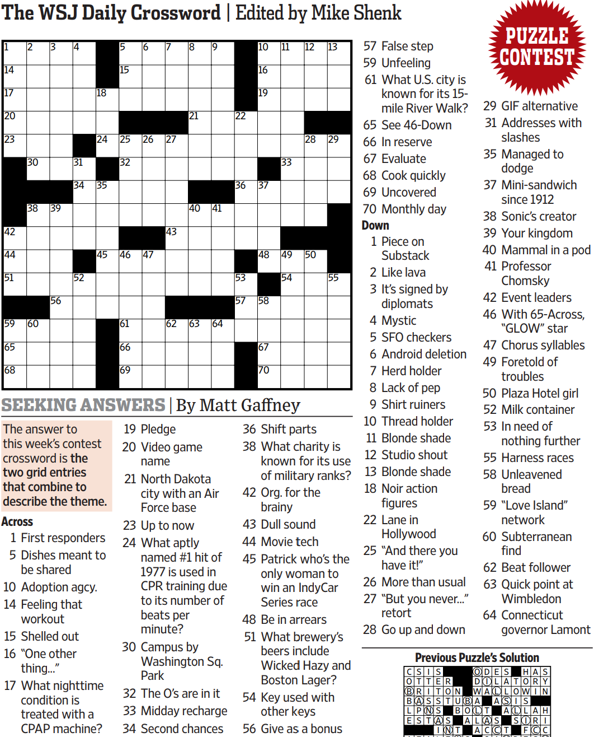
WSJCC — Matt Gaffney — Seeking Answers — 10-8-2021 |  |  |  |  |  |  |  |  |  |  |  |  | # | 1
1
3
4
5
6
7
8
9
10
11
12
13
14
17
20
23
42
44
51
59
65
68
30
38
60
39
56
31
34
52
18
24
35
45
15
25
32
46
61
66
69
26
47
27
43
62
21
40
63
41
64
22
36
53
57
16
19
37
48
58
67
70
33
49
54
28
50
29
55
2

SAVE AS to your drive. Fill-in grid above & 14 grids show below.
To move clues & to create & edit Shapes: Review… Unprotect Sheet BE CAREFUL NOT TO MOVE, DELETE, NOR EDIT CLUE NUMBERS IN GRIDS rev20201030
PM Joe Ross w/questions & comments
Seeking Answers — the two grid entries that combine to describe the theme
 |  |  |  |  |  |  |  |  |  |  |  |  | # | 2

1
3
4
5
6
7
8
9
10
11
12
13
14
17
20
23
42
44
51
59
65
68
30
38
60
39
56
31
34
52
18
24
35
45
15
25
32
46
61
66
69
26
47
27
43
62
21
40
63
41
64
22
36
53
57
16
19
37
48
58
67
70
33
49
54
28
50
29
55
2
0 | 0 | 0 | 0 | 0 | 0 | 0 | 0 | 0 | 0 | 0 | 0 | 0 | 0 | 0
0 | 0 | 0 | 0 | 0 | 0 | 0 | 0 | 0 | 0 | 0 | 0 | 0 | 0 | 0
0 | 0 | 0 | 0 | 0 | 0 | 0 | 0 | 0 | 0 | 0 | 0 | 0 | 0 | 0
0 | 0 | 0 | 0 | 0 | 0 | 0 | 0 | 0 | 0 | 0 | 0 | 0 | 0 | 0
0 | 0 | 0 | 0 | 0 | 0 | 0 | 0 | 0 | 0 | 0 | 0 | 0 | 0 | 0
0 | 0 | 0 | 0 | 0 | 0 | 0 | 0 | 0 | 0 | 0 | 0 | 0 | 0 | 0
0 | 0 | 0 | 0 | 0 | 0 | 0 | 0 | 0 | 0 | 0 | 0 | 0 | 0 | 0
0 | 0 | 0 | 0 | 0 | 0 | 0 | 0 | 0 | 0 | 0 | 0 | 0 | 0 | 0
0 | 0 | 0 | 0 | 0 | 0 | 0 | 0 | 0 | 0 | 0 | 0 | 0 | 0 | 0
0 | 0 | 0 | 0 | 0 | 0 | 0 | 0 | 0 | 0 | 0 | 0 | 0 | 0 | 0
0 | 0 | 0 | 0 | 0 | 0 | 0 | 0 | 0 | 0 | 0 | 0 | 0 | 0 | 0
0 | 0 | 0 | 0 | 0 | 0 | 0 | 0 | 0 | 0 | 0 | 0 | 0 | 0 | 0
0 | 0 | 0 | 0 | 0 | 0 | 0 | 0 | 0 | 0 | 0 | 0 | 0 | 0 | 0
0 | 0 | 0 | 0 | 0 | 0 | 0 | 0 | 0 | 0 | 0 | 0 | 0 | 0 | 0
0 | 0 | 0 | 0 | 0 | 0 | 0 | 0 | 0 | 0 | 0 | 0 | 0 | 0 | 0
Seeking Answers — the two grid entries that combine to describe the theme

 |  |  |  |  |  |  |  |  |  |  |  |  | # | 3

1
3
4
5
6
7
8
9
10
11
12
13
14
17
20
23
42
44
51
59
65
68
30
38
60
39
56
31
34
52
18
24
35
45
15
25
32
46
61
66
69
26
47
27
43
62
21
40
63
41
64
22
36
53
57
16
19
37
48
58
0 | 0 | 0 | 0 | 0 | 0 | 0 | 0 | 0 | 0 | 0 | 0 | 0 | 0 | 0
0 | 0 | 0 | 0 | 0 | 0 | 0 | 0 | 0 | 0 | 0 | 0 | 0 | 0 | 0
0 | 0 | 0 | 0 | 0 | 0 | 0 | 0 | 0 | 0 | 0 | 0 | 0 | 0 | 0
0 | 0 | 0 | 0 | 0 | 0 | 0 | 0 | 0 | 0 | 0 | 0 | 0 | 0 | 0
0 | 0 | 0 | 0 | 0 | 0 | 0 | 0 | 0 | 0 | 0 | 0 | 0 | 0 | 0
0 | 0 | 0 | 0 | 0 | 0 | 0 | 0 | 0 | 0 | 0 | 0 | 0 | 0 | 0
0 | 0 | 0 | 0 | 0 | 0 | 0 | 0 | 0 | 0 | 0 | 0 | 0 | 0 | 0
0 | 0 | 0 | 0 | 0 | 0 | 0 | 0 | 0 | 0 | 0 | 0 | 0 | 0 | 0
0 | 0 | 0 | 0 | 0 | 0 | 0 | 0 | 0 | 0 | 0 | 0 | 0 | 0 | 0
0 | 0 | 0 | 0 | 0 | 0 | 0 | 0 | 0 | 0 | 0 | 0 | 0 | 0 | 0
0 | 0 | 0 | 0 | 0 | 0 | 0 | 0 | 0 | 0 | 0 | 0 | 0 | 0 | 0
0 | 0 | 0 | 0 | 0 | 0 | 0 | 0 | 0 | 0 | 0 | 0 | 0 | 0 | 0
0 | 0 | 0 | 0 | 0 | 0 | 0 | 0 | 0 | 0 | 0 | 0 | 0 | 0 | 0
0 | 0 | 0 | 0 | 0 | 0 | 0 | 0 | 0 | 0 | 0 | 0 | 0 | 0 | 0
0 | 0 | 0 | 0 | 0 | 0 | 0 | 0 | 0 | 0 | 0 | 0 | 0 | 0 | 0
Seeking Answers — the two grid entries that combine to describe the theme

 |  |  |  |  |  |  |  |  |  |  |  |  | # | 4 | -
 |  |  |  |  |  |  |  |  |  |  |  |  |  |  | -
0 | 0 | 0 | 0 | 0 | 0 | 0 | 0 | 0 | 0 | 0 | 0 | 0 | 0 | 0
0 | 0 | 0 | 0 | 0 | 0 | 0 | 0 | 0 | 0 | 0 | 0 | 0 | 0 | 0
0 | 0 | 0 | 0 | 0 | 0 | 0 | 0 | 0 | 0 | 0 | 0 | 0 | 0 | 0
0 | 0 | 0 | 0 | 0 | 0 | 0 | 0 | 0 | 0 | 0 | 0 | 0 | 0 | 0
0 | 0 | 0 | 0 | 0 | 0 | 0 | 0 | 0 | 0 | 0 | 0 | 0 | 0 | 0
0 | 0 | 0 | 0 | 0 | 0 | 0 | 0 | 0 | 0 | 0 | 0 | 0 | 0 | 0
0 | 0 | 0 | 0 | 0 | 0 | 0 | 0 | 0 | 0 | 0 | 0 | 0 | 0 | 0
0 | 0 | 0 | 0 | 0 | 0 | 0 | 0 | 0 | 0 | 0 | 0 | 0 | 0 | 0
0 | 0 | 0 | 0 | 0 | 0 | 0 | 0 | 0 | 0 | 0 | 0 | 0 | 0 | 0
0 | 0 | 0 | 0 | 0 | 0 | 0 | 0 | 0 | 0 | 0 | 0 | 0 | 0 | 0
0 | 0 | 0 | 0 | 0 | 0 | 0 | 0 | 0 | 0 | 0 | 0 | 0 | 0 | 0
0 | 0 | 0 | 0 | 0 | 0 | 0 | 0 | 0 | 0 | 0 | 0 | 0 | 0 | 0
0 | 0 | 0 | 0 | 0 | 0 | 0 | 0 | 0 | 0 | 0 | 0 | 0 | 0 | 0
0 | 0 | 0 | 0 | 0 | 0 | 0 | 0 | 0 | 0 | 0 | 0 | 0 | 0 | 0
0 | 0 | 0 | 0 | 0 | 0 | 0 | 0 | 0 | 0 | 0 | 0 | 0 | 0 | 0
Seeking Answers — the two grid entries that combine to describe the theme

 |  |  |  |  |  |  |  |  |  |  |  |  | # | 5

0 | 0 | 0 | 0 | 0 | 0 | 0 | 0 | 0 | 0 | 0 | 0 | 0 | 0 | 0
0 | 0 | 0 | 0 | 0 | 0 | 0 | 0 | 0 | 0 | 0 | 0 | 0 | 0 | 0
0 | 0 | 0 | 0 | 0 | 0 | 0 | 0 | 0 | 0 | 0 | 0 | 0 | 0 | 0
0 | 0 | 0 | 0 | 0 | 0 | 0 | 0 | 0 | 0 | 0 | 0 | 0 | 0 | 0
0 | 0 | 0 | 0 | 0 | 0 | 0 | 0 | 0 | 0 | 0 | 0 | 0 | 0 | 0
0 | 0 | 0 | 0 | 0 | 0 | 0 | 0 | 0 | 0 | 0 | 0 | 0 | 0 | 0
0 | 0 | 0 | 0 | 0 | 0 | 0 | 0 | 0 | 0 | 0 | 0 | 0 | 0 | 0
0 | 0 | 0 | 0 | 0 | 0 | 0 | 0 | 0 | 0 | 0 | 0 | 0 | 0 | 0
0 | 0 | 0 | 0 | 0 | 0 | 0 | 0 | 0 | 0 | 0 | 0 | 0 | 0 | 0
0 | 0 | 0 | 0 | 0 | 0 | 0 | 0 | 0 | 0 | 0 | 0 | 0 | 0 | 0
0 | 0 | 0 | 0 | 0 | 0 | 0 | 0 | 0 | 0 | 0 | 0 | 0 | 0 | 0
0 | 0 | 0 | 0 | 0 | 0 | 0 | 0 | 0 | 0 | 0 | 0 | 0 | 0 | 0
0 | 0 | 0 | 0 | 0 | 0 | 0 | 0 | 0 | 0 | 0 | 0 | 0 | 0 | 0
0 | 0 | 0 | 0 | 0 | 0 | 0 | 0 | 0 | 0 | 0 | 0 | 0 | 0 | 0
0 | 0 | 0 | 0 | 0 | 0 | 0 | 0 | 0 | 0 | 0 | 0 | 0 | 0 | 0
Seeking Answers — the two grid entries that combine to describe the theme

 |  |  |  |  |  |  |  |  |  |  |  |  | # | 6

0 | 0 | 0 | 0 | 0 | 0 | 0 | 0 | 0 | 0 | 0 | 0 | 0 | 0 | 0
0 | 0 | 0 | 0 | 0 | 0 | 0 | 0 | 0 | 0 | 0 | 0 | 0 | 0 | 0
0 | 0 | 0 | 0 | 0 | 0 | 0 | 0 | 0 | 0 | 0 | 0 | 0 | 0 | 0
0 | 0 | 0 | 0 | 0 | 0 | 0 | 0 | 0 | 0 | 0 | 0 | 0 | 0 | 0
0 | 0 | 0 | 0 | 0 | 0 | 0 | 0 | 0 | 0 | 0 | 0 | 0 | 0 | 0
0 | 0 | 0 | 0 | 0 | 0 | 0 | 0 | 0 | 0 | 0 | 0 | 0 | 0 | 0
0 | 0 | 0 | 0 | 0 | 0 | 0 | 0 | 0 | 0 | 0 | 0 | 0 | 0 | 0
0 | 0 | 0 | 0 | 0 | 0 | 0 | 0 | 0 | 0 | 0 | 0 | 0 | 0 | 0
0 | 0 | 0 | 0 | 0 | 0 | 0 | 0 | 0 | 0 | 0 | 0 | 0 | 0 | 0
0 | 0 | 0 | 0 | 0 | 0 | 0 | 0 | 0 | 0 | 0 | 0 | 0 | 0 | 0
0 | 0 | 0 | 0 | 0 | 0 | 0 | 0 | 0 | 0 | 0 | 0 | 0 | 0 | 0
0 | 0 | 0 | 0 | 0 | 0 | 0 | 0 | 0 | 0 | 0 | 0 | 0 | 0 | 0
0 | 0 | 0 | 0 | 0 | 0 | 0 | 0 | 0 | 0 | 0 | 0 | 0 | 0 | 0
0 | 0 | 0 | 0 | 0 | 0 | 0 | 0 | 0 | 0 | 0 | 0 | 0 | 0 | 0
0 | 0 | 0 | 0 | 0 | 0 | 0 | 0 | 0 | 0 | 0 | 0 | 0 | 0 | 0
Seeking Answers — the two grid entries that combine to describe the theme

 |  |  |  |  |  |  |  |  |  |  |  |  | # | 7 | -
 |  |  |  |  |  |  |  |  |  |  |  |  |  |  | -
0 | 0 | 0 | 0 | 0 | 0 | 0 | 0 | 0 | 0 | 0 | 0 | 0 | 0 | 0
0 | 0 | 0 | 0 | 0 | 0 | 0 | 0 | 0 | 0 | 0 | 0 | 0 | 0 | 0
0 | 0 | 0 | 0 | 0 | 0 | 0 | 0 | 0 | 0 | 0 | 0 | 0 | 0 | 0
0 | 0 | 0 | 0 | 0 | 0 | 0 | 0 | 0 | 0 | 0 | 0 | 0 | 0 | 0
0 | 0 | 0 | 0 | 0 | 0 | 0 | 0 | 0 | 0 | 0 | 0 | 0 | 0 | 0
0 | 0 | 0 | 0 | 0 | 0 | 0 | 0 | 0 | 0 | 0 | 0 | 0 | 0 | 0
0 | 0 | 0 | 0 | 0 | 0 | 0 | 0 | 0 | 0 | 0 | 0 | 0 | 0 | 0
0 | 0 | 0 | 0 | 0 | 0 | 0 | 0 | 0 | 0 | 0 | 0 | 0 | 0 | 0
0 | 0 | 0 | 0 | 0 | 0 | 0 | 0 | 0 | 0 | 0 | 0 | 0 | 0 | 0
0 | 0 | 0 | 0 | 0 | 0 | 0 | 0 | 0 | 0 | 0 | 0 | 0 | 0 | 0
0 | 0 | 0 | 0 | 0 | 0 | 0 | 0 | 0 | 0 | 0 | 0 | 0 | 0 | 0
0 | 0 | 0 | 0 | 0 | 0 | 0 | 0 | 0 | 0 | 0 | 0 | 0 | 0 | 0
0 | 0 | 0 | 0 | 0 | 0 | 0 | 0 | 0 | 0 | 0 | 0 | 0 | 0 | 0
0 | 0 | 0 | 0 | 0 | 0 | 0 | 0 | 0 | 0 | 0 | 0 | 0 | 0 | 0
0 | 0 | 0 | 0 | 0 | 0 | 0 | 0 | 0 | 0 | 0 | 0 | 0 | 0 | 0
Seeking Answers — the two grid entries that combine to describe the theme

 |  |  |  |  |  |  |  |  |  |  |  |  | # | 8

0 | 0 | 0 | 0 | 0 | 0 | 0 | 0 | 0 | 0 | 0 | 0 | 0 | 0 | 0
0 | 0 | 0 | 0 | 0 | 0 | 0 | 0 | 0 | 0 | 0 | 0 | 0 | 0 | 0
0 | 0 | 0 | 0 | 0 | 0 | 0 | 0 | 0 | 0 | 0 | 0 | 0 | 0 | 0
0 | 0 | 0 | 0 | 0 | 0 | 0 | 0 | 0 | 0 | 0 | 0 | 0 | 0 | 0
0 | 0 | 0 | 0 | 0 | 0 | 0 | 0 | 0 | 0 | 0 | 0 | 0 | 0 | 0
0 | 0 | 0 | 0 | 0 | 0 | 0 | 0 | 0 | 0 | 0 | 0 | 0 | 0 | 0
0 | 0 | 0 | 0 | 0 | 0 | 0 | 0 | 0 | 0 | 0 | 0 | 0 | 0 | 0
0 | 0 | 0 | 0 | 0 | 0 | 0 | 0 | 0 | 0 | 0 | 0 | 0 | 0 | 0
0 | 0 | 0 | 0 | 0 | 0 | 0 | 0 | 0 | 0 | 0 | 0 | 0 | 0 | 0
0 | 0 | 0 | 0 | 0 | 0 | 0 | 0 | 0 | 0 | 0 | 0 | 0 | 0 | 0
0 | 0 | 0 | 0 | 0 | 0 | 0 | 0 | 0 | 0 | 0 | 0 | 0 | 0 | 0
0 | 0 | 0 | 0 | 0 | 0 | 0 | 0 | 0 | 0 | 0 | 0 | 0 | 0 | 0
0 | 0 | 0 | 0 | 0 | 0 | 0 | 0 | 0 | 0 | 0 | 0 | 0 | 0 | 0
0 | 0 | 0 | 0 | 0 | 0 | 0 | 0 | 0 | 0 | 0 | 0 | 0 | 0 | 0
0 | 0 | 0 | 0 | 0 | 0 | 0 | 0 | 0 | 0 | 0 | 0 | 0 | 0 | 0
Seeking Answers — the two grid entries that combine to describe the theme

 |  |  |  |  |  |  |  |  |  |  |  |  | # | 9 | -
 |  |  |  |  |  |  |  |  |  |  |  |  |  |  | -
0 | 0 | 0 | 0 | 0 | 0 | 0 | 0 | 0 | 0 | 0 | 0 | 0 | 0 | 0
0 | 0 | 0 | 0 | 0 | 0 | 0 | 0 | 0 | 0 | 0 | 0 | 0 | 0 | 0
0 | 0 | 0 | 0 | 0 | 0 | 0 | 0 | 0 | 0 | 0 | 0 | 0 | 0 | 0
0 | 0 | 0 | 0 | 0 | 0 | 0 | 0 | 0 | 0 | 0 | 0 | 0 | 0 | 0
0 | 0 | 0 | 0 | 0 | 0 | 0 | 0 | 0 | 0 | 0 | 0 | 0 | 0 | 0
0 | 0 | 0 | 0 | 0 | 0 | 0 | 0 | 0 | 0 | 0 | 0 | 0 | 0 | 0
0 | 0 | 0 | 0 | 0 | 0 | 0 | 0 | 0 | 0 | 0 | 0 | 0 | 0 | 0
0 | 0 | 0 | 0 | 0 | 0 | 0 | 0 | 0 | 0 | 0 | 0 | 0 | 0 | 0
0 | 0 | 0 | 0 | 0 | 0 | 0 | 0 | 0 | 0 | 0 | 0 | 0 | 0 | 0
0 | 0 | 0 | 0 | 0 | 0 | 0 | 0 | 0 | 0 | 0 | 0 | 0 | 0 | 0
0 | 0 | 0 | 0 | 0 | 0 | 0 | 0 | 0 | 0 | 0 | 0 | 0 | 0 | 0
0 | 0 | 0 | 0 | 0 | 0 | 0 | 0 | 0 | 0 | 0 | 0 | 0 | 0 | 0
0 | 0 | 0 | 0 | 0 | 0 | 0 | 0 | 0 | 0 | 0 | 0 | 0 | 0 | 0
0 | 0 | 0 | 0 | 0 | 0 | 0 | 0 | 0 | 0 | 0 | 0 | 0 | 0 | 0
0 | 0 | 0 | 0 | 0 | 0 | 0 | 0 | 0 | 0 | 0 | 0 | 0 | 0 | 0
Seeking Answers — the two grid entries that combine to describe the theme

 |  |  |  |  |  |  |  |  |  |  |  |  | # | 10 | -
 |  |  |  |  |  |  |  |  |  |  |  |  |  |  | -
0 | 0 | 0 | 0 | 0 | 0 | 0 | 0 | 0 | 0 | 0 | 0 | 0 | 0 | 0
0 | 0 | 0 | 0 | 0 | 0 | 0 | 0 | 0 | 0 | 0 | 0 | 0 | 0 | 0
0 | 0 | 0 | 0 | 0 | 0 | 0 | 0 | 0 | 0 | 0 | 0 | 0 | 0 | 0
0 | 0 | 0 | 0 | 0 | 0 | 0 | 0 | 0 | 0 | 0 | 0 | 0 | 0 | 0
0 | 0 | 0 | 0 | 0 | 0 | 0 | 0 | 0 | 0 | 0 | 0 | 0 | 0 | 0
0 | 0 | 0 | 0 | 0 | 0 | 0 | 0 | 0 | 0 | 0 | 0 | 0 | 0 | 0
0 | 0 | 0 | 0 | 0 | 0 | 0 | 0 | 0 | 0 | 0 | 0 | 0 | 0 | 0
...

