Puzzle
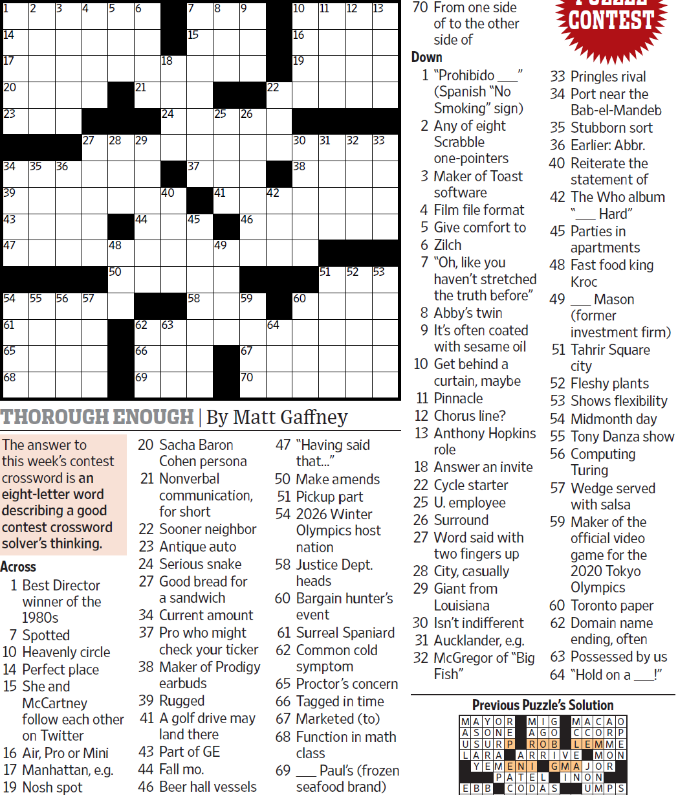
WSJCC — Matt Gaffney — Thorough Enough — 9-24-2021 |  |  |  |  |  |  |  |  |  |  |  |  | # | 1
1
3
4
5
6
7
8
9
10
11
12
13
14
17
20
23
34
39
43
47
54
61
65
68
35
55
36
56
27
57
28
48
50
21
29
44
62
66
69
18
24
40
63
15
37
45
58
25
41
49
26
46
59
67
70
22
42
64
16
19
30
38
60
31
51
32
52
33
53
2

SAVE AS to your drive. Fill-in grid above & more grids show below.
To move clues & to create & edit Shapes: Review… Unprotect Sheet BE CAREFUL NOT TO MOVE, DELETE, NOR EDIT CLUE NUMBERS IN GRIDS rev20201030
PM Joe Ross w/questions & comments
Thorough Enough — an 8-letter word describing a good crossword solver's thinking
 |  |  |  |  |  |  |  |  |  |  |  |  | # | 2
1
3
4
5
6
7
8
9
10
11
12
13
14
17
20
23
34
39
43
47
54
61
65
68
35
55
36
56
27
57
28
48
50
21
29
44
62
66
69
18
24
40
63
15
37
45
58
25
41
49
26
46
59
67
70
22
42
64
16
19
30
38
60
31
51
32
52
33
53
2
0 | 0 | 0 | 0 | 0 | 0 | 0 | 0 | 0 | 0 | 0 | 0 | 0 | 0 | 0
0 | 0 | 0 | 0 | 0 | 0 | 0 | 0 | 0 | 0 | 0 | 0 | 0 | 0 | 0
0 | 0 | 0 | 0 | 0 | 0 | 0 | 0 | 0 | 0 | 0 | 0 | 0 | 0 | 0
0 | 0 | 0 | 0 | 0 | 0 | 0 | 0 | 0 | 0 | 0 | 0 | 0 | 0 | 0
0 | 0 | 0 | 0 | 0 | 0 | 0 | 0 | 0 | 0 | 0 | 0 | 0 | 0 | 0
0 | 0 | 0 | 0 | 0 | 0 | 0 | 0 | 0 | 0 | 0 | 0 | 0 | 0 | 0
0 | 0 | 0 | 0 | 0 | 0 | 0 | 0 | 0 | 0 | 0 | 0 | 0 | 0 | 0
0 | 0 | 0 | 0 | 0 | 0 | 0 | 0 | 0 | 0 | 0 | 0 | 0 | 0 | 0
0 | 0 | 0 | 0 | 0 | 0 | 0 | 0 | 0 | 0 | 0 | 0 | 0 | 0 | 0
0 | 0 | 0 | 0 | 0 | 0 | 0 | 0 | 0 | 0 | 0 | 0 | 0 | 0 | 0
0 | 0 | 0 | 0 | 0 | 0 | 0 | 0 | 0 | 0 | 0 | 0 | 0 | 0 | 0
0 | 0 | 0 | 0 | 0 | 0 | 0 | 0 | 0 | 0 | 0 | 0 | 0 | 0 | 0
0 | 0 | 0 | 0 | 0 | 0 | 0 | 0 | 0 | 0 | 0 | 0 | 0 | 0 | 0
0 | 0 | 0 | 0 | 0 | 0 | 0 | 0 | 0 | 0 | 0 | 0 | 0 | 0 | 0
0 | 0 | 0 | 0 | 0 | 0 | 0 | 0 | 0 | 0 | 0 | 0 | 0 | 0 | 0
Thorough Enough — an 8-letter word describing a good crossword solver's thinking
 |  |  |  |  |  |  |  |  |  |  |  |  | # | 3
1
3
4
5
6
7
8
9
10
11
12
13
14
17
20
23
34
39
43
47
54
61
65
68
35
55
36
56
27
57
28
48
50
21
29
44
62
66
69
18
24
40
63
15
37
45
58
25
41
49
26
46
59
67
70
22
42
64
16
19
0 | 0 | 0 | 0 | 0 | 0 | 0 | 0 | 0 | 0 | 0 | 0 | 0 | 0 | 0
0 | 0 | 0 | 0 | 0 | 0 | 0 | 0 | 0 | 0 | 0 | 0 | 0 | 0 | 0
0 | 0 | 0 | 0 | 0 | 0 | 0 | 0 | 0 | 0 | 0 | 0 | 0 | 0 | 0
0 | 0 | 0 | 0 | 0 | 0 | 0 | 0 | 0 | 0 | 0 | 0 | 0 | 0 | 0
0 | 0 | 0 | 0 | 0 | 0 | 0 | 0 | 0 | 0 | 0 | 0 | 0 | 0 | 0
0 | 0 | 0 | 0 | 0 | 0 | 0 | 0 | 0 | 0 | 0 | 0 | 0 | 0 | 0
0 | 0 | 0 | 0 | 0 | 0 | 0 | 0 | 0 | 0 | 0 | 0 | 0 | 0 | 0
0 | 0 | 0 | 0 | 0 | 0 | 0 | 0 | 0 | 0 | 0 | 0 | 0 | 0 | 0
0 | 0 | 0 | 0 | 0 | 0 | 0 | 0 | 0 | 0 | 0 | 0 | 0 | 0 | 0
0 | 0 | 0 | 0 | 0 | 0 | 0 | 0 | 0 | 0 | 0 | 0 | 0 | 0 | 0
0 | 0 | 0 | 0 | 0 | 0 | 0 | 0 | 0 | 0 | 0 | 0 | 0 | 0 | 0
0 | 0 | 0 | 0 | 0 | 0 | 0 | 0 | 0 | 0 | 0 | 0 | 0 | 0 | 0
0 | 0 | 0 | 0 | 0 | 0 | 0 | 0 | 0 | 0 | 0 | 0 | 0 | 0 | 0
0 | 0 | 0 | 0 | 0 | 0 | 0 | 0 | 0 | 0 | 0 | 0 | 0 | 0 | 0
0 | 0 | 0 | 0 | 0 | 0 | 0 | 0 | 0 | 0 | 0 | 0 | 0 | 0 | 0
Thorough Enough — an 8-letter word describing a good crossword solver's thinking
 |  |  |  |  |  |  |  |  |  |  |  |  | # | 4 | -
0 | 0 | 0 | 0 | 0 | 0 | 0 | 0 | 0 | 0 | 0 | 0 | 0 | 0 | 0
0 | 0 | 0 | 0 | 0 | 0 | 0 | 0 | 0 | 0 | 0 | 0 | 0 | 0 | 0
0 | 0 | 0 | 0 | 0 | 0 | 0 | 0 | 0 | 0 | 0 | 0 | 0 | 0 | 0
0 | 0 | 0 | 0 | 0 | 0 | 0 | 0 | 0 | 0 | 0 | 0 | 0 | 0 | 0
0 | 0 | 0 | 0 | 0 | 0 | 0 | 0 | 0 | 0 | 0 | 0 | 0 | 0 | 0
0 | 0 | 0 | 0 | 0 | 0 | 0 | 0 | 0 | 0 | 0 | 0 | 0 | 0 | 0
0 | 0 | 0 | 0 | 0 | 0 | 0 | 0 | 0 | 0 | 0 | 0 | 0 | 0 | 0
0 | 0 | 0 | 0 | 0 | 0 | 0 | 0 | 0 | 0 | 0 | 0 | 0 | 0 | 0
0 | 0 | 0 | 0 | 0 | 0 | 0 | 0 | 0 | 0 | 0 | 0 | 0 | 0 | 0
0 | 0 | 0 | 0 | 0 | 0 | 0 | 0 | 0 | 0 | 0 | 0 | 0 | 0 | 0
0 | 0 | 0 | 0 | 0 | 0 | 0 | 0 | 0 | 0 | 0 | 0 | 0 | 0 | 0
0 | 0 | 0 | 0 | 0 | 0 | 0 | 0 | 0 | 0 | 0 | 0 | 0 | 0 | 0
0 | 0 | 0 | 0 | 0 | 0 | 0 | 0 | 0 | 0 | 0 | 0 | 0 | 0 | 0
0 | 0 | 0 | 0 | 0 | 0 | 0 | 0 | 0 | 0 | 0 | 0 | 0 | 0 | 0
0 | 0 | 0 | 0 | 0 | 0 | 0 | 0 | 0 | 0 | 0 | 0 | 0 | 0 | 0
Thorough Enough — an 8-letter word describing a good crossword solver's thinking
 |  |  |  |  |  |  |  |  |  |  |  |  | # | 5
0 | 0 | 0 | 0 | 0 | 0 | 0 | 0 | 0 | 0 | 0 | 0 | 0 | 0 | 0
0 | 0 | 0 | 0 | 0 | 0 | 0 | 0 | 0 | 0 | 0 | 0 | 0 | 0 | 0
0 | 0 | 0 | 0 | 0 | 0 | 0 | 0 | 0 | 0 | 0 | 0 | 0 | 0 | 0
0 | 0 | 0 | 0 | 0 | 0 | 0 | 0 | 0 | 0 | 0 | 0 | 0 | 0 | 0
0 | 0 | 0 | 0 | 0 | 0 | 0 | 0 | 0 | 0 | 0 | 0 | 0 | 0 | 0
0 | 0 | 0 | 0 | 0 | 0 | 0 | 0 | 0 | 0 | 0 | 0 | 0 | 0 | 0
0 | 0 | 0 | 0 | 0 | 0 | 0 | 0 | 0 | 0 | 0 | 0 | 0 | 0 | 0
0 | 0 | 0 | 0 | 0 | 0 | 0 | 0 | 0 | 0 | 0 | 0 | 0 | 0 | 0
0 | 0 | 0 | 0 | 0 | 0 | 0 | 0 | 0 | 0 | 0 | 0 | 0 | 0 | 0
0 | 0 | 0 | 0 | 0 | 0 | 0 | 0 | 0 | 0 | 0 | 0 | 0 | 0 | 0
0 | 0 | 0 | 0 | 0 | 0 | 0 | 0 | 0 | 0 | 0 | 0 | 0 | 0 | 0
0 | 0 | 0 | 0 | 0 | 0 | 0 | 0 | 0 | 0 | 0 | 0 | 0 | 0 | 0
0 | 0 | 0 | 0 | 0 | 0 | 0 | 0 | 0 | 0 | 0 | 0 | 0 | 0 | 0
0 | 0 | 0 | 0 | 0 | 0 | 0 | 0 | 0 | 0 | 0 | 0 | 0 | 0 | 0
0 | 0 | 0 | 0 | 0 | 0 | 0 | 0 | 0 | 0 | 0 | 0 | 0 | 0 | 0
Thorough Enough — an 8-letter word describing a good crossword solver's thinking
 |  |  |  |  |  |  |  |  |  |  |  |  | # | 6
0 | 0 | 0 | 0 | 0 | 0 | 0 | 0 | 0 | 0 | 0 | 0 | 0 | 0 | 0
0 | 0 | 0 | 0 | 0 | 0 | 0 | 0 | 0 | 0 | 0 | 0 | 0 | 0 | 0
0 | 0 | 0 | 0 | 0 | 0 | 0 | 0 | 0 | 0 | 0 | 0 | 0 | 0 | 0
0 | 0 | 0 | 0 | 0 | 0 | 0 | 0 | 0 | 0 | 0 | 0 | 0 | 0 | 0
0 | 0 | 0 | 0 | 0 | 0 | 0 | 0 | 0 | 0 | 0 | 0 | 0 | 0 | 0
0 | 0 | 0 | 0 | 0 | 0 | 0 | 0 | 0 | 0 | 0 | 0 | 0 | 0 | 0
0 | 0 | 0 | 0 | 0 | 0 | 0 | 0 | 0 | 0 | 0 | 0 | 0 | 0 | 0
0 | 0 | 0 | 0 | 0 | 0 | 0 | 0 | 0 | 0 | 0 | 0 | 0 | 0 | 0
0 | 0 | 0 | 0 | 0 | 0 | 0 | 0 | 0 | 0 | 0 | 0 | 0 | 0 | 0
0 | 0 | 0 | 0 | 0 | 0 | 0 | 0 | 0 | 0 | 0 | 0 | 0 | 0 | 0
0 | 0 | 0 | 0 | 0 | 0 | 0 | 0 | 0 | 0 | 0 | 0 | 0 | 0 | 0
0 | 0 | 0 | 0 | 0 | 0 | 0 | 0 | 0 | 0 | 0 | 0 | 0 | 0 | 0
0 | 0 | 0 | 0 | 0 | 0 | 0 | 0 | 0 | 0 | 0 | 0 | 0 | 0 | 0
0 | 0 | 0 | 0 | 0 | 0 | 0 | 0 | 0 | 0 | 0 | 0 | 0 | 0 | 0
0 | 0 | 0 | 0 | 0 | 0 | 0 | 0 | 0 | 0 | 0 | 0 | 0 | 0 | 0
Thorough Enough — an 8-letter word describing a good crossword solver's thinking
 |  |  |  |  |  |  |  |  |  |  |  |  | # | 7 | -
0 | 0 | 0 | 0 | 0 | 0 | 0 | 0 | 0 | 0 | 0 | 0 | 0 | 0 | 0
0 | 0 | 0 | 0 | 0 | 0 | 0 | 0 | 0 | 0 | 0 | 0 | 0 | 0 | 0
0 | 0 | 0 | 0 | 0 | 0 | 0 | 0 | 0 | 0 | 0 | 0 | 0 | 0 | 0
0 | 0 | 0 | 0 | 0 | 0 | 0 | 0 | 0 | 0 | 0 | 0 | 0 | 0 | 0
0 | 0 | 0 | 0 | 0 | 0 | 0 | 0 | 0 | 0 | 0 | 0 | 0 | 0 | 0
0 | 0 | 0 | 0 | 0 | 0 | 0 | 0 | 0 | 0 | 0 | 0 | 0 | 0 | 0
0 | 0 | 0 | 0 | 0 | 0 | 0 | 0 | 0 | 0 | 0 | 0 | 0 | 0 | 0
0 | 0 | 0 | 0 | 0 | 0 | 0 | 0 | 0 | 0 | 0 | 0 | 0 | 0 | 0
0 | 0 | 0 | 0 | 0 | 0 | 0 | 0 | 0 | 0 | 0 | 0 | 0 | 0 | 0
0 | 0 | 0 | 0 | 0 | 0 | 0 | 0 | 0 | 0 | 0 | 0 | 0 | 0 | 0
0 | 0 | 0 | 0 | 0 | 0 | 0 | 0 | 0 | 0 | 0 | 0 | 0 | 0 | 0
0 | 0 | 0 | 0 | 0 | 0 | 0 | 0 | 0 | 0 | 0 | 0 | 0 | 0 | 0
0 | 0 | 0 | 0 | 0 | 0 | 0 | 0 | 0 | 0 | 0 | 0 | 0 | 0 | 0
0 | 0 | 0 | 0 | 0 | 0 | 0 | 0 | 0 | 0 | 0 | 0 | 0 | 0 | 0
0 | 0 | 0 | 0 | 0 | 0 | 0 | 0 | 0 | 0 | 0 | 0 | 0 | 0 | 0
Thorough Enough — an 8-letter word describing a good crossword solver's thinking
 |  |  |  |  |  |  |  |  |  |  |  |  | # | 8
0 | 0 | 0 | 0 | 0 | 0 | 0 | 0 | 0 | 0 | 0 | 0 | 0 | 0 | 0
0 | 0 | 0 | 0 | 0 | 0 | 0 | 0 | 0 | 0 | 0 | 0 | 0 | 0 | 0
0 | 0 | 0 | 0 | 0 | 0 | 0 | 0 | 0 | 0 | 0 | 0 | 0 | 0 | 0
0 | 0 | 0 | 0 | 0 | 0 | 0 | 0 | 0 | 0 | 0 | 0 | 0 | 0 | 0
0 | 0 | 0 | 0 | 0 | 0 | 0 | 0 | 0 | 0 | 0 | 0 | 0 | 0 | 0
0 | 0 | 0 | 0 | 0 | 0 | 0 | 0 | 0 | 0 | 0 | 0 | 0 | 0 | 0
0 | 0 | 0 | 0 | 0 | 0 | 0 | 0 | 0 | 0 | 0 | 0 | 0 | 0 | 0
0 | 0 | 0 | 0 | 0 | 0 | 0 | 0 | 0 | 0 | 0 | 0 | 0 | 0 | 0
0 | 0 | 0 | 0 | 0 | 0 | 0 | 0 | 0 | 0 | 0 | 0 | 0 | 0 | 0
0 | 0 | 0 | 0 | 0 | 0 | 0 | 0 | 0 | 0 | 0 | 0 | 0 | 0 | 0
0 | 0 | 0 | 0 | 0 | 0 | 0 | 0 | 0 | 0 | 0 | 0 | 0 | 0 | 0
0 | 0 | 0 | 0 | 0 | 0 | 0 | 0 | 0 | 0 | 0 | 0 | 0 | 0 | 0
0 | 0 | 0 | 0 | 0 | 0 | 0 | 0 | 0 | 0 | 0 | 0 | 0 | 0 | 0
0 | 0 | 0 | 0 | 0 | 0 | 0 | 0 | 0 | 0 | 0 | 0 | 0 | 0 | 0
0 | 0 | 0 | 0 | 0 | 0 | 0 | 0 | 0 | 0 | 0 | 0 | 0 | 0 | 0
Thorough Enough — an 8-letter word describing a good crossword solver's thinking
 |  |  |  |  |  |  |  |  |  |  |  |  | # | 9 | -
0 | 0 | 0 | 0 | 0 | 0 | 0 | 0 | 0 | 0 | 0 | 0 | 0 | 0 | 0
0 | 0 | 0 | 0 | 0 | 0 | 0 | 0 | 0 | 0 | 0 | 0 | 0 | 0 | 0
0 | 0 | 0 | 0 | 0 | 0 | 0 | 0 | 0 | 0 | 0 | 0 | 0 | 0 | 0
0 | 0 | 0 | 0 | 0 | 0 | 0 | 0 | 0 | 0 | 0 | 0 | 0 | 0 | 0
0 | 0 | 0 | 0 | 0 | 0 | 0 | 0 | 0 | 0 | 0 | 0 | 0 | 0 | 0
0 | 0 | 0 | 0 | 0 | 0 | 0 | 0 | 0 | 0 | 0 | 0 | 0 | 0 | 0
0 | 0 | 0 | 0 | 0 | 0 | 0 | 0 | 0 | 0 | 0 | 0 | 0 | 0 | 0
0 | 0 | 0 | 0 | 0 | 0 | 0 | 0 | 0 | 0 | 0 | 0 | 0 | 0 | 0
0 | 0 | 0 | 0 | 0 | 0 | 0 | 0 | 0 | 0 | 0 | 0 | 0 | 0 | 0
0 | 0 | 0 | 0 | 0 | 0 | 0 | 0 | 0 | 0 | 0 | 0 | 0 | 0 | 0
0 | 0 | 0 | 0 | 0 | 0 | 0 | 0 | 0 | 0 | 0 | 0 | 0 | 0 | 0
0 | 0 | 0 | 0 | 0 | 0 | 0 | 0 | 0 | 0 | 0 | 0 | 0 | 0 | 0
0 | 0 | 0 | 0 | 0 | 0 | 0 | 0 | 0 | 0 | 0 | 0 | 0 | 0 | 0
0 | 0 | 0 | 0 | 0 | 0 | 0 | 0 | 0 | 0 | 0 | 0 | 0 | 0 | 0
0 | 0 | 0 | 0 | 0 | 0 | 0 | 0 | 0 | 0 | 0 | 0 | 0 | 0 | 0
Thorough Enough — an 8-letter word describing a good crossword solver's thinking
 |  |  |  |  |  |  |  |  |  |  |  |  | # | 10 | -
0 | 0 | 0 | 0 | 0 | 0 | 0 | 0 | 0 | 0 | 0 | 0 | 0 | 0 | 0
0 | 0 | 0 | 0 | 0 | 0 | 0 | 0 | 0 | 0 | 0 | 0 | 0 | 0 | 0
0 | 0 | 0 | 0 | 0 | 0 | 0 | 0 | 0 | 0 | 0 | 0 | 0 | 0 | 0
0 | 0 | 0 | 0 | 0 | 0 | 0 | 0 | 0 | 0 | 0 | 0 | 0 | 0 | 0
0 | 0 | 0 | 0 | 0 | 0 | 0 | 0 | 0 | 0 | 0 | 0 | 0 | 0 | 0
0 | 0 | 0 | 0 | 0 | 0 | 0 | 0 | 0 | 0 | 0 | 0 | 0 | 0 | 0
0 | 0 | 0 | 0 | 0 | 0 | 0 | 0 | 0 | 0 | 0 | 0 | 0 | 0 | 0
0 | 0 | 0 | 0 | 0 | 0 | 0 | 0 | 0 | 0 | 0 | 0 | 0 | 0 | 0
0 | 0 | 0 | 0 | 0 | 0 | 0 | 0 | 0 | 0 | 0 | 0 | 0 | 0 | 0
...

