Puzzle
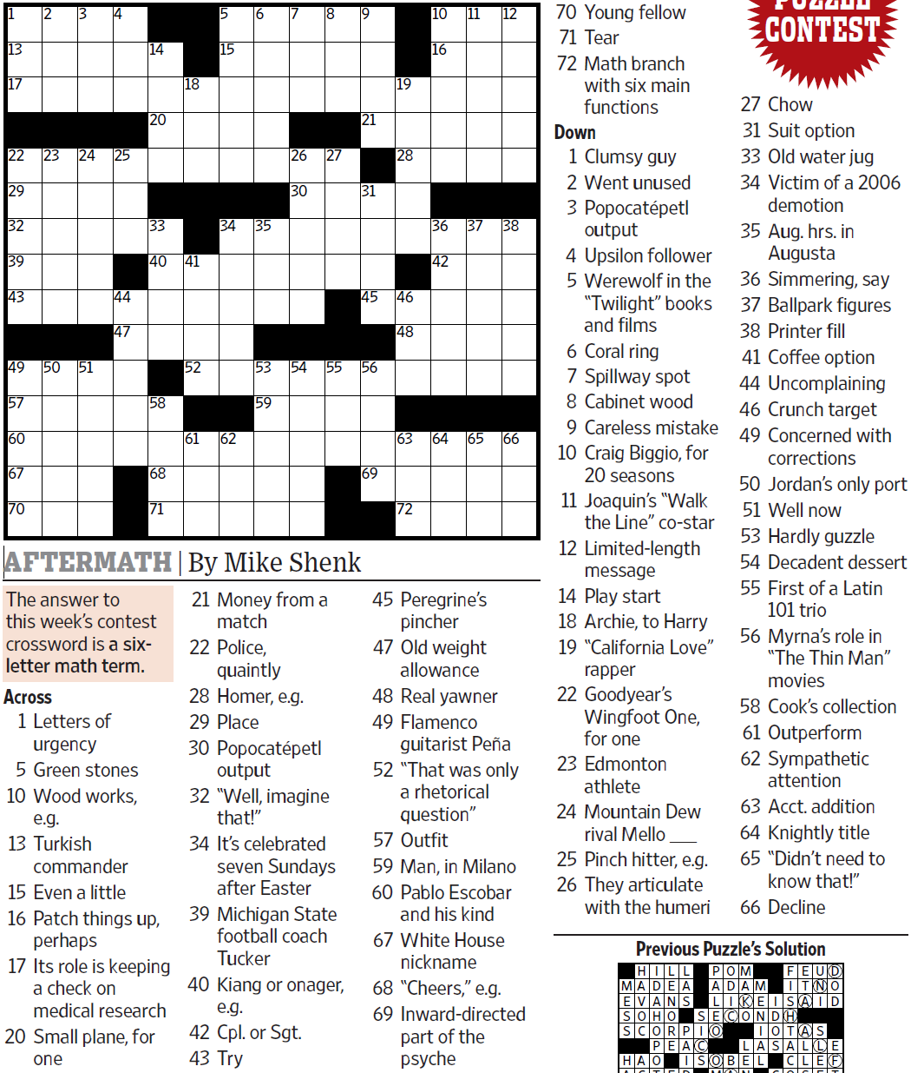
WSJCC — Mike Shenk — Aftermath — 9-17-2021 |  |  |  |  |  |  |  |  |  |  |  |  | # | 1
1
3
4
5
6
7
8
9
10
11
12
13
17
22
29
32
39
43
49
57
60
67
70
23
50
24
51
25
44
47
14
20
33
40
58
68
71
18
41
52
61
15
34
62
35
53
59
26
30
54
27
55
21
45
56
69
19
28
46
48
63
72
16
36
42
64
37
65
38
66
2
31

SAVE AS to your drive. Fill-in grid above & more grids show below.
To move clues & to create & edit Shapes: Review… Unprotect Sheet BE CAREFUL NOT TO MOVE, DELETE, NOR EDIT CLUE NUMBERS IN GRIDS rev20201030
PM Joe Ross w/questions & comments
Aftermath — a six-letter math term
 |  |  |  |  |  |  |  |  |  |  |  |  | # | 2
1
3
4
5
6
7
8
9
10
11
12
13
17
22
29
32
39
43
49
57
60
67
70
23
50
24
51
25
44
47
14
20
33
40
58
68
71
18
41
52
61
15
34
62
35
53
59
26
30
54
27
55
21
45
56
69
19
28
46
48
63
72
16
36
42
64
37
65
38
66
2
31
0 | 0 | 0 | 0 | 0 | 0 | 0 | 0 | 0 | 0 | 0 | 0 | 0 | 0 | 0
0 | 0 | 0 | 0 | 0 | 0 | 0 | 0 | 0 | 0 | 0 | 0 | 0 | 0 | 0
0 | 0 | 0 | 0 | 0 | 0 | 0 | 0 | 0 | 0 | 0 | 0 | 0 | 0 | 0
0 | 0 | 0 | 0 | 0 | 0 | 0 | 0 | 0 | 0 | 0 | 0 | 0 | 0 | 0
0 | 0 | 0 | 0 | 0 | 0 | 0 | 0 | 0 | 0 | 0 | 0 | 0 | 0 | 0
0 | 0 | 0 | 0 | 0 | 0 | 0 | 0 | 0 | 0 | 0 | 0 | 0 | 0 | 0
0 | 0 | 0 | 0 | 0 | 0 | 0 | 0 | 0 | 0 | 0 | 0 | 0 | 0 | 0
0 | 0 | 0 | 0 | 0 | 0 | 0 | 0 | 0 | 0 | 0 | 0 | 0 | 0 | 0
0 | 0 | 0 | 0 | 0 | 0 | 0 | 0 | 0 | 0 | 0 | 0 | 0 | 0 | 0
0 | 0 | 0 | 0 | 0 | 0 | 0 | 0 | 0 | 0 | 0 | 0 | 0 | 0 | 0
0 | 0 | 0 | 0 | 0 | 0 | 0 | 0 | 0 | 0 | 0 | 0 | 0 | 0 | 0
0 | 0 | 0 | 0 | 0 | 0 | 0 | 0 | 0 | 0 | 0 | 0 | 0 | 0 | 0
0 | 0 | 0 | 0 | 0 | 0 | 0 | 0 | 0 | 0 | 0 | 0 | 0 | 0 | 0
0 | 0 | 0 | 0 | 0 | 0 | 0 | 0 | 0 | 0 | 0 | 0 | 0 | 0 | 0
0 | 0 | 0 | 0 | 0 | 0 | 0 | 0 | 0 | 0 | 0 | 0 | 0 | 0 | 0
Aftermath — a six-letter math term
 |  |  |  |  |  |  |  |  |  |  |  |  | # | 3
1
3
4
5
6
7
8
9
10
11
12
13
17
22
29
32
39
43
49
57
60
67
70
23
50
24
51
25
44
47
14
20
33
40
58
68
71
18
41
52
61
15
34
62
35
53
59
26
30
54
27
55
21
45
56
69
0 | 0 | 0 | 0 | 0 | 0 | 0 | 0 | 0 | 0 | 0 | 0 | 0 | 0 | 0
0 | 0 | 0 | 0 | 0 | 0 | 0 | 0 | 0 | 0 | 0 | 0 | 0 | 0 | 0
0 | 0 | 0 | 0 | 0 | 0 | 0 | 0 | 0 | 0 | 0 | 0 | 0 | 0 | 0
0 | 0 | 0 | 0 | 0 | 0 | 0 | 0 | 0 | 0 | 0 | 0 | 0 | 0 | 0
0 | 0 | 0 | 0 | 0 | 0 | 0 | 0 | 0 | 0 | 0 | 0 | 0 | 0 | 0
0 | 0 | 0 | 0 | 0 | 0 | 0 | 0 | 0 | 0 | 0 | 0 | 0 | 0 | 0
0 | 0 | 0 | 0 | 0 | 0 | 0 | 0 | 0 | 0 | 0 | 0 | 0 | 0 | 0
0 | 0 | 0 | 0 | 0 | 0 | 0 | 0 | 0 | 0 | 0 | 0 | 0 | 0 | 0
0 | 0 | 0 | 0 | 0 | 0 | 0 | 0 | 0 | 0 | 0 | 0 | 0 | 0 | 0
0 | 0 | 0 | 0 | 0 | 0 | 0 | 0 | 0 | 0 | 0 | 0 | 0 | 0 | 0
0 | 0 | 0 | 0 | 0 | 0 | 0 | 0 | 0 | 0 | 0 | 0 | 0 | 0 | 0
0 | 0 | 0 | 0 | 0 | 0 | 0 | 0 | 0 | 0 | 0 | 0 | 0 | 0 | 0
0 | 0 | 0 | 0 | 0 | 0 | 0 | 0 | 0 | 0 | 0 | 0 | 0 | 0 | 0
0 | 0 | 0 | 0 | 0 | 0 | 0 | 0 | 0 | 0 | 0 | 0 | 0 | 0 | 0
0 | 0 | 0 | 0 | 0 | 0 | 0 | 0 | 0 | 0 | 0 | 0 | 0 | 0 | 0
Aftermath — a six-letter math term
 |  |  |  |  |  |  |  |  |  |  |  |  | # | 4 | -
0 | 0 | 0 | 0 | 0 | 0 | 0 | 0 | 0 | 0 | 0 | 0 | 0 | 0 | 0
0 | 0 | 0 | 0 | 0 | 0 | 0 | 0 | 0 | 0 | 0 | 0 | 0 | 0 | 0
0 | 0 | 0 | 0 | 0 | 0 | 0 | 0 | 0 | 0 | 0 | 0 | 0 | 0 | 0
0 | 0 | 0 | 0 | 0 | 0 | 0 | 0 | 0 | 0 | 0 | 0 | 0 | 0 | 0
0 | 0 | 0 | 0 | 0 | 0 | 0 | 0 | 0 | 0 | 0 | 0 | 0 | 0 | 0
0 | 0 | 0 | 0 | 0 | 0 | 0 | 0 | 0 | 0 | 0 | 0 | 0 | 0 | 0
0 | 0 | 0 | 0 | 0 | 0 | 0 | 0 | 0 | 0 | 0 | 0 | 0 | 0 | 0
0 | 0 | 0 | 0 | 0 | 0 | 0 | 0 | 0 | 0 | 0 | 0 | 0 | 0 | 0
0 | 0 | 0 | 0 | 0 | 0 | 0 | 0 | 0 | 0 | 0 | 0 | 0 | 0 | 0
0 | 0 | 0 | 0 | 0 | 0 | 0 | 0 | 0 | 0 | 0 | 0 | 0 | 0 | 0
0 | 0 | 0 | 0 | 0 | 0 | 0 | 0 | 0 | 0 | 0 | 0 | 0 | 0 | 0
0 | 0 | 0 | 0 | 0 | 0 | 0 | 0 | 0 | 0 | 0 | 0 | 0 | 0 | 0
0 | 0 | 0 | 0 | 0 | 0 | 0 | 0 | 0 | 0 | 0 | 0 | 0 | 0 | 0
0 | 0 | 0 | 0 | 0 | 0 | 0 | 0 | 0 | 0 | 0 | 0 | 0 | 0 | 0
0 | 0 | 0 | 0 | 0 | 0 | 0 | 0 | 0 | 0 | 0 | 0 | 0 | 0 | 0
Aftermath — a six-letter math term
 |  |  |  |  |  |  |  |  |  |  |  |  | # | 5
0 | 0 | 0 | 0 | 0 | 0 | 0 | 0 | 0 | 0 | 0 | 0 | 0 | 0 | 0
0 | 0 | 0 | 0 | 0 | 0 | 0 | 0 | 0 | 0 | 0 | 0 | 0 | 0 | 0
0 | 0 | 0 | 0 | 0 | 0 | 0 | 0 | 0 | 0 | 0 | 0 | 0 | 0 | 0
0 | 0 | 0 | 0 | 0 | 0 | 0 | 0 | 0 | 0 | 0 | 0 | 0 | 0 | 0
0 | 0 | 0 | 0 | 0 | 0 | 0 | 0 | 0 | 0 | 0 | 0 | 0 | 0 | 0
0 | 0 | 0 | 0 | 0 | 0 | 0 | 0 | 0 | 0 | 0 | 0 | 0 | 0 | 0
0 | 0 | 0 | 0 | 0 | 0 | 0 | 0 | 0 | 0 | 0 | 0 | 0 | 0 | 0
0 | 0 | 0 | 0 | 0 | 0 | 0 | 0 | 0 | 0 | 0 | 0 | 0 | 0 | 0
0 | 0 | 0 | 0 | 0 | 0 | 0 | 0 | 0 | 0 | 0 | 0 | 0 | 0 | 0
0 | 0 | 0 | 0 | 0 | 0 | 0 | 0 | 0 | 0 | 0 | 0 | 0 | 0 | 0
0 | 0 | 0 | 0 | 0 | 0 | 0 | 0 | 0 | 0 | 0 | 0 | 0 | 0 | 0
0 | 0 | 0 | 0 | 0 | 0 | 0 | 0 | 0 | 0 | 0 | 0 | 0 | 0 | 0
0 | 0 | 0 | 0 | 0 | 0 | 0 | 0 | 0 | 0 | 0 | 0 | 0 | 0 | 0
0 | 0 | 0 | 0 | 0 | 0 | 0 | 0 | 0 | 0 | 0 | 0 | 0 | 0 | 0
0 | 0 | 0 | 0 | 0 | 0 | 0 | 0 | 0 | 0 | 0 | 0 | 0 | 0 | 0
Aftermath — a six-letter math term
 |  |  |  |  |  |  |  |  |  |  |  |  | # | 6
0 | 0 | 0 | 0 | 0 | 0 | 0 | 0 | 0 | 0 | 0 | 0 | 0 | 0 | 0
0 | 0 | 0 | 0 | 0 | 0 | 0 | 0 | 0 | 0 | 0 | 0 | 0 | 0 | 0
0 | 0 | 0 | 0 | 0 | 0 | 0 | 0 | 0 | 0 | 0 | 0 | 0 | 0 | 0
0 | 0 | 0 | 0 | 0 | 0 | 0 | 0 | 0 | 0 | 0 | 0 | 0 | 0 | 0
0 | 0 | 0 | 0 | 0 | 0 | 0 | 0 | 0 | 0 | 0 | 0 | 0 | 0 | 0
0 | 0 | 0 | 0 | 0 | 0 | 0 | 0 | 0 | 0 | 0 | 0 | 0 | 0 | 0
0 | 0 | 0 | 0 | 0 | 0 | 0 | 0 | 0 | 0 | 0 | 0 | 0 | 0 | 0
0 | 0 | 0 | 0 | 0 | 0 | 0 | 0 | 0 | 0 | 0 | 0 | 0 | 0 | 0
0 | 0 | 0 | 0 | 0 | 0 | 0 | 0 | 0 | 0 | 0 | 0 | 0 | 0 | 0
0 | 0 | 0 | 0 | 0 | 0 | 0 | 0 | 0 | 0 | 0 | 0 | 0 | 0 | 0
0 | 0 | 0 | 0 | 0 | 0 | 0 | 0 | 0 | 0 | 0 | 0 | 0 | 0 | 0
0 | 0 | 0 | 0 | 0 | 0 | 0 | 0 | 0 | 0 | 0 | 0 | 0 | 0 | 0
0 | 0 | 0 | 0 | 0 | 0 | 0 | 0 | 0 | 0 | 0 | 0 | 0 | 0 | 0
0 | 0 | 0 | 0 | 0 | 0 | 0 | 0 | 0 | 0 | 0 | 0 | 0 | 0 | 0
0 | 0 | 0 | 0 | 0 | 0 | 0 | 0 | 0 | 0 | 0 | 0 | 0 | 0 | 0
Aftermath — a six-letter math term
 |  |  |  |  |  |  |  |  |  |  |  |  | # | 7 | -
0 | 0 | 0 | 0 | 0 | 0 | 0 | 0 | 0 | 0 | 0 | 0 | 0 | 0 | 0
0 | 0 | 0 | 0 | 0 | 0 | 0 | 0 | 0 | 0 | 0 | 0 | 0 | 0 | 0
0 | 0 | 0 | 0 | 0 | 0 | 0 | 0 | 0 | 0 | 0 | 0 | 0 | 0 | 0
0 | 0 | 0 | 0 | 0 | 0 | 0 | 0 | 0 | 0 | 0 | 0 | 0 | 0 | 0
0 | 0 | 0 | 0 | 0 | 0 | 0 | 0 | 0 | 0 | 0 | 0 | 0 | 0 | 0
0 | 0 | 0 | 0 | 0 | 0 | 0 | 0 | 0 | 0 | 0 | 0 | 0 | 0 | 0
0 | 0 | 0 | 0 | 0 | 0 | 0 | 0 | 0 | 0 | 0 | 0 | 0 | 0 | 0
0 | 0 | 0 | 0 | 0 | 0 | 0 | 0 | 0 | 0 | 0 | 0 | 0 | 0 | 0
0 | 0 | 0 | 0 | 0 | 0 | 0 | 0 | 0 | 0 | 0 | 0 | 0 | 0 | 0
0 | 0 | 0 | 0 | 0 | 0 | 0 | 0 | 0 | 0 | 0 | 0 | 0 | 0 | 0
0 | 0 | 0 | 0 | 0 | 0 | 0 | 0 | 0 | 0 | 0 | 0 | 0 | 0 | 0
0 | 0 | 0 | 0 | 0 | 0 | 0 | 0 | 0 | 0 | 0 | 0 | 0 | 0 | 0
0 | 0 | 0 | 0 | 0 | 0 | 0 | 0 | 0 | 0 | 0 | 0 | 0 | 0 | 0
0 | 0 | 0 | 0 | 0 | 0 | 0 | 0 | 0 | 0 | 0 | 0 | 0 | 0 | 0
0 | 0 | 0 | 0 | 0 | 0 | 0 | 0 | 0 | 0 | 0 | 0 | 0 | 0 | 0
Aftermath — a six-letter math term
 |  |  |  |  |  |  |  |  |  |  |  |  | # | 8
0 | 0 | 0 | 0 | 0 | 0 | 0 | 0 | 0 | 0 | 0 | 0 | 0 | 0 | 0
0 | 0 | 0 | 0 | 0 | 0 | 0 | 0 | 0 | 0 | 0 | 0 | 0 | 0 | 0
0 | 0 | 0 | 0 | 0 | 0 | 0 | 0 | 0 | 0 | 0 | 0 | 0 | 0 | 0
0 | 0 | 0 | 0 | 0 | 0 | 0 | 0 | 0 | 0 | 0 | 0 | 0 | 0 | 0
0 | 0 | 0 | 0 | 0 | 0 | 0 | 0 | 0 | 0 | 0 | 0 | 0 | 0 | 0
0 | 0 | 0 | 0 | 0 | 0 | 0 | 0 | 0 | 0 | 0 | 0 | 0 | 0 | 0
0 | 0 | 0 | 0 | 0 | 0 | 0 | 0 | 0 | 0 | 0 | 0 | 0 | 0 | 0
0 | 0 | 0 | 0 | 0 | 0 | 0 | 0 | 0 | 0 | 0 | 0 | 0 | 0 | 0
0 | 0 | 0 | 0 | 0 | 0 | 0 | 0 | 0 | 0 | 0 | 0 | 0 | 0 | 0
0 | 0 | 0 | 0 | 0 | 0 | 0 | 0 | 0 | 0 | 0 | 0 | 0 | 0 | 0
0 | 0 | 0 | 0 | 0 | 0 | 0 | 0 | 0 | 0 | 0 | 0 | 0 | 0 | 0
0 | 0 | 0 | 0 | 0 | 0 | 0 | 0 | 0 | 0 | 0 | 0 | 0 | 0 | 0
0 | 0 | 0 | 0 | 0 | 0 | 0 | 0 | 0 | 0 | 0 | 0 | 0 | 0 | 0
0 | 0 | 0 | 0 | 0 | 0 | 0 | 0 | 0 | 0 | 0 | 0 | 0 | 0 | 0
0 | 0 | 0 | 0 | 0 | 0 | 0 | 0 | 0 | 0 | 0 | 0 | 0 | 0 | 0
Aftermath — a six-letter math term
 |  |  |  |  |  |  |  |  |  |  |  |  | # | 9 | -
0 | 0 | 0 | 0 | 0 | 0 | 0 | 0 | 0 | 0 | 0 | 0 | 0 | 0 | 0
0 | 0 | 0 | 0 | 0 | 0 | 0 | 0 | 0 | 0 | 0 | 0 | 0 | 0 | 0
0 | 0 | 0 | 0 | 0 | 0 | 0 | 0 | 0 | 0 | 0 | 0 | 0 | 0 | 0
0 | 0 | 0 | 0 | 0 | 0 | 0 | 0 | 0 | 0 | 0 | 0 | 0 | 0 | 0
0 | 0 | 0 | 0 | 0 | 0 | 0 | 0 | 0 | 0 | 0 | 0 | 0 | 0 | 0
0 | 0 | 0 | 0 | 0 | 0 | 0 | 0 | 0 | 0 | 0 | 0 | 0 | 0 | 0
0 | 0 | 0 | 0 | 0 | 0 | 0 | 0 | 0 | 0 | 0 | 0 | 0 | 0 | 0
0 | 0 | 0 | 0 | 0 | 0 | 0 | 0 | 0 | 0 | 0 | 0 | 0 | 0 | 0
0 | 0 | 0 | 0 | 0 | 0 | 0 | 0 | 0 | 0 | 0 | 0 | 0 | 0 | 0
0 | 0 | 0 | 0 | 0 | 0 | 0 | 0 | 0 | 0 | 0 | 0 | 0 | 0 | 0
0 | 0 | 0 | 0 | 0 | 0 | 0 | 0 | 0 | 0 | 0 | 0 | 0 | 0 | 0
0 | 0 | 0 | 0 | 0 | 0 | 0 | 0 | 0 | 0 | 0 | 0 | 0 | 0 | 0
0 | 0 | 0 | 0 | 0 | 0 | 0 | 0 | 0 | 0 | 0 | 0 | 0 | 0 | 0
0 | 0 | 0 | 0 | 0 | 0 | 0 | 0 | 0 | 0 | 0 | 0 | 0 | 0 | 0
0 | 0 | 0 | 0 | 0 | 0 | 0 | 0 | 0 | 0 | 0 | 0 | 0 | 0 | 0
Aftermath — a six-letter math term
 |  |  |  |  |  |  |  |  |  |  |  |  | # | 10 | -
0 | 0 | 0 | 0 | 0 | 0 | 0 | 0 | 0 | 0 | 0 | 0 | 0 | 0 | 0
0 | 0 | 0 | 0 | 0 | 0 | 0 | 0 | 0 | 0 | 0 | 0 | 0 | 0 | 0
0 | 0 | 0 | 0 | 0 | 0 | 0 | 0 | 0 | 0 | 0 | 0 | 0 | 0 | 0
0 | 0 | 0 | 0 | 0 | 0 | 0 | 0 | 0 | 0 | 0 | 0 | 0 | 0 | 0
0 | 0 | 0 | 0 | 0 | 0 | 0 | 0 | 0 | 0 | 0 | 0 | 0 | 0 | 0
0 | 0 | 0 | 0 | 0 | 0 | 0 | 0 | 0 | 0 | 0 | 0 | 0 | 0 | 0
0 | 0 | 0 | 0 | 0 | 0 | 0 | 0 | 0 | 0 | 0 | 0 | 0 | 0 | 0
0 | 0 | 0 | 0 | 0 | 0 | 0 | 0 | 0 | 0 | 0 | 0 | 0 | 0 | 0
0 | 0 | 0 | 0 | 0 | 0 | 0 | 0 | 0 | 0 | 0 | 0 | 0 | 0 | 0
0 | 0 | 0 | 0 | 0 | 0 | 0 | 0 | 0 | 0 | 0 | 0 | 0 | 0 | 0
0 | 0 | 0 | 0 | 0 | 0 | 0 | 0 | 0 | 0 | 0 | 0 | 0 | 0 | 0
0 | 0 | 0 | 0 | 0 | 0 | 0 | 0 | 0 | 0 | 0 | 0 | 0 | 0 | 0
0 | 0 | 0 | 0 | 0 | 0 | 0 | 0 | 0 | 0 | 0 | 0 | 0 | 0 | 0
0 | 0 | 0 | 0 | 0 | 0 | 0 | 0 | 0 | 0 | 0 | 0 | 0 | 0 | 0
...

