Puzzle
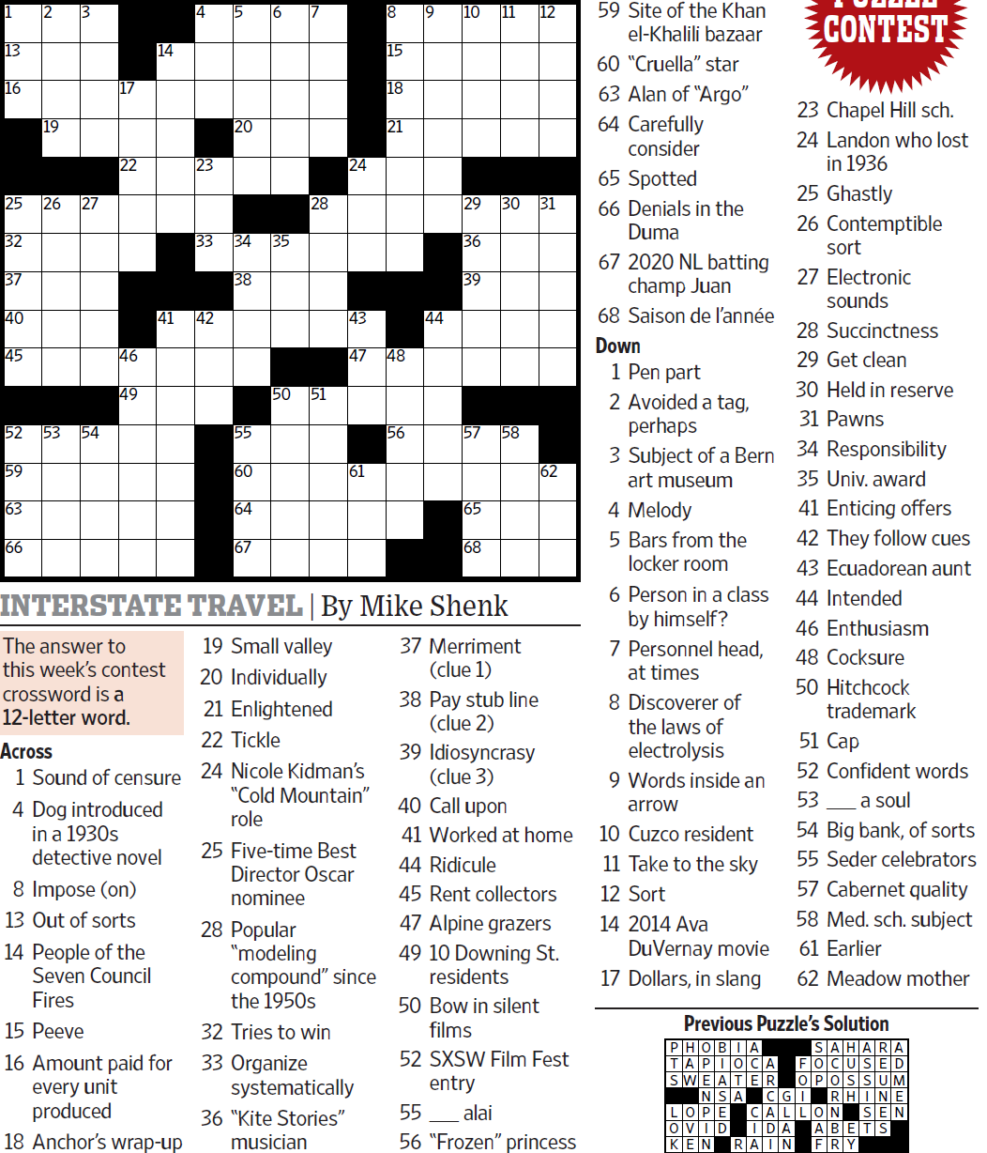
WSJCC — Mike Shenk — Interstate Travel — 9-3-2021 |  |  |  |  |  |  |  |  |  |  |  |  | # | 1
33
1
3
4
5
6
7
8
9
10
11
12
13
16
25
32
37
40
45
52
59
63
66
19
26
53
27
54
17
22
46
49
14
41
23
42
20
34
38
55
60
64
67
35
50
28
51
24
43
47
61
15
18
21
48
56
44
29
36
39
57
65
68
30
58
31
62
2

SAVE AS to your drive. Fill-in grid above & more grids show below.
To move clues & to create & edit Shapes: Review… Unprotect Sheet BE CAREFUL NOT TO MOVE, DELETE, NOR EDIT CLUE NUMBERS IN GRIDS rev20201030
PM Joe Ross w/questions & comments
Interstate Travel — a 12-letter word
 |  |  |  |  |  |  |  |  |  |  |  |  | # | 2
33
1
3
4
5
6
7
8
9
10
11
12
13
16
25
32
37
40
45
52
59
63
66
19
26
53
27
54
17
22
46
49
14
41
23
42
20
34
38
55
60
64
67
35
50
28
51
24
43
47
61
15
18
21
48
56
44
29
36
39
57
65
68
30
58
31
62
2
0 | 0 | 0 | 0 | 0 | 0 | 0 | 0 | 0 | 0 | 0 | 0 | 0 | 0 | 0
0 | 0 | 0 | 0 | 0 | 0 | 0 | 0 | 0 | 0 | 0 | 0 | 0 | 0 | 0
0 | 0 | 0 | 0 | 0 | 0 | 0 | 0 | 0 | 0 | 0 | 0 | 0 | 0 | 0
0 | 0 | 0 | 0 | 0 | 0 | 0 | 0 | 0 | 0 | 0 | 0 | 0 | 0 | 0
0 | 0 | 0 | 0 | 0 | 0 | 0 | 0 | 0 | 0 | 0 | 0 | 0 | 0 | 0
0 | 0 | 0 | 0 | 0 | 0 | 0 | 0 | 0 | 0 | 0 | 0 | 0 | 0 | 0
0 | 0 | 0 | 0 | 0 | 0 | 0 | 0 | 0 | 0 | 0 | 0 | 0 | 0 | 0
0 | 0 | 0 | 0 | 0 | 0 | 0 | 0 | 0 | 0 | 0 | 0 | 0 | 0 | 0
0 | 0 | 0 | 0 | 0 | 0 | 0 | 0 | 0 | 0 | 0 | 0 | 0 | 0 | 0
0 | 0 | 0 | 0 | 0 | 0 | 0 | 0 | 0 | 0 | 0 | 0 | 0 | 0 | 0
0 | 0 | 0 | 0 | 0 | 0 | 0 | 0 | 0 | 0 | 0 | 0 | 0 | 0 | 0
0 | 0 | 0 | 0 | 0 | 0 | 0 | 0 | 0 | 0 | 0 | 0 | 0 | 0 | 0
0 | 0 | 0 | 0 | 0 | 0 | 0 | 0 | 0 | 0 | 0 | 0 | 0 | 0 | 0
0 | 0 | 0 | 0 | 0 | 0 | 0 | 0 | 0 | 0 | 0 | 0 | 0 | 0 | 0
0 | 0 | 0 | 0 | 0 | 0 | 0 | 0 | 0 | 0 | 0 | 0 | 0 | 0 | 0
Interstate Travel — a 12-letter word
 |  |  |  |  |  |  |  |  |  |  |  |  | # | 3
33
1
3
4
5
6
7
8
9
10
11
12
13
16
25
32
37
40
45
52
59
63
66
19
26
53
27
54
17
22
46
49
14
41
23
42
20
34
38
55
60
64
67
35
50
28
51
24
43
47
61
15
18
21
48
56
44
29
36
39
57
65
68
30
0 | 0 | 0 | 0 | 0 | 0 | 0 | 0 | 0 | 0 | 0 | 0 | 0 | 0 | 0
0 | 0 | 0 | 0 | 0 | 0 | 0 | 0 | 0 | 0 | 0 | 0 | 0 | 0 | 0
0 | 0 | 0 | 0 | 0 | 0 | 0 | 0 | 0 | 0 | 0 | 0 | 0 | 0 | 0
0 | 0 | 0 | 0 | 0 | 0 | 0 | 0 | 0 | 0 | 0 | 0 | 0 | 0 | 0
0 | 0 | 0 | 0 | 0 | 0 | 0 | 0 | 0 | 0 | 0 | 0 | 0 | 0 | 0
0 | 0 | 0 | 0 | 0 | 0 | 0 | 0 | 0 | 0 | 0 | 0 | 0 | 0 | 0
0 | 0 | 0 | 0 | 0 | 0 | 0 | 0 | 0 | 0 | 0 | 0 | 0 | 0 | 0
0 | 0 | 0 | 0 | 0 | 0 | 0 | 0 | 0 | 0 | 0 | 0 | 0 | 0 | 0
0 | 0 | 0 | 0 | 0 | 0 | 0 | 0 | 0 | 0 | 0 | 0 | 0 | 0 | 0
0 | 0 | 0 | 0 | 0 | 0 | 0 | 0 | 0 | 0 | 0 | 0 | 0 | 0 | 0
0 | 0 | 0 | 0 | 0 | 0 | 0 | 0 | 0 | 0 | 0 | 0 | 0 | 0 | 0
0 | 0 | 0 | 0 | 0 | 0 | 0 | 0 | 0 | 0 | 0 | 0 | 0 | 0 | 0
0 | 0 | 0 | 0 | 0 | 0 | 0 | 0 | 0 | 0 | 0 | 0 | 0 | 0 | 0
0 | 0 | 0 | 0 | 0 | 0 | 0 | 0 | 0 | 0 | 0 | 0 | 0 | 0 | 0
0 | 0 | 0 | 0 | 0 | 0 | 0 | 0 | 0 | 0 | 0 | 0 | 0 | 0 | 0
Interstate Travel — a 12-letter word
 |  |  |  |  |  |  |  |  |  |  |  |  | # | 4 | -
0 | 0 | 0 | 0 | 0 | 0 | 0 | 0 | 0 | 0 | 0 | 0 | 0 | 0 | 0
0 | 0 | 0 | 0 | 0 | 0 | 0 | 0 | 0 | 0 | 0 | 0 | 0 | 0 | 0
0 | 0 | 0 | 0 | 0 | 0 | 0 | 0 | 0 | 0 | 0 | 0 | 0 | 0 | 0
0 | 0 | 0 | 0 | 0 | 0 | 0 | 0 | 0 | 0 | 0 | 0 | 0 | 0 | 0
0 | 0 | 0 | 0 | 0 | 0 | 0 | 0 | 0 | 0 | 0 | 0 | 0 | 0 | 0
0 | 0 | 0 | 0 | 0 | 0 | 0 | 0 | 0 | 0 | 0 | 0 | 0 | 0 | 0
0 | 0 | 0 | 0 | 0 | 0 | 0 | 0 | 0 | 0 | 0 | 0 | 0 | 0 | 0
0 | 0 | 0 | 0 | 0 | 0 | 0 | 0 | 0 | 0 | 0 | 0 | 0 | 0 | 0
0 | 0 | 0 | 0 | 0 | 0 | 0 | 0 | 0 | 0 | 0 | 0 | 0 | 0 | 0
0 | 0 | 0 | 0 | 0 | 0 | 0 | 0 | 0 | 0 | 0 | 0 | 0 | 0 | 0
0 | 0 | 0 | 0 | 0 | 0 | 0 | 0 | 0 | 0 | 0 | 0 | 0 | 0 | 0
0 | 0 | 0 | 0 | 0 | 0 | 0 | 0 | 0 | 0 | 0 | 0 | 0 | 0 | 0
0 | 0 | 0 | 0 | 0 | 0 | 0 | 0 | 0 | 0 | 0 | 0 | 0 | 0 | 0
0 | 0 | 0 | 0 | 0 | 0 | 0 | 0 | 0 | 0 | 0 | 0 | 0 | 0 | 0
0 | 0 | 0 | 0 | 0 | 0 | 0 | 0 | 0 | 0 | 0 | 0 | 0 | 0 | 0
Interstate Travel — a 12-letter word
 |  |  |  |  |  |  |  |  |  |  |  |  | # | 5
0 | 0 | 0 | 0 | 0 | 0 | 0 | 0 | 0 | 0 | 0 | 0 | 0 | 0 | 0
0 | 0 | 0 | 0 | 0 | 0 | 0 | 0 | 0 | 0 | 0 | 0 | 0 | 0 | 0
0 | 0 | 0 | 0 | 0 | 0 | 0 | 0 | 0 | 0 | 0 | 0 | 0 | 0 | 0
0 | 0 | 0 | 0 | 0 | 0 | 0 | 0 | 0 | 0 | 0 | 0 | 0 | 0 | 0
0 | 0 | 0 | 0 | 0 | 0 | 0 | 0 | 0 | 0 | 0 | 0 | 0 | 0 | 0
0 | 0 | 0 | 0 | 0 | 0 | 0 | 0 | 0 | 0 | 0 | 0 | 0 | 0 | 0
0 | 0 | 0 | 0 | 0 | 0 | 0 | 0 | 0 | 0 | 0 | 0 | 0 | 0 | 0
0 | 0 | 0 | 0 | 0 | 0 | 0 | 0 | 0 | 0 | 0 | 0 | 0 | 0 | 0
0 | 0 | 0 | 0 | 0 | 0 | 0 | 0 | 0 | 0 | 0 | 0 | 0 | 0 | 0
0 | 0 | 0 | 0 | 0 | 0 | 0 | 0 | 0 | 0 | 0 | 0 | 0 | 0 | 0
0 | 0 | 0 | 0 | 0 | 0 | 0 | 0 | 0 | 0 | 0 | 0 | 0 | 0 | 0
0 | 0 | 0 | 0 | 0 | 0 | 0 | 0 | 0 | 0 | 0 | 0 | 0 | 0 | 0
0 | 0 | 0 | 0 | 0 | 0 | 0 | 0 | 0 | 0 | 0 | 0 | 0 | 0 | 0
0 | 0 | 0 | 0 | 0 | 0 | 0 | 0 | 0 | 0 | 0 | 0 | 0 | 0 | 0
0 | 0 | 0 | 0 | 0 | 0 | 0 | 0 | 0 | 0 | 0 | 0 | 0 | 0 | 0
Interstate Travel — a 12-letter word
 |  |  |  |  |  |  |  |  |  |  |  |  | # | 6
0 | 0 | 0 | 0 | 0 | 0 | 0 | 0 | 0 | 0 | 0 | 0 | 0 | 0 | 0
0 | 0 | 0 | 0 | 0 | 0 | 0 | 0 | 0 | 0 | 0 | 0 | 0 | 0 | 0
0 | 0 | 0 | 0 | 0 | 0 | 0 | 0 | 0 | 0 | 0 | 0 | 0 | 0 | 0
0 | 0 | 0 | 0 | 0 | 0 | 0 | 0 | 0 | 0 | 0 | 0 | 0 | 0 | 0
0 | 0 | 0 | 0 | 0 | 0 | 0 | 0 | 0 | 0 | 0 | 0 | 0 | 0 | 0
0 | 0 | 0 | 0 | 0 | 0 | 0 | 0 | 0 | 0 | 0 | 0 | 0 | 0 | 0
0 | 0 | 0 | 0 | 0 | 0 | 0 | 0 | 0 | 0 | 0 | 0 | 0 | 0 | 0
0 | 0 | 0 | 0 | 0 | 0 | 0 | 0 | 0 | 0 | 0 | 0 | 0 | 0 | 0
0 | 0 | 0 | 0 | 0 | 0 | 0 | 0 | 0 | 0 | 0 | 0 | 0 | 0 | 0
0 | 0 | 0 | 0 | 0 | 0 | 0 | 0 | 0 | 0 | 0 | 0 | 0 | 0 | 0
0 | 0 | 0 | 0 | 0 | 0 | 0 | 0 | 0 | 0 | 0 | 0 | 0 | 0 | 0
0 | 0 | 0 | 0 | 0 | 0 | 0 | 0 | 0 | 0 | 0 | 0 | 0 | 0 | 0
0 | 0 | 0 | 0 | 0 | 0 | 0 | 0 | 0 | 0 | 0 | 0 | 0 | 0 | 0
0 | 0 | 0 | 0 | 0 | 0 | 0 | 0 | 0 | 0 | 0 | 0 | 0 | 0 | 0
0 | 0 | 0 | 0 | 0 | 0 | 0 | 0 | 0 | 0 | 0 | 0 | 0 | 0 | 0
Interstate Travel — a 12-letter word
 |  |  |  |  |  |  |  |  |  |  |  |  | # | 7 | -
0 | 0 | 0 | 0 | 0 | 0 | 0 | 0 | 0 | 0 | 0 | 0 | 0 | 0 | 0
0 | 0 | 0 | 0 | 0 | 0 | 0 | 0 | 0 | 0 | 0 | 0 | 0 | 0 | 0
0 | 0 | 0 | 0 | 0 | 0 | 0 | 0 | 0 | 0 | 0 | 0 | 0 | 0 | 0
0 | 0 | 0 | 0 | 0 | 0 | 0 | 0 | 0 | 0 | 0 | 0 | 0 | 0 | 0
0 | 0 | 0 | 0 | 0 | 0 | 0 | 0 | 0 | 0 | 0 | 0 | 0 | 0 | 0
0 | 0 | 0 | 0 | 0 | 0 | 0 | 0 | 0 | 0 | 0 | 0 | 0 | 0 | 0
0 | 0 | 0 | 0 | 0 | 0 | 0 | 0 | 0 | 0 | 0 | 0 | 0 | 0 | 0
0 | 0 | 0 | 0 | 0 | 0 | 0 | 0 | 0 | 0 | 0 | 0 | 0 | 0 | 0
0 | 0 | 0 | 0 | 0 | 0 | 0 | 0 | 0 | 0 | 0 | 0 | 0 | 0 | 0
0 | 0 | 0 | 0 | 0 | 0 | 0 | 0 | 0 | 0 | 0 | 0 | 0 | 0 | 0
0 | 0 | 0 | 0 | 0 | 0 | 0 | 0 | 0 | 0 | 0 | 0 | 0 | 0 | 0
0 | 0 | 0 | 0 | 0 | 0 | 0 | 0 | 0 | 0 | 0 | 0 | 0 | 0 | 0
0 | 0 | 0 | 0 | 0 | 0 | 0 | 0 | 0 | 0 | 0 | 0 | 0 | 0 | 0
0 | 0 | 0 | 0 | 0 | 0 | 0 | 0 | 0 | 0 | 0 | 0 | 0 | 0 | 0
0 | 0 | 0 | 0 | 0 | 0 | 0 | 0 | 0 | 0 | 0 | 0 | 0 | 0 | 0
Interstate Travel — a 12-letter word
 |  |  |  |  |  |  |  |  |  |  |  |  | # | 8
0 | 0 | 0 | 0 | 0 | 0 | 0 | 0 | 0 | 0 | 0 | 0 | 0 | 0 | 0
0 | 0 | 0 | 0 | 0 | 0 | 0 | 0 | 0 | 0 | 0 | 0 | 0 | 0 | 0
0 | 0 | 0 | 0 | 0 | 0 | 0 | 0 | 0 | 0 | 0 | 0 | 0 | 0 | 0
0 | 0 | 0 | 0 | 0 | 0 | 0 | 0 | 0 | 0 | 0 | 0 | 0 | 0 | 0
0 | 0 | 0 | 0 | 0 | 0 | 0 | 0 | 0 | 0 | 0 | 0 | 0 | 0 | 0
0 | 0 | 0 | 0 | 0 | 0 | 0 | 0 | 0 | 0 | 0 | 0 | 0 | 0 | 0
0 | 0 | 0 | 0 | 0 | 0 | 0 | 0 | 0 | 0 | 0 | 0 | 0 | 0 | 0
0 | 0 | 0 | 0 | 0 | 0 | 0 | 0 | 0 | 0 | 0 | 0 | 0 | 0 | 0
0 | 0 | 0 | 0 | 0 | 0 | 0 | 0 | 0 | 0 | 0 | 0 | 0 | 0 | 0
0 | 0 | 0 | 0 | 0 | 0 | 0 | 0 | 0 | 0 | 0 | 0 | 0 | 0 | 0
0 | 0 | 0 | 0 | 0 | 0 | 0 | 0 | 0 | 0 | 0 | 0 | 0 | 0 | 0
0 | 0 | 0 | 0 | 0 | 0 | 0 | 0 | 0 | 0 | 0 | 0 | 0 | 0 | 0
0 | 0 | 0 | 0 | 0 | 0 | 0 | 0 | 0 | 0 | 0 | 0 | 0 | 0 | 0
0 | 0 | 0 | 0 | 0 | 0 | 0 | 0 | 0 | 0 | 0 | 0 | 0 | 0 | 0
0 | 0 | 0 | 0 | 0 | 0 | 0 | 0 | 0 | 0 | 0 | 0 | 0 | 0 | 0
Interstate Travel — a 12-letter word
 |  |  |  |  |  |  |  |  |  |  |  |  | # | 9 | -
0 | 0 | 0 | 0 | 0 | 0 | 0 | 0 | 0 | 0 | 0 | 0 | 0 | 0 | 0
0 | 0 | 0 | 0 | 0 | 0 | 0 | 0 | 0 | 0 | 0 | 0 | 0 | 0 | 0
0 | 0 | 0 | 0 | 0 | 0 | 0 | 0 | 0 | 0 | 0 | 0 | 0 | 0 | 0
0 | 0 | 0 | 0 | 0 | 0 | 0 | 0 | 0 | 0 | 0 | 0 | 0 | 0 | 0
0 | 0 | 0 | 0 | 0 | 0 | 0 | 0 | 0 | 0 | 0 | 0 | 0 | 0 | 0
0 | 0 | 0 | 0 | 0 | 0 | 0 | 0 | 0 | 0 | 0 | 0 | 0 | 0 | 0
0 | 0 | 0 | 0 | 0 | 0 | 0 | 0 | 0 | 0 | 0 | 0 | 0 | 0 | 0
0 | 0 | 0 | 0 | 0 | 0 | 0 | 0 | 0 | 0 | 0 | 0 | 0 | 0 | 0
0 | 0 | 0 | 0 | 0 | 0 | 0 | 0 | 0 | 0 | 0 | 0 | 0 | 0 | 0
0 | 0 | 0 | 0 | 0 | 0 | 0 | 0 | 0 | 0 | 0 | 0 | 0 | 0 | 0
0 | 0 | 0 | 0 | 0 | 0 | 0 | 0 | 0 | 0 | 0 | 0 | 0 | 0 | 0
0 | 0 | 0 | 0 | 0 | 0 | 0 | 0 | 0 | 0 | 0 | 0 | 0 | 0 | 0
0 | 0 | 0 | 0 | 0 | 0 | 0 | 0 | 0 | 0 | 0 | 0 | 0 | 0 | 0
0 | 0 | 0 | 0 | 0 | 0 | 0 | 0 | 0 | 0 | 0 | 0 | 0 | 0 | 0
0 | 0 | 0 | 0 | 0 | 0 | 0 | 0 | 0 | 0 | 0 | 0 | 0 | 0 | 0
Interstate Travel — a 12-letter word
 |  |  |  |  |  |  |  |  |  |  |  |  | # | 10 | -
0 | 0 | 0 | 0 | 0 | 0 | 0 | 0 | 0 | 0 | 0 | 0 | 0 | 0 | 0
0 | 0 | 0 | 0 | 0 | 0 | 0 | 0 | 0 | 0 | 0 | 0 | 0 | 0 | 0
0 | 0 | 0 | 0 | 0 | 0 | 0 | 0 | 0 | 0 | 0 | 0 | 0 | 0 | 0
0 | 0 | 0 | 0 | 0 | 0 | 0 | 0 | 0 | 0 | 0 | 0 | 0 | 0 | 0
0 | 0 | 0 | 0 | 0 | 0 | 0 | 0 | 0 | 0 | 0 | 0 | 0 | 0 | 0
0 | 0 | 0 | 0 | 0 | 0 | 0 | 0 | 0 | 0 | 0 | 0 | 0 | 0 | 0
0 | 0 | 0 | 0 | 0 | 0 | 0 | 0 | 0 | 0 | 0 | 0 | 0 | 0 | 0
0 | 0 | 0 | 0 | 0 | 0 | 0 | 0 | 0 | 0 | 0 | 0 | 0 | 0 | 0
0 | 0 | 0 | 0 | 0 | 0 | 0 | 0 | 0 | 0 | 0 | 0 | 0 | 0 | 0
0 | 0 | 0 | 0 | 0 | 0 | 0 | 0 | 0 | 0 | 0 | 0 | 0 | 0 | 0
0 | 0 | 0 | 0 | 0 | 0 | 0 | 0 | 0 | 0 | 0 | 0 | 0 | 0 | 0
0 | 0 | 0 | 0 | 0 | 0 | 0 | 0 | 0 | 0 | 0 | 0 | 0 | 0 | 0
0 | 0 | 0 | 0 | 0 | 0 | 0 | 0 | 0 | 0 | 0 | 0 | 0 | 0 | 0
0 | 0 | 0 | 0 | 0 | 0 | 0 | 0 | 0 | 0 | 0 | 0 | 0 | 0 | 0
...

