Puzzle
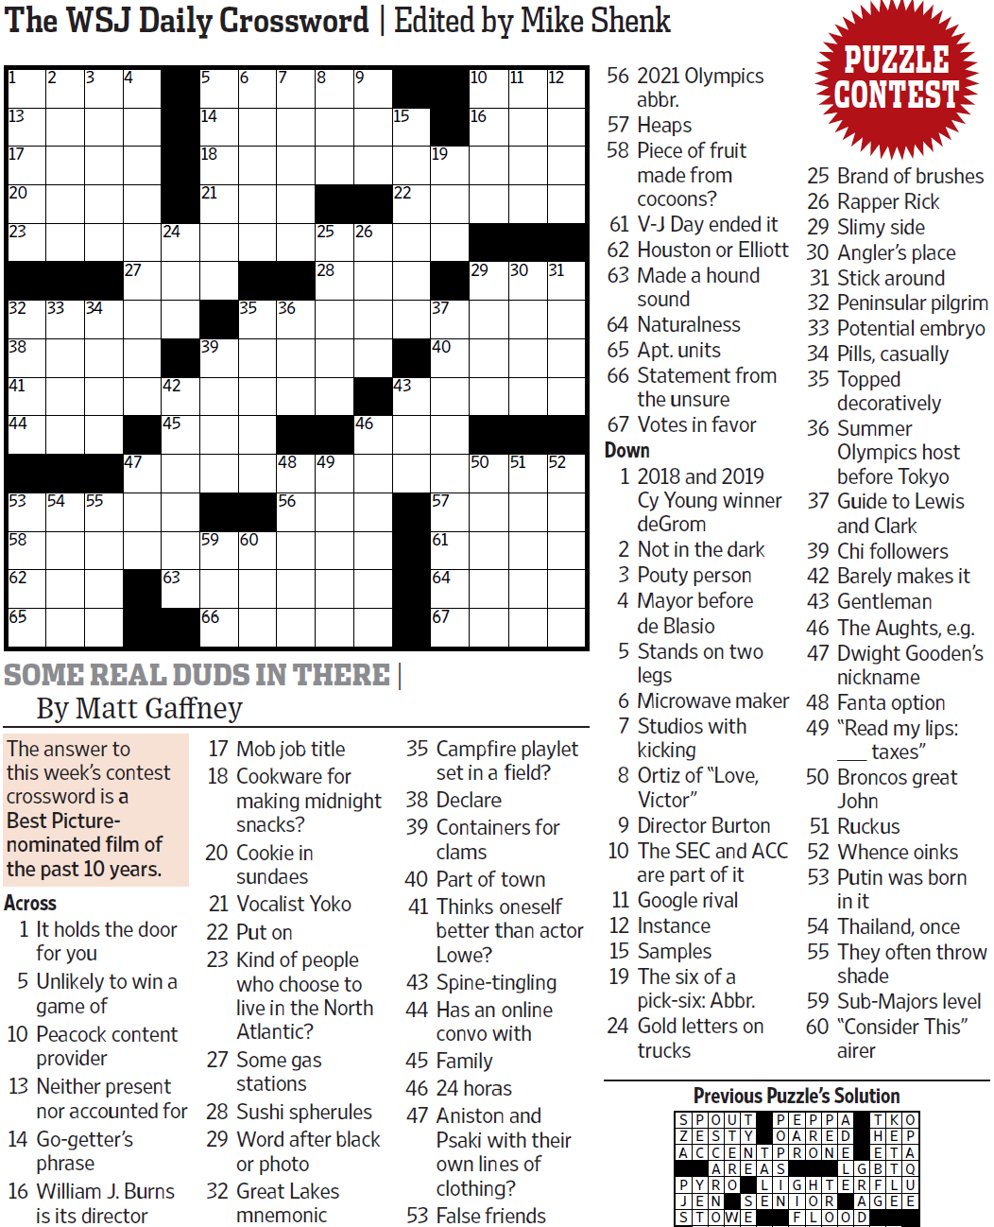
WSJCC — Matt Gaffney — Some Real Duds in There — 8-27-2021 |  |  |  |  |  |  |  |  |  |  |  |  | # | 1
1
3
4
5
6
7
8
9
10
11
12
13
17
20
23
32
38
41
44
53
58
62
65
33
54
34
55
27
47
24
42
45
63
14
18
21
39
59
66
35
60
36
48
56
25
28
49
26
46
15
22
43
19
37
40
57
61
64
67
16
29
50
30
51
31
52
2

SAVE AS to your drive. Fill-in grid above & more grids show below.
To move clues & to create & edit Shapes: Review… Unprotect Sheet BE CAREFUL NOT TO MOVE, DELETE, NOR EDIT CLUE NUMBERS IN GRIDS rev20201030
PM Joe Ross w/questions & comments
Some Real Duds in There — a Best-Picture nominated film of the past 10 years
 |  |  |  |  |  |  |  |  |  |  |  |  | # | 2
1
3
4
5
6
7
8
9
10
11
12
13
17
20
23
32
38
41
44
53
58
62
65
33
54
34
55
27
47
24
42
45
63
14
18
21
39
59
66
35
60
36
48
56
25
28
49
26
46
15
22
43
19
37
40
57
61
64
67
16
29
50
30
51
31
52
2
0 | 0 | 0 | 0 | 0 | 0 | 0 | 0 | 0 | 0 | 0 | 0 | 0 | 0 | 0
0 | 0 | 0 | 0 | 0 | 0 | 0 | 0 | 0 | 0 | 0 | 0 | 0 | 0 | 0
0 | 0 | 0 | 0 | 0 | 0 | 0 | 0 | 0 | 0 | 0 | 0 | 0 | 0 | 0
0 | 0 | 0 | 0 | 0 | 0 | 0 | 0 | 0 | 0 | 0 | 0 | 0 | 0 | 0
0 | 0 | 0 | 0 | 0 | 0 | 0 | 0 | 0 | 0 | 0 | 0 | 0 | 0 | 0
0 | 0 | 0 | 0 | 0 | 0 | 0 | 0 | 0 | 0 | 0 | 0 | 0 | 0 | 0
0 | 0 | 0 | 0 | 0 | 0 | 0 | 0 | 0 | 0 | 0 | 0 | 0 | 0 | 0
0 | 0 | 0 | 0 | 0 | 0 | 0 | 0 | 0 | 0 | 0 | 0 | 0 | 0 | 0
0 | 0 | 0 | 0 | 0 | 0 | 0 | 0 | 0 | 0 | 0 | 0 | 0 | 0 | 0
0 | 0 | 0 | 0 | 0 | 0 | 0 | 0 | 0 | 0 | 0 | 0 | 0 | 0 | 0
0 | 0 | 0 | 0 | 0 | 0 | 0 | 0 | 0 | 0 | 0 | 0 | 0 | 0 | 0
0 | 0 | 0 | 0 | 0 | 0 | 0 | 0 | 0 | 0 | 0 | 0 | 0 | 0 | 0
0 | 0 | 0 | 0 | 0 | 0 | 0 | 0 | 0 | 0 | 0 | 0 | 0 | 0 | 0
0 | 0 | 0 | 0 | 0 | 0 | 0 | 0 | 0 | 0 | 0 | 0 | 0 | 0 | 0
0 | 0 | 0 | 0 | 0 | 0 | 0 | 0 | 0 | 0 | 0 | 0 | 0 | 0 | 0
Some Real Duds in There — a Best-Picture nominated film of the past 10 years
 |  |  |  |  |  |  |  |  |  |  |  |  | # | 3
1
3
4
5
6
7
8
9
10
11
12
13
17
20
23
32
38
41
44
53
58
62
65
33
54
34
55
27
47
24
42
45
63
14
18
21
39
59
66
35
60
36
48
56
25
28
49
26
46
15
22
43
19
37
40
57
61
64
67
16
29
50
30
51
31
52
0 | 0 | 0 | 0 | 0 | 0 | 0 | 0 | 0 | 0 | 0 | 0 | 0 | 0 | 0
0 | 0 | 0 | 0 | 0 | 0 | 0 | 0 | 0 | 0 | 0 | 0 | 0 | 0 | 0
0 | 0 | 0 | 0 | 0 | 0 | 0 | 0 | 0 | 0 | 0 | 0 | 0 | 0 | 0
0 | 0 | 0 | 0 | 0 | 0 | 0 | 0 | 0 | 0 | 0 | 0 | 0 | 0 | 0
0 | 0 | 0 | 0 | 0 | 0 | 0 | 0 | 0 | 0 | 0 | 0 | 0 | 0 | 0
0 | 0 | 0 | 0 | 0 | 0 | 0 | 0 | 0 | 0 | 0 | 0 | 0 | 0 | 0
0 | 0 | 0 | 0 | 0 | 0 | 0 | 0 | 0 | 0 | 0 | 0 | 0 | 0 | 0
0 | 0 | 0 | 0 | 0 | 0 | 0 | 0 | 0 | 0 | 0 | 0 | 0 | 0 | 0
0 | 0 | 0 | 0 | 0 | 0 | 0 | 0 | 0 | 0 | 0 | 0 | 0 | 0 | 0
0 | 0 | 0 | 0 | 0 | 0 | 0 | 0 | 0 | 0 | 0 | 0 | 0 | 0 | 0
0 | 0 | 0 | 0 | 0 | 0 | 0 | 0 | 0 | 0 | 0 | 0 | 0 | 0 | 0
0 | 0 | 0 | 0 | 0 | 0 | 0 | 0 | 0 | 0 | 0 | 0 | 0 | 0 | 0
0 | 0 | 0 | 0 | 0 | 0 | 0 | 0 | 0 | 0 | 0 | 0 | 0 | 0 | 0
0 | 0 | 0 | 0 | 0 | 0 | 0 | 0 | 0 | 0 | 0 | 0 | 0 | 0 | 0
0 | 0 | 0 | 0 | 0 | 0 | 0 | 0 | 0 | 0 | 0 | 0 | 0 | 0 | 0
Some Real Duds in There — a Best-Picture nominated film of the past 10 years
 |  |  |  |  |  |  |  |  |  |  |  |  | # | 4 | -
0 | 0 | 0 | 0 | 0 | 0 | 0 | 0 | 0 | 0 | 0 | 0 | 0 | 0 | 0
0 | 0 | 0 | 0 | 0 | 0 | 0 | 0 | 0 | 0 | 0 | 0 | 0 | 0 | 0
0 | 0 | 0 | 0 | 0 | 0 | 0 | 0 | 0 | 0 | 0 | 0 | 0 | 0 | 0
0 | 0 | 0 | 0 | 0 | 0 | 0 | 0 | 0 | 0 | 0 | 0 | 0 | 0 | 0
0 | 0 | 0 | 0 | 0 | 0 | 0 | 0 | 0 | 0 | 0 | 0 | 0 | 0 | 0
0 | 0 | 0 | 0 | 0 | 0 | 0 | 0 | 0 | 0 | 0 | 0 | 0 | 0 | 0
0 | 0 | 0 | 0 | 0 | 0 | 0 | 0 | 0 | 0 | 0 | 0 | 0 | 0 | 0
0 | 0 | 0 | 0 | 0 | 0 | 0 | 0 | 0 | 0 | 0 | 0 | 0 | 0 | 0
0 | 0 | 0 | 0 | 0 | 0 | 0 | 0 | 0 | 0 | 0 | 0 | 0 | 0 | 0
0 | 0 | 0 | 0 | 0 | 0 | 0 | 0 | 0 | 0 | 0 | 0 | 0 | 0 | 0
0 | 0 | 0 | 0 | 0 | 0 | 0 | 0 | 0 | 0 | 0 | 0 | 0 | 0 | 0
0 | 0 | 0 | 0 | 0 | 0 | 0 | 0 | 0 | 0 | 0 | 0 | 0 | 0 | 0
0 | 0 | 0 | 0 | 0 | 0 | 0 | 0 | 0 | 0 | 0 | 0 | 0 | 0 | 0
0 | 0 | 0 | 0 | 0 | 0 | 0 | 0 | 0 | 0 | 0 | 0 | 0 | 0 | 0
0 | 0 | 0 | 0 | 0 | 0 | 0 | 0 | 0 | 0 | 0 | 0 | 0 | 0 | 0
Some Real Duds in There — a Best-Picture nominated film of the past 10 years
 |  |  |  |  |  |  |  |  |  |  |  |  | # | 5
0 | 0 | 0 | 0 | 0 | 0 | 0 | 0 | 0 | 0 | 0 | 0 | 0 | 0 | 0
0 | 0 | 0 | 0 | 0 | 0 | 0 | 0 | 0 | 0 | 0 | 0 | 0 | 0 | 0
0 | 0 | 0 | 0 | 0 | 0 | 0 | 0 | 0 | 0 | 0 | 0 | 0 | 0 | 0
0 | 0 | 0 | 0 | 0 | 0 | 0 | 0 | 0 | 0 | 0 | 0 | 0 | 0 | 0
0 | 0 | 0 | 0 | 0 | 0 | 0 | 0 | 0 | 0 | 0 | 0 | 0 | 0 | 0
0 | 0 | 0 | 0 | 0 | 0 | 0 | 0 | 0 | 0 | 0 | 0 | 0 | 0 | 0
0 | 0 | 0 | 0 | 0 | 0 | 0 | 0 | 0 | 0 | 0 | 0 | 0 | 0 | 0
0 | 0 | 0 | 0 | 0 | 0 | 0 | 0 | 0 | 0 | 0 | 0 | 0 | 0 | 0
0 | 0 | 0 | 0 | 0 | 0 | 0 | 0 | 0 | 0 | 0 | 0 | 0 | 0 | 0
0 | 0 | 0 | 0 | 0 | 0 | 0 | 0 | 0 | 0 | 0 | 0 | 0 | 0 | 0
0 | 0 | 0 | 0 | 0 | 0 | 0 | 0 | 0 | 0 | 0 | 0 | 0 | 0 | 0
0 | 0 | 0 | 0 | 0 | 0 | 0 | 0 | 0 | 0 | 0 | 0 | 0 | 0 | 0
0 | 0 | 0 | 0 | 0 | 0 | 0 | 0 | 0 | 0 | 0 | 0 | 0 | 0 | 0
0 | 0 | 0 | 0 | 0 | 0 | 0 | 0 | 0 | 0 | 0 | 0 | 0 | 0 | 0
0 | 0 | 0 | 0 | 0 | 0 | 0 | 0 | 0 | 0 | 0 | 0 | 0 | 0 | 0
Some Real Duds in There — a Best-Picture nominated film of the past 10 years
 |  |  |  |  |  |  |  |  |  |  |  |  | # | 6
0 | 0 | 0 | 0 | 0 | 0 | 0 | 0 | 0 | 0 | 0 | 0 | 0 | 0 | 0
0 | 0 | 0 | 0 | 0 | 0 | 0 | 0 | 0 | 0 | 0 | 0 | 0 | 0 | 0
0 | 0 | 0 | 0 | 0 | 0 | 0 | 0 | 0 | 0 | 0 | 0 | 0 | 0 | 0
0 | 0 | 0 | 0 | 0 | 0 | 0 | 0 | 0 | 0 | 0 | 0 | 0 | 0 | 0
0 | 0 | 0 | 0 | 0 | 0 | 0 | 0 | 0 | 0 | 0 | 0 | 0 | 0 | 0
0 | 0 | 0 | 0 | 0 | 0 | 0 | 0 | 0 | 0 | 0 | 0 | 0 | 0 | 0
0 | 0 | 0 | 0 | 0 | 0 | 0 | 0 | 0 | 0 | 0 | 0 | 0 | 0 | 0
0 | 0 | 0 | 0 | 0 | 0 | 0 | 0 | 0 | 0 | 0 | 0 | 0 | 0 | 0
0 | 0 | 0 | 0 | 0 | 0 | 0 | 0 | 0 | 0 | 0 | 0 | 0 | 0 | 0
0 | 0 | 0 | 0 | 0 | 0 | 0 | 0 | 0 | 0 | 0 | 0 | 0 | 0 | 0
0 | 0 | 0 | 0 | 0 | 0 | 0 | 0 | 0 | 0 | 0 | 0 | 0 | 0 | 0
0 | 0 | 0 | 0 | 0 | 0 | 0 | 0 | 0 | 0 | 0 | 0 | 0 | 0 | 0
0 | 0 | 0 | 0 | 0 | 0 | 0 | 0 | 0 | 0 | 0 | 0 | 0 | 0 | 0
0 | 0 | 0 | 0 | 0 | 0 | 0 | 0 | 0 | 0 | 0 | 0 | 0 | 0 | 0
0 | 0 | 0 | 0 | 0 | 0 | 0 | 0 | 0 | 0 | 0 | 0 | 0 | 0 | 0
Some Real Duds in There — a Best-Picture nominated film of the past 10 years
 |  |  |  |  |  |  |  |  |  |  |  |  | # | 7 | -
0 | 0 | 0 | 0 | 0 | 0 | 0 | 0 | 0 | 0 | 0 | 0 | 0 | 0 | 0
0 | 0 | 0 | 0 | 0 | 0 | 0 | 0 | 0 | 0 | 0 | 0 | 0 | 0 | 0
0 | 0 | 0 | 0 | 0 | 0 | 0 | 0 | 0 | 0 | 0 | 0 | 0 | 0 | 0
0 | 0 | 0 | 0 | 0 | 0 | 0 | 0 | 0 | 0 | 0 | 0 | 0 | 0 | 0
0 | 0 | 0 | 0 | 0 | 0 | 0 | 0 | 0 | 0 | 0 | 0 | 0 | 0 | 0
0 | 0 | 0 | 0 | 0 | 0 | 0 | 0 | 0 | 0 | 0 | 0 | 0 | 0 | 0
0 | 0 | 0 | 0 | 0 | 0 | 0 | 0 | 0 | 0 | 0 | 0 | 0 | 0 | 0
0 | 0 | 0 | 0 | 0 | 0 | 0 | 0 | 0 | 0 | 0 | 0 | 0 | 0 | 0
0 | 0 | 0 | 0 | 0 | 0 | 0 | 0 | 0 | 0 | 0 | 0 | 0 | 0 | 0
0 | 0 | 0 | 0 | 0 | 0 | 0 | 0 | 0 | 0 | 0 | 0 | 0 | 0 | 0
0 | 0 | 0 | 0 | 0 | 0 | 0 | 0 | 0 | 0 | 0 | 0 | 0 | 0 | 0
0 | 0 | 0 | 0 | 0 | 0 | 0 | 0 | 0 | 0 | 0 | 0 | 0 | 0 | 0
0 | 0 | 0 | 0 | 0 | 0 | 0 | 0 | 0 | 0 | 0 | 0 | 0 | 0 | 0
0 | 0 | 0 | 0 | 0 | 0 | 0 | 0 | 0 | 0 | 0 | 0 | 0 | 0 | 0
0 | 0 | 0 | 0 | 0 | 0 | 0 | 0 | 0 | 0 | 0 | 0 | 0 | 0 | 0
Some Real Duds in There — a Best-Picture nominated film of the past 10 years
 |  |  |  |  |  |  |  |  |  |  |  |  | # | 8
0 | 0 | 0 | 0 | 0 | 0 | 0 | 0 | 0 | 0 | 0 | 0 | 0 | 0 | 0
0 | 0 | 0 | 0 | 0 | 0 | 0 | 0 | 0 | 0 | 0 | 0 | 0 | 0 | 0
0 | 0 | 0 | 0 | 0 | 0 | 0 | 0 | 0 | 0 | 0 | 0 | 0 | 0 | 0
0 | 0 | 0 | 0 | 0 | 0 | 0 | 0 | 0 | 0 | 0 | 0 | 0 | 0 | 0
0 | 0 | 0 | 0 | 0 | 0 | 0 | 0 | 0 | 0 | 0 | 0 | 0 | 0 | 0
0 | 0 | 0 | 0 | 0 | 0 | 0 | 0 | 0 | 0 | 0 | 0 | 0 | 0 | 0
0 | 0 | 0 | 0 | 0 | 0 | 0 | 0 | 0 | 0 | 0 | 0 | 0 | 0 | 0
0 | 0 | 0 | 0 | 0 | 0 | 0 | 0 | 0 | 0 | 0 | 0 | 0 | 0 | 0
0 | 0 | 0 | 0 | 0 | 0 | 0 | 0 | 0 | 0 | 0 | 0 | 0 | 0 | 0
0 | 0 | 0 | 0 | 0 | 0 | 0 | 0 | 0 | 0 | 0 | 0 | 0 | 0 | 0
0 | 0 | 0 | 0 | 0 | 0 | 0 | 0 | 0 | 0 | 0 | 0 | 0 | 0 | 0
0 | 0 | 0 | 0 | 0 | 0 | 0 | 0 | 0 | 0 | 0 | 0 | 0 | 0 | 0
0 | 0 | 0 | 0 | 0 | 0 | 0 | 0 | 0 | 0 | 0 | 0 | 0 | 0 | 0
0 | 0 | 0 | 0 | 0 | 0 | 0 | 0 | 0 | 0 | 0 | 0 | 0 | 0 | 0
0 | 0 | 0 | 0 | 0 | 0 | 0 | 0 | 0 | 0 | 0 | 0 | 0 | 0 | 0
Some Real Duds in There — a Best-Picture nominated film of the past 10 years
 |  |  |  |  |  |  |  |  |  |  |  |  | # | 9 | -
0 | 0 | 0 | 0 | 0 | 0 | 0 | 0 | 0 | 0 | 0 | 0 | 0 | 0 | 0
0 | 0 | 0 | 0 | 0 | 0 | 0 | 0 | 0 | 0 | 0 | 0 | 0 | 0 | 0
0 | 0 | 0 | 0 | 0 | 0 | 0 | 0 | 0 | 0 | 0 | 0 | 0 | 0 | 0
0 | 0 | 0 | 0 | 0 | 0 | 0 | 0 | 0 | 0 | 0 | 0 | 0 | 0 | 0
0 | 0 | 0 | 0 | 0 | 0 | 0 | 0 | 0 | 0 | 0 | 0 | 0 | 0 | 0
0 | 0 | 0 | 0 | 0 | 0 | 0 | 0 | 0 | 0 | 0 | 0 | 0 | 0 | 0
0 | 0 | 0 | 0 | 0 | 0 | 0 | 0 | 0 | 0 | 0 | 0 | 0 | 0 | 0
0 | 0 | 0 | 0 | 0 | 0 | 0 | 0 | 0 | 0 | 0 | 0 | 0 | 0 | 0
0 | 0 | 0 | 0 | 0 | 0 | 0 | 0 | 0 | 0 | 0 | 0 | 0 | 0 | 0
0 | 0 | 0 | 0 | 0 | 0 | 0 | 0 | 0 | 0 | 0 | 0 | 0 | 0 | 0
0 | 0 | 0 | 0 | 0 | 0 | 0 | 0 | 0 | 0 | 0 | 0 | 0 | 0 | 0
0 | 0 | 0 | 0 | 0 | 0 | 0 | 0 | 0 | 0 | 0 | 0 | 0 | 0 | 0
0 | 0 | 0 | 0 | 0 | 0 | 0 | 0 | 0 | 0 | 0 | 0 | 0 | 0 | 0
0 | 0 | 0 | 0 | 0 | 0 | 0 | 0 | 0 | 0 | 0 | 0 | 0 | 0 | 0
0 | 0 | 0 | 0 | 0 | 0 | 0 | 0 | 0 | 0 | 0 | 0 | 0 | 0 | 0
Some Real Duds in There — a Best-Picture nominated film of the past 10 years
 |  |  |  |  |  |  |  |  |  |  |  |  | # | 10 | -
0 | 0 | 0 | 0 | 0 | 0 | 0 | 0 | 0 | 0 | 0 | 0 | 0 | 0 | 0
0 | 0 | 0 | 0 | 0 | 0 | 0 | 0 | 0 | 0 | 0 | 0 | 0 | 0 | 0
0 | 0 | 0 | 0 | 0 | 0 | 0 | 0 | 0 | 0 | 0 | 0 | 0 | 0 | 0
0 | 0 | 0 | 0 | 0 | 0 | 0 | 0 | 0 | 0 | 0 | 0 | 0 | 0 | 0
0 | 0 | 0 | 0 | 0 | 0 | 0 | 0 | 0 | 0 | 0 | 0 | 0 | 0 | 0
0 | 0 | 0 | 0 | 0 | 0 | 0 | 0 | 0 | 0 | 0 | 0 | 0 | 0 | 0
0 | 0 | 0 | 0 | 0 | 0 | 0 | 0 | 0 | 0 | 0 | 0 | 0 | 0 | 0
0 | 0 | 0 | 0 | 0 | 0 | 0 | 0 | 0 | 0 | 0 | 0 | 0 | 0 | 0
0 | 0 | 0 | 0 | 0 | 0 | 0 | 0 | 0 | 0 | 0 | 0 | 0 | 0 | 0
0 | 0 | 0 | 0 | 0 | 0 | 0 | 0 | 0 | 0 | 0 | 0 | 0 | 0 | 0
...

