Puzzle
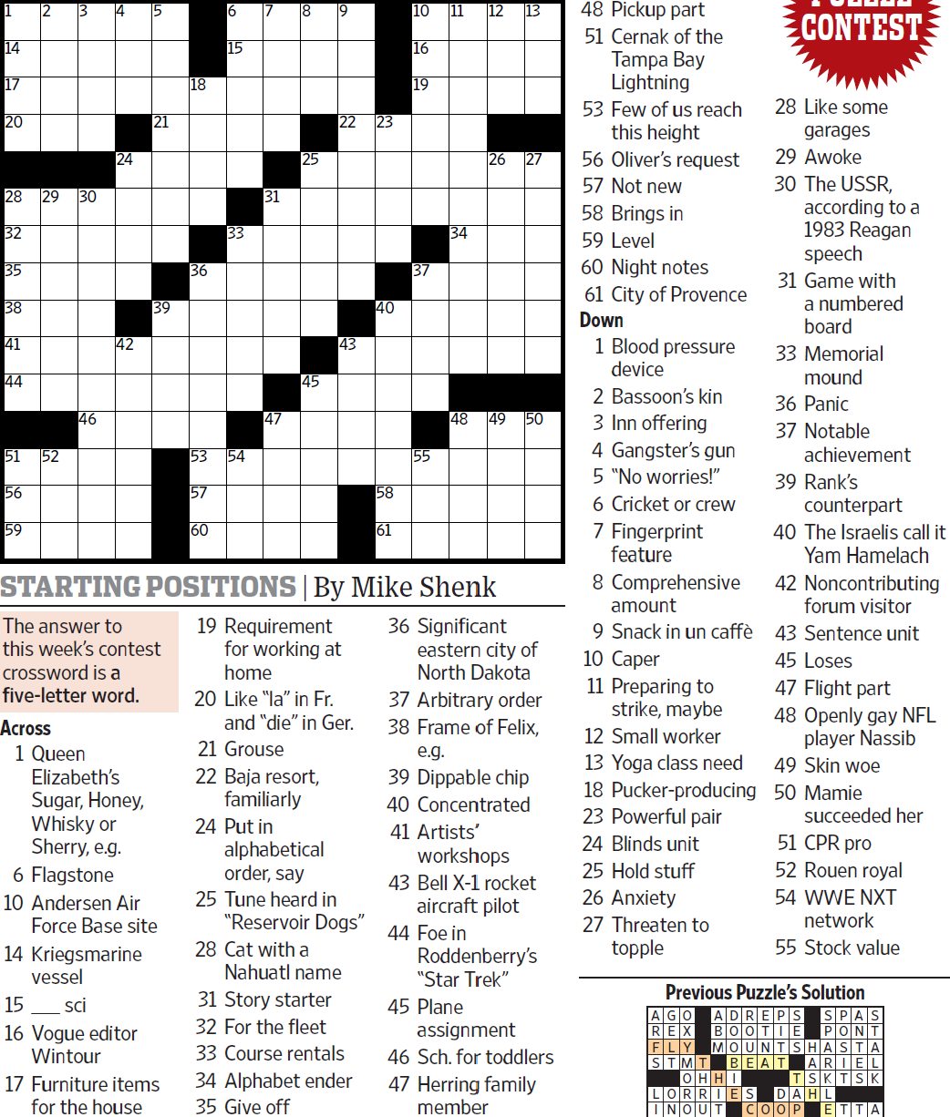
WSJCC — Mike Shenk — Starting Positions — 8-20-2021 |  |  |  |  |  |  |  |  |  |  |  |  | # | 1
1
3
4
5
6
7
8
9
10
11
12
13
14
17
20
28
32
35
38
41
44
51
56
59
29
52
30
46
24
42
21
39
18
36
53
57
60
15
33
54
31
47
25
45
22
43
23
40
58
61
16
19
37
55
34
48
26
49
27
50
2

SAVE AS to your drive. Fill-in grid above & more grids show below.
To move clues & to create & edit Shapes: Review… Unprotect Sheet BE CAREFUL NOT TO MOVE, DELETE, NOR EDIT CLUE NUMBERS IN GRIDS rev20201030
PM Joe Ross w/questions & comments
Starting Positions — a five-letter word
 |  |  |  |  |  |  |  |  |  |  |  |  | # | 2
1
3
4
5
6
7
8
9
10
11
12
13
14
17
20
28
32
35
38
41
44
51
56
59
29
52
30
46
24
42
21
39
18
36
53
57
60
15
33
54
31
47
25
45
22
43
23
40
58
61
16
19
37
55
34
48
26
49
27
50
2
0 | 0 | 0 | 0 | 0 | 0 | 0 | 0 | 0 | 0 | 0 | 0 | 0 | 0 | 0
0 | 0 | 0 | 0 | 0 | 0 | 0 | 0 | 0 | 0 | 0 | 0 | 0 | 0 | 0
0 | 0 | 0 | 0 | 0 | 0 | 0 | 0 | 0 | 0 | 0 | 0 | 0 | 0 | 0
0 | 0 | 0 | 0 | 0 | 0 | 0 | 0 | 0 | 0 | 0 | 0 | 0 | 0 | 0
0 | 0 | 0 | 0 | 0 | 0 | 0 | 0 | 0 | 0 | 0 | 0 | 0 | 0 | 0
0 | 0 | 0 | 0 | 0 | 0 | 0 | 0 | 0 | 0 | 0 | 0 | 0 | 0 | 0
0 | 0 | 0 | 0 | 0 | 0 | 0 | 0 | 0 | 0 | 0 | 0 | 0 | 0 | 0
0 | 0 | 0 | 0 | 0 | 0 | 0 | 0 | 0 | 0 | 0 | 0 | 0 | 0 | 0
0 | 0 | 0 | 0 | 0 | 0 | 0 | 0 | 0 | 0 | 0 | 0 | 0 | 0 | 0
0 | 0 | 0 | 0 | 0 | 0 | 0 | 0 | 0 | 0 | 0 | 0 | 0 | 0 | 0
0 | 0 | 0 | 0 | 0 | 0 | 0 | 0 | 0 | 0 | 0 | 0 | 0 | 0 | 0
0 | 0 | 0 | 0 | 0 | 0 | 0 | 0 | 0 | 0 | 0 | 0 | 0 | 0 | 0
0 | 0 | 0 | 0 | 0 | 0 | 0 | 0 | 0 | 0 | 0 | 0 | 0 | 0 | 0
0 | 0 | 0 | 0 | 0 | 0 | 0 | 0 | 0 | 0 | 0 | 0 | 0 | 0 | 0
0 | 0 | 0 | 0 | 0 | 0 | 0 | 0 | 0 | 0 | 0 | 0 | 0 | 0 | 0
Starting Positions — a five-letter word
 |  |  |  |  |  |  |  |  |  |  |  |  | # | 3
1
3
4
5
6
7
8
9
10
11
12
13
14
17
20
28
32
35
38
41
44
51
56
59
29
52
30
46
24
42
21
39
18
36
53
57
60
15
33
54
31
47
25
45
22
43
23
40
58
61
16
19
37
55
34
48
26
49
27
50
2
0 | 0 | 0 | 0 | 0 | 0 | 0 | 0 | 0 | 0 | 0 | 0 | 0 | 0 | 0
0 | 0 | 0 | 0 | 0 | 0 | 0 | 0 | 0 | 0 | 0 | 0 | 0 | 0 | 0
0 | 0 | 0 | 0 | 0 | 0 | 0 | 0 | 0 | 0 | 0 | 0 | 0 | 0 | 0
0 | 0 | 0 | 0 | 0 | 0 | 0 | 0 | 0 | 0 | 0 | 0 | 0 | 0 | 0
0 | 0 | 0 | 0 | 0 | 0 | 0 | 0 | 0 | 0 | 0 | 0 | 0 | 0 | 0
0 | 0 | 0 | 0 | 0 | 0 | 0 | 0 | 0 | 0 | 0 | 0 | 0 | 0 | 0
0 | 0 | 0 | 0 | 0 | 0 | 0 | 0 | 0 | 0 | 0 | 0 | 0 | 0 | 0
0 | 0 | 0 | 0 | 0 | 0 | 0 | 0 | 0 | 0 | 0 | 0 | 0 | 0 | 0
0 | 0 | 0 | 0 | 0 | 0 | 0 | 0 | 0 | 0 | 0 | 0 | 0 | 0 | 0
0 | 0 | 0 | 0 | 0 | 0 | 0 | 0 | 0 | 0 | 0 | 0 | 0 | 0 | 0
0 | 0 | 0 | 0 | 0 | 0 | 0 | 0 | 0 | 0 | 0 | 0 | 0 | 0 | 0
0 | 0 | 0 | 0 | 0 | 0 | 0 | 0 | 0 | 0 | 0 | 0 | 0 | 0 | 0
0 | 0 | 0 | 0 | 0 | 0 | 0 | 0 | 0 | 0 | 0 | 0 | 0 | 0 | 0
0 | 0 | 0 | 0 | 0 | 0 | 0 | 0 | 0 | 0 | 0 | 0 | 0 | 0 | 0
0 | 0 | 0 | 0 | 0 | 0 | 0 | 0 | 0 | 0 | 0 | 0 | 0 | 0 | 0
Starting Positions — a five-letter word
 |  |  |  |  |  |  |  |  |  |  |  |  | # | 4 | -
1
3
4
5
6
7
8
9
10
11
12
13
14
17
20
28
32
0 | 0 | 0 | 0 | 0 | 0 | 0 | 0 | 0 | 0 | 0 | 0 | 0 | 0 | 0
0 | 0 | 0 | 0 | 0 | 0 | 0 | 0 | 0 | 0 | 0 | 0 | 0 | 0 | 0
0 | 0 | 0 | 0 | 0 | 0 | 0 | 0 | 0 | 0 | 0 | 0 | 0 | 0 | 0
0 | 0 | 0 | 0 | 0 | 0 | 0 | 0 | 0 | 0 | 0 | 0 | 0 | 0 | 0
0 | 0 | 0 | 0 | 0 | 0 | 0 | 0 | 0 | 0 | 0 | 0 | 0 | 0 | 0
0 | 0 | 0 | 0 | 0 | 0 | 0 | 0 | 0 | 0 | 0 | 0 | 0 | 0 | 0
0 | 0 | 0 | 0 | 0 | 0 | 0 | 0 | 0 | 0 | 0 | 0 | 0 | 0 | 0
0 | 0 | 0 | 0 | 0 | 0 | 0 | 0 | 0 | 0 | 0 | 0 | 0 | 0 | 0
0 | 0 | 0 | 0 | 0 | 0 | 0 | 0 | 0 | 0 | 0 | 0 | 0 | 0 | 0
0 | 0 | 0 | 0 | 0 | 0 | 0 | 0 | 0 | 0 | 0 | 0 | 0 | 0 | 0
0 | 0 | 0 | 0 | 0 | 0 | 0 | 0 | 0 | 0 | 0 | 0 | 0 | 0 | 0
0 | 0 | 0 | 0 | 0 | 0 | 0 | 0 | 0 | 0 | 0 | 0 | 0 | 0 | 0
0 | 0 | 0 | 0 | 0 | 0 | 0 | 0 | 0 | 0 | 0 | 0 | 0 | 0 | 0
0 | 0 | 0 | 0 | 0 | 0 | 0 | 0 | 0 | 0 | 0 | 0 | 0 | 0 | 0
0 | 0 | 0 | 0 | 0 | 0 | 0 | 0 | 0 | 0 | 0 | 0 | 0 | 0 | 0
Starting Positions — a five-letter word
 |  |  |  |  |  |  |  |  |  |  |  |  | # | 5
0 | 0 | 0 | 0 | 0 | 0 | 0 | 0 | 0 | 0 | 0 | 0 | 0 | 0 | 0
0 | 0 | 0 | 0 | 0 | 0 | 0 | 0 | 0 | 0 | 0 | 0 | 0 | 0 | 0
0 | 0 | 0 | 0 | 0 | 0 | 0 | 0 | 0 | 0 | 0 | 0 | 0 | 0 | 0
0 | 0 | 0 | 0 | 0 | 0 | 0 | 0 | 0 | 0 | 0 | 0 | 0 | 0 | 0
0 | 0 | 0 | 0 | 0 | 0 | 0 | 0 | 0 | 0 | 0 | 0 | 0 | 0 | 0
0 | 0 | 0 | 0 | 0 | 0 | 0 | 0 | 0 | 0 | 0 | 0 | 0 | 0 | 0
0 | 0 | 0 | 0 | 0 | 0 | 0 | 0 | 0 | 0 | 0 | 0 | 0 | 0 | 0
0 | 0 | 0 | 0 | 0 | 0 | 0 | 0 | 0 | 0 | 0 | 0 | 0 | 0 | 0
0 | 0 | 0 | 0 | 0 | 0 | 0 | 0 | 0 | 0 | 0 | 0 | 0 | 0 | 0
0 | 0 | 0 | 0 | 0 | 0 | 0 | 0 | 0 | 0 | 0 | 0 | 0 | 0 | 0
0 | 0 | 0 | 0 | 0 | 0 | 0 | 0 | 0 | 0 | 0 | 0 | 0 | 0 | 0
0 | 0 | 0 | 0 | 0 | 0 | 0 | 0 | 0 | 0 | 0 | 0 | 0 | 0 | 0
0 | 0 | 0 | 0 | 0 | 0 | 0 | 0 | 0 | 0 | 0 | 0 | 0 | 0 | 0
0 | 0 | 0 | 0 | 0 | 0 | 0 | 0 | 0 | 0 | 0 | 0 | 0 | 0 | 0
0 | 0 | 0 | 0 | 0 | 0 | 0 | 0 | 0 | 0 | 0 | 0 | 0 | 0 | 0
Starting Positions — a five-letter word
 |  |  |  |  |  |  |  |  |  |  |  |  | # | 6
0 | 0 | 0 | 0 | 0 | 0 | 0 | 0 | 0 | 0 | 0 | 0 | 0 | 0 | 0
0 | 0 | 0 | 0 | 0 | 0 | 0 | 0 | 0 | 0 | 0 | 0 | 0 | 0 | 0
0 | 0 | 0 | 0 | 0 | 0 | 0 | 0 | 0 | 0 | 0 | 0 | 0 | 0 | 0
0 | 0 | 0 | 0 | 0 | 0 | 0 | 0 | 0 | 0 | 0 | 0 | 0 | 0 | 0
0 | 0 | 0 | 0 | 0 | 0 | 0 | 0 | 0 | 0 | 0 | 0 | 0 | 0 | 0
0 | 0 | 0 | 0 | 0 | 0 | 0 | 0 | 0 | 0 | 0 | 0 | 0 | 0 | 0
0 | 0 | 0 | 0 | 0 | 0 | 0 | 0 | 0 | 0 | 0 | 0 | 0 | 0 | 0
0 | 0 | 0 | 0 | 0 | 0 | 0 | 0 | 0 | 0 | 0 | 0 | 0 | 0 | 0
0 | 0 | 0 | 0 | 0 | 0 | 0 | 0 | 0 | 0 | 0 | 0 | 0 | 0 | 0
0 | 0 | 0 | 0 | 0 | 0 | 0 | 0 | 0 | 0 | 0 | 0 | 0 | 0 | 0
0 | 0 | 0 | 0 | 0 | 0 | 0 | 0 | 0 | 0 | 0 | 0 | 0 | 0 | 0
0 | 0 | 0 | 0 | 0 | 0 | 0 | 0 | 0 | 0 | 0 | 0 | 0 | 0 | 0
0 | 0 | 0 | 0 | 0 | 0 | 0 | 0 | 0 | 0 | 0 | 0 | 0 | 0 | 0
0 | 0 | 0 | 0 | 0 | 0 | 0 | 0 | 0 | 0 | 0 | 0 | 0 | 0 | 0
0 | 0 | 0 | 0 | 0 | 0 | 0 | 0 | 0 | 0 | 0 | 0 | 0 | 0 | 0
Starting Positions — a five-letter word
 |  |  |  |  |  |  |  |  |  |  |  |  | # | 7 | -
0 | 0 | 0 | 0 | 0 | 0 | 0 | 0 | 0 | 0 | 0 | 0 | 0 | 0 | 0
0 | 0 | 0 | 0 | 0 | 0 | 0 | 0 | 0 | 0 | 0 | 0 | 0 | 0 | 0
0 | 0 | 0 | 0 | 0 | 0 | 0 | 0 | 0 | 0 | 0 | 0 | 0 | 0 | 0
0 | 0 | 0 | 0 | 0 | 0 | 0 | 0 | 0 | 0 | 0 | 0 | 0 | 0 | 0
0 | 0 | 0 | 0 | 0 | 0 | 0 | 0 | 0 | 0 | 0 | 0 | 0 | 0 | 0
0 | 0 | 0 | 0 | 0 | 0 | 0 | 0 | 0 | 0 | 0 | 0 | 0 | 0 | 0
0 | 0 | 0 | 0 | 0 | 0 | 0 | 0 | 0 | 0 | 0 | 0 | 0 | 0 | 0
0 | 0 | 0 | 0 | 0 | 0 | 0 | 0 | 0 | 0 | 0 | 0 | 0 | 0 | 0
0 | 0 | 0 | 0 | 0 | 0 | 0 | 0 | 0 | 0 | 0 | 0 | 0 | 0 | 0
0 | 0 | 0 | 0 | 0 | 0 | 0 | 0 | 0 | 0 | 0 | 0 | 0 | 0 | 0
0 | 0 | 0 | 0 | 0 | 0 | 0 | 0 | 0 | 0 | 0 | 0 | 0 | 0 | 0
0 | 0 | 0 | 0 | 0 | 0 | 0 | 0 | 0 | 0 | 0 | 0 | 0 | 0 | 0
0 | 0 | 0 | 0 | 0 | 0 | 0 | 0 | 0 | 0 | 0 | 0 | 0 | 0 | 0
0 | 0 | 0 | 0 | 0 | 0 | 0 | 0 | 0 | 0 | 0 | 0 | 0 | 0 | 0
0 | 0 | 0 | 0 | 0 | 0 | 0 | 0 | 0 | 0 | 0 | 0 | 0 | 0 | 0
Starting Positions — a five-letter word
 |  |  |  |  |  |  |  |  |  |  |  |  | # | 8
0 | 0 | 0 | 0 | 0 | 0 | 0 | 0 | 0 | 0 | 0 | 0 | 0 | 0 | 0
0 | 0 | 0 | 0 | 0 | 0 | 0 | 0 | 0 | 0 | 0 | 0 | 0 | 0 | 0
0 | 0 | 0 | 0 | 0 | 0 | 0 | 0 | 0 | 0 | 0 | 0 | 0 | 0 | 0
0 | 0 | 0 | 0 | 0 | 0 | 0 | 0 | 0 | 0 | 0 | 0 | 0 | 0 | 0
0 | 0 | 0 | 0 | 0 | 0 | 0 | 0 | 0 | 0 | 0 | 0 | 0 | 0 | 0
0 | 0 | 0 | 0 | 0 | 0 | 0 | 0 | 0 | 0 | 0 | 0 | 0 | 0 | 0
0 | 0 | 0 | 0 | 0 | 0 | 0 | 0 | 0 | 0 | 0 | 0 | 0 | 0 | 0
0 | 0 | 0 | 0 | 0 | 0 | 0 | 0 | 0 | 0 | 0 | 0 | 0 | 0 | 0
0 | 0 | 0 | 0 | 0 | 0 | 0 | 0 | 0 | 0 | 0 | 0 | 0 | 0 | 0
0 | 0 | 0 | 0 | 0 | 0 | 0 | 0 | 0 | 0 | 0 | 0 | 0 | 0 | 0
0 | 0 | 0 | 0 | 0 | 0 | 0 | 0 | 0 | 0 | 0 | 0 | 0 | 0 | 0
0 | 0 | 0 | 0 | 0 | 0 | 0 | 0 | 0 | 0 | 0 | 0 | 0 | 0 | 0
0 | 0 | 0 | 0 | 0 | 0 | 0 | 0 | 0 | 0 | 0 | 0 | 0 | 0 | 0
0 | 0 | 0 | 0 | 0 | 0 | 0 | 0 | 0 | 0 | 0 | 0 | 0 | 0 | 0
0 | 0 | 0 | 0 | 0 | 0 | 0 | 0 | 0 | 0 | 0 | 0 | 0 | 0 | 0
Starting Positions — a five-letter word
 |  |  |  |  |  |  |  |  |  |  |  |  | # | 9 | -
0 | 0 | 0 | 0 | 0 | 0 | 0 | 0 | 0 | 0 | 0 | 0 | 0 | 0 | 0
0 | 0 | 0 | 0 | 0 | 0 | 0 | 0 | 0 | 0 | 0 | 0 | 0 | 0 | 0
0 | 0 | 0 | 0 | 0 | 0 | 0 | 0 | 0 | 0 | 0 | 0 | 0 | 0 | 0
0 | 0 | 0 | 0 | 0 | 0 | 0 | 0 | 0 | 0 | 0 | 0 | 0 | 0 | 0
0 | 0 | 0 | 0 | 0 | 0 | 0 | 0 | 0 | 0 | 0 | 0 | 0 | 0 | 0
0 | 0 | 0 | 0 | 0 | 0 | 0 | 0 | 0 | 0 | 0 | 0 | 0 | 0 | 0
0 | 0 | 0 | 0 | 0 | 0 | 0 | 0 | 0 | 0 | 0 | 0 | 0 | 0 | 0
0 | 0 | 0 | 0 | 0 | 0 | 0 | 0 | 0 | 0 | 0 | 0 | 0 | 0 | 0
0 | 0 | 0 | 0 | 0 | 0 | 0 | 0 | 0 | 0 | 0 | 0 | 0 | 0 | 0
0 | 0 | 0 | 0 | 0 | 0 | 0 | 0 | 0 | 0 | 0 | 0 | 0 | 0 | 0
0 | 0 | 0 | 0 | 0 | 0 | 0 | 0 | 0 | 0 | 0 | 0 | 0 | 0 | 0
0 | 0 | 0 | 0 | 0 | 0 | 0 | 0 | 0 | 0 | 0 | 0 | 0 | 0 | 0
0 | 0 | 0 | 0 | 0 | 0 | 0 | 0 | 0 | 0 | 0 | 0 | 0 | 0 | 0
0 | 0 | 0 | 0 | 0 | 0 | 0 | 0 | 0 | 0 | 0 | 0 | 0 | 0 | 0
0 | 0 | 0 | 0 | 0 | 0 | 0 | 0 | 0 | 0 | 0 | 0 | 0 | 0 | 0
Starting Positions — a five-letter word
 |  |  |  |  |  |  |  |  |  |  |  |  | # | 10 | -
0 | 0 | 0 | 0 | 0 | 0 | 0 | 0 | 0 | 0 | 0 | 0 | 0 | 0 | 0
0 | 0 | 0 | 0 | 0 | 0 | 0 | 0 | 0 | 0 | 0 | 0 | 0 | 0 | 0
0 | 0 | 0 | 0 | 0 | 0 | 0 | 0 | 0 | 0 | 0 | 0 | 0 | 0 | 0
0 | 0 | 0 | 0 | 0 | 0 | 0 | 0 | 0 | 0 | 0 | 0 | 0 | 0 | 0
0 | 0 | 0 | 0 | 0 | 0 | 0 | 0 | 0 | 0 | 0 | 0 | 0 | 0 | 0
0 | 0 | 0 | 0 | 0 | 0 | 0 | 0 | 0 | 0 | 0 | 0 | 0 | 0 | 0
0 | 0 | 0 | 0 | 0 | 0 | 0 | 0 | 0 | 0 | 0 | 0 | 0 | 0 | 0
0 | 0 | 0 | 0 | 0 | 0 | 0 | 0 | 0 | 0 | 0 | 0 | 0 | 0 | 0
0 | 0 | 0 | 0 | 0 | 0 | 0 | 0 | 0 | 0 | 0 | 0 | 0 | 0 | 0
0 | 0 | 0 | 0 | 0 | 0 | 0 | 0 | 0 | 0 | 0 | 0 | 0 | 0 | 0
0 | 0 | 0 | 0 | 0 | 0 | 0 | 0 | 0 | 0 | 0 | 0 | 0 | 0 | 0
0 | 0 | 0 | 0 | 0 | 0 | 0 | 0 | 0 | 0 | 0 | 0 | 0 | 0 | 0
0 | 0 | 0 | 0 | 0 | 0 | 0 | 0 | 0 | 0 | 0 | 0 | 0 | 0 | 0
0 | 0 | 0 | 0 | 0 | 0 | 0 | 0 | 0 | 0 | 0 | 0 | 0 | 0 | 0
0 | 0 | 0 | 0 | 0 | 0 | 0 | 0 | 0 | 0 | 0 | 0 | 0 | 0 | 0
Starting Positions — a five-letter word
 |  |  |  |  |  |  |  |  |  |  |  |  | # | 11
0 | 0 | 0 | 0 | 0 | 0 | 0 | 0 | 0 | 0 | 0 | 0 | 0 | 0 | 0
0 | 0 | 0 | 0 | 0 | 0 | 0 | 0 | 0 | 0 | 0 | 0 | 0 | 0 | 0
0 | 0 | 0 | 0 | 0 | 0 | 0 | 0 | 0 | 0 | 0 | 0 | 0 | 0 | 0
0 | 0 | 0 | 0 | 0 | 0 | 0 | 0 | 0 | 0 | 0 | 0 | 0 | 0 | 0
0 | 0 | 0 | 0 | 0 | 0 | 0 | 0 | 0 | 0 | 0 | 0 | 0 | 0 | 0
0 | 0 | 0 | 0 | 0 | 0 | 0 | 0 | 0 | 0 | 0 | 0 | 0 | 0 | 0
0 | 0 | 0 | 0 | 0 | 0 | 0 | 0 | 0 | 0 | 0 | 0 | 0 | 0 | 0
0 | 0 | 0 | 0 | 0 | 0 | 0 | 0 | 0 | 0 | 0 | 0 | 0 | 0 | 0
0 | 0 | 0 | 0 | 0 | 0 | 0 | 0 | 0 | 0 | 0 | 0 | 0 | 0 | 0
0 | 0 | 0 | 0 | 0 | 0 | 0 | 0 | 0 | 0 | 0 | 0 | 0 | 0 | 0
0 | 0 | 0 | 0 | 0 | 0 | 0 | 0 | 0 | 0 | 0 | 0 | 0 | 0 | 0
0 | 0 | 0 | 0 | 0 | 0 | 0 | 0 | 0 | 0 | 0 | 0 | 0 | 0 | 0
0 | 0 | 0 | 0 | 0 | 0 | 0 | 0 | 0 | 0 | 0 | 0 | 0 | 0 | 0
...

