Puzzle
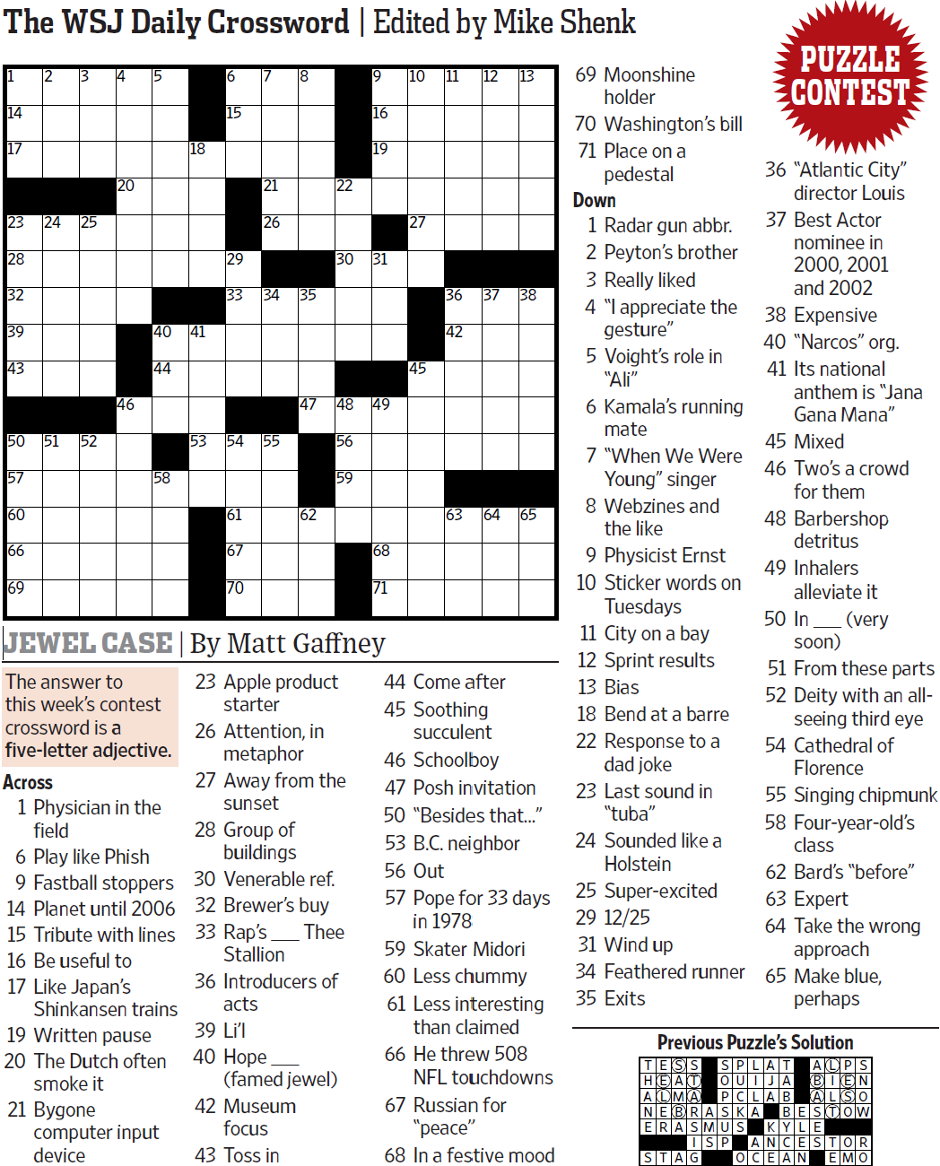
WSJCC — Matt Gaffney — Jewel Case — 8-13-2021 |  |  |  |  |  |  |  |  |  |  |  |  | # | 1
1
3
4
5
6
7
8
9
10
11
12
13
14
17
23
28
32
39
43
50
57
60
66
69
24
51
25
52
20
46
40
44
58
18
41
53
15
29
33
54
61
67
70
21
26
34
55
35
47
62
22
30
48
56
59
16
19
49
68
71
27
45
36
42
63
37
64
38
65
2
31

SAVE AS to your drive. Fill-in grid above & more grids show below.
To move clues & to create & edit Shapes: Review… Unprotect Sheet BE CAREFUL NOT TO MOVE, DELETE, NOR EDIT CLUE NUMBERS IN GRIDS rev20201030
PM Joe Ross w/questions & comments
Jewel Case — a five-letter adjective
 |  |  |  |  |  |  |  |  |  |  |  |  | # | 2
1
3
4
5
6
7
8
9
10
11
12
13
14
17
23
28
32
39
43
50
57
60
66
69
24
51
25
52
20
46
40
44
58
18
41
53
15
29
33
54
61
67
70
21
26
34
55
35
47
62
22
30
48
56
59
16
19
49
68
71
27
45
36
42
63
37
64
38
65
2
31
0 | 0 | 0 | 0 | 0 | 0 | 0 | 0 | 0 | 0 | 0 | 0 | 0 | 0 | 0
0 | 0 | 0 | 0 | 0 | 0 | 0 | 0 | 0 | 0 | 0 | 0 | 0 | 0 | 0
0 | 0 | 0 | 0 | 0 | 0 | 0 | 0 | 0 | 0 | 0 | 0 | 0 | 0 | 0
0 | 0 | 0 | 0 | 0 | 0 | 0 | 0 | 0 | 0 | 0 | 0 | 0 | 0 | 0
0 | 0 | 0 | 0 | 0 | 0 | 0 | 0 | 0 | 0 | 0 | 0 | 0 | 0 | 0
0 | 0 | 0 | 0 | 0 | 0 | 0 | 0 | 0 | 0 | 0 | 0 | 0 | 0 | 0
0 | 0 | 0 | 0 | 0 | 0 | 0 | 0 | 0 | 0 | 0 | 0 | 0 | 0 | 0
0 | 0 | 0 | 0 | 0 | 0 | 0 | 0 | 0 | 0 | 0 | 0 | 0 | 0 | 0
0 | 0 | 0 | 0 | 0 | 0 | 0 | 0 | 0 | 0 | 0 | 0 | 0 | 0 | 0
0 | 0 | 0 | 0 | 0 | 0 | 0 | 0 | 0 | 0 | 0 | 0 | 0 | 0 | 0
0 | 0 | 0 | 0 | 0 | 0 | 0 | 0 | 0 | 0 | 0 | 0 | 0 | 0 | 0
0 | 0 | 0 | 0 | 0 | 0 | 0 | 0 | 0 | 0 | 0 | 0 | 0 | 0 | 0
0 | 0 | 0 | 0 | 0 | 0 | 0 | 0 | 0 | 0 | 0 | 0 | 0 | 0 | 0
0 | 0 | 0 | 0 | 0 | 0 | 0 | 0 | 0 | 0 | 0 | 0 | 0 | 0 | 0
0 | 0 | 0 | 0 | 0 | 0 | 0 | 0 | 0 | 0 | 0 | 0 | 0 | 0 | 0
Jewel Case — a five-letter adjective
 |  |  |  |  |  |  |  |  |  |  |  |  | # | 3
1
3
4
5
6
7
8
9
10
11
12
13
14
17
23
28
32
39
43
50
57
60
66
69
24
51
25
52
20
46
40
44
58
18
41
53
15
29
33
54
61
67
70
21
26
34
55
35
47
62
22
30
48
56
59
16
19
49
0 | 0 | 0 | 0 | 0 | 0 | 0 | 0 | 0 | 0 | 0 | 0 | 0 | 0 | 0
0 | 0 | 0 | 0 | 0 | 0 | 0 | 0 | 0 | 0 | 0 | 0 | 0 | 0 | 0
0 | 0 | 0 | 0 | 0 | 0 | 0 | 0 | 0 | 0 | 0 | 0 | 0 | 0 | 0
0 | 0 | 0 | 0 | 0 | 0 | 0 | 0 | 0 | 0 | 0 | 0 | 0 | 0 | 0
0 | 0 | 0 | 0 | 0 | 0 | 0 | 0 | 0 | 0 | 0 | 0 | 0 | 0 | 0
0 | 0 | 0 | 0 | 0 | 0 | 0 | 0 | 0 | 0 | 0 | 0 | 0 | 0 | 0
0 | 0 | 0 | 0 | 0 | 0 | 0 | 0 | 0 | 0 | 0 | 0 | 0 | 0 | 0
0 | 0 | 0 | 0 | 0 | 0 | 0 | 0 | 0 | 0 | 0 | 0 | 0 | 0 | 0
0 | 0 | 0 | 0 | 0 | 0 | 0 | 0 | 0 | 0 | 0 | 0 | 0 | 0 | 0
0 | 0 | 0 | 0 | 0 | 0 | 0 | 0 | 0 | 0 | 0 | 0 | 0 | 0 | 0
0 | 0 | 0 | 0 | 0 | 0 | 0 | 0 | 0 | 0 | 0 | 0 | 0 | 0 | 0
0 | 0 | 0 | 0 | 0 | 0 | 0 | 0 | 0 | 0 | 0 | 0 | 0 | 0 | 0
0 | 0 | 0 | 0 | 0 | 0 | 0 | 0 | 0 | 0 | 0 | 0 | 0 | 0 | 0
0 | 0 | 0 | 0 | 0 | 0 | 0 | 0 | 0 | 0 | 0 | 0 | 0 | 0 | 0
0 | 0 | 0 | 0 | 0 | 0 | 0 | 0 | 0 | 0 | 0 | 0 | 0 | 0 | 0
Jewel Case — a five-letter adjective
 |  |  |  |  |  |  |  |  |  |  |  |  | # | 4 | -
0 | 0 | 0 | 0 | 0 | 0 | 0 | 0 | 0 | 0 | 0 | 0 | 0 | 0 | 0
0 | 0 | 0 | 0 | 0 | 0 | 0 | 0 | 0 | 0 | 0 | 0 | 0 | 0 | 0
0 | 0 | 0 | 0 | 0 | 0 | 0 | 0 | 0 | 0 | 0 | 0 | 0 | 0 | 0
0 | 0 | 0 | 0 | 0 | 0 | 0 | 0 | 0 | 0 | 0 | 0 | 0 | 0 | 0
0 | 0 | 0 | 0 | 0 | 0 | 0 | 0 | 0 | 0 | 0 | 0 | 0 | 0 | 0
0 | 0 | 0 | 0 | 0 | 0 | 0 | 0 | 0 | 0 | 0 | 0 | 0 | 0 | 0
0 | 0 | 0 | 0 | 0 | 0 | 0 | 0 | 0 | 0 | 0 | 0 | 0 | 0 | 0
0 | 0 | 0 | 0 | 0 | 0 | 0 | 0 | 0 | 0 | 0 | 0 | 0 | 0 | 0
0 | 0 | 0 | 0 | 0 | 0 | 0 | 0 | 0 | 0 | 0 | 0 | 0 | 0 | 0
0 | 0 | 0 | 0 | 0 | 0 | 0 | 0 | 0 | 0 | 0 | 0 | 0 | 0 | 0
0 | 0 | 0 | 0 | 0 | 0 | 0 | 0 | 0 | 0 | 0 | 0 | 0 | 0 | 0
0 | 0 | 0 | 0 | 0 | 0 | 0 | 0 | 0 | 0 | 0 | 0 | 0 | 0 | 0
0 | 0 | 0 | 0 | 0 | 0 | 0 | 0 | 0 | 0 | 0 | 0 | 0 | 0 | 0
0 | 0 | 0 | 0 | 0 | 0 | 0 | 0 | 0 | 0 | 0 | 0 | 0 | 0 | 0
0 | 0 | 0 | 0 | 0 | 0 | 0 | 0 | 0 | 0 | 0 | 0 | 0 | 0 | 0
Jewel Case — a five-letter adjective
 |  |  |  |  |  |  |  |  |  |  |  |  | # | 5
0 | 0 | 0 | 0 | 0 | 0 | 0 | 0 | 0 | 0 | 0 | 0 | 0 | 0 | 0
0 | 0 | 0 | 0 | 0 | 0 | 0 | 0 | 0 | 0 | 0 | 0 | 0 | 0 | 0
0 | 0 | 0 | 0 | 0 | 0 | 0 | 0 | 0 | 0 | 0 | 0 | 0 | 0 | 0
0 | 0 | 0 | 0 | 0 | 0 | 0 | 0 | 0 | 0 | 0 | 0 | 0 | 0 | 0
0 | 0 | 0 | 0 | 0 | 0 | 0 | 0 | 0 | 0 | 0 | 0 | 0 | 0 | 0
0 | 0 | 0 | 0 | 0 | 0 | 0 | 0 | 0 | 0 | 0 | 0 | 0 | 0 | 0
0 | 0 | 0 | 0 | 0 | 0 | 0 | 0 | 0 | 0 | 0 | 0 | 0 | 0 | 0
0 | 0 | 0 | 0 | 0 | 0 | 0 | 0 | 0 | 0 | 0 | 0 | 0 | 0 | 0
0 | 0 | 0 | 0 | 0 | 0 | 0 | 0 | 0 | 0 | 0 | 0 | 0 | 0 | 0
0 | 0 | 0 | 0 | 0 | 0 | 0 | 0 | 0 | 0 | 0 | 0 | 0 | 0 | 0
0 | 0 | 0 | 0 | 0 | 0 | 0 | 0 | 0 | 0 | 0 | 0 | 0 | 0 | 0
0 | 0 | 0 | 0 | 0 | 0 | 0 | 0 | 0 | 0 | 0 | 0 | 0 | 0 | 0
0 | 0 | 0 | 0 | 0 | 0 | 0 | 0 | 0 | 0 | 0 | 0 | 0 | 0 | 0
0 | 0 | 0 | 0 | 0 | 0 | 0 | 0 | 0 | 0 | 0 | 0 | 0 | 0 | 0
0 | 0 | 0 | 0 | 0 | 0 | 0 | 0 | 0 | 0 | 0 | 0 | 0 | 0 | 0
Jewel Case — a five-letter adjective
 |  |  |  |  |  |  |  |  |  |  |  |  | # | 6
0 | 0 | 0 | 0 | 0 | 0 | 0 | 0 | 0 | 0 | 0 | 0 | 0 | 0 | 0
0 | 0 | 0 | 0 | 0 | 0 | 0 | 0 | 0 | 0 | 0 | 0 | 0 | 0 | 0
0 | 0 | 0 | 0 | 0 | 0 | 0 | 0 | 0 | 0 | 0 | 0 | 0 | 0 | 0
0 | 0 | 0 | 0 | 0 | 0 | 0 | 0 | 0 | 0 | 0 | 0 | 0 | 0 | 0
0 | 0 | 0 | 0 | 0 | 0 | 0 | 0 | 0 | 0 | 0 | 0 | 0 | 0 | 0
0 | 0 | 0 | 0 | 0 | 0 | 0 | 0 | 0 | 0 | 0 | 0 | 0 | 0 | 0
0 | 0 | 0 | 0 | 0 | 0 | 0 | 0 | 0 | 0 | 0 | 0 | 0 | 0 | 0
0 | 0 | 0 | 0 | 0 | 0 | 0 | 0 | 0 | 0 | 0 | 0 | 0 | 0 | 0
0 | 0 | 0 | 0 | 0 | 0 | 0 | 0 | 0 | 0 | 0 | 0 | 0 | 0 | 0
0 | 0 | 0 | 0 | 0 | 0 | 0 | 0 | 0 | 0 | 0 | 0 | 0 | 0 | 0
0 | 0 | 0 | 0 | 0 | 0 | 0 | 0 | 0 | 0 | 0 | 0 | 0 | 0 | 0
0 | 0 | 0 | 0 | 0 | 0 | 0 | 0 | 0 | 0 | 0 | 0 | 0 | 0 | 0
0 | 0 | 0 | 0 | 0 | 0 | 0 | 0 | 0 | 0 | 0 | 0 | 0 | 0 | 0
0 | 0 | 0 | 0 | 0 | 0 | 0 | 0 | 0 | 0 | 0 | 0 | 0 | 0 | 0
0 | 0 | 0 | 0 | 0 | 0 | 0 | 0 | 0 | 0 | 0 | 0 | 0 | 0 | 0
Jewel Case — a five-letter adjective
 |  |  |  |  |  |  |  |  |  |  |  |  | # | 7 | -
0 | 0 | 0 | 0 | 0 | 0 | 0 | 0 | 0 | 0 | 0 | 0 | 0 | 0 | 0
0 | 0 | 0 | 0 | 0 | 0 | 0 | 0 | 0 | 0 | 0 | 0 | 0 | 0 | 0
0 | 0 | 0 | 0 | 0 | 0 | 0 | 0 | 0 | 0 | 0 | 0 | 0 | 0 | 0
0 | 0 | 0 | 0 | 0 | 0 | 0 | 0 | 0 | 0 | 0 | 0 | 0 | 0 | 0
0 | 0 | 0 | 0 | 0 | 0 | 0 | 0 | 0 | 0 | 0 | 0 | 0 | 0 | 0
0 | 0 | 0 | 0 | 0 | 0 | 0 | 0 | 0 | 0 | 0 | 0 | 0 | 0 | 0
0 | 0 | 0 | 0 | 0 | 0 | 0 | 0 | 0 | 0 | 0 | 0 | 0 | 0 | 0
0 | 0 | 0 | 0 | 0 | 0 | 0 | 0 | 0 | 0 | 0 | 0 | 0 | 0 | 0
0 | 0 | 0 | 0 | 0 | 0 | 0 | 0 | 0 | 0 | 0 | 0 | 0 | 0 | 0
0 | 0 | 0 | 0 | 0 | 0 | 0 | 0 | 0 | 0 | 0 | 0 | 0 | 0 | 0
0 | 0 | 0 | 0 | 0 | 0 | 0 | 0 | 0 | 0 | 0 | 0 | 0 | 0 | 0
0 | 0 | 0 | 0 | 0 | 0 | 0 | 0 | 0 | 0 | 0 | 0 | 0 | 0 | 0
0 | 0 | 0 | 0 | 0 | 0 | 0 | 0 | 0 | 0 | 0 | 0 | 0 | 0 | 0
0 | 0 | 0 | 0 | 0 | 0 | 0 | 0 | 0 | 0 | 0 | 0 | 0 | 0 | 0
0 | 0 | 0 | 0 | 0 | 0 | 0 | 0 | 0 | 0 | 0 | 0 | 0 | 0 | 0
Jewel Case — a five-letter adjective
 |  |  |  |  |  |  |  |  |  |  |  |  | # | 8
0 | 0 | 0 | 0 | 0 | 0 | 0 | 0 | 0 | 0 | 0 | 0 | 0 | 0 | 0
0 | 0 | 0 | 0 | 0 | 0 | 0 | 0 | 0 | 0 | 0 | 0 | 0 | 0 | 0
0 | 0 | 0 | 0 | 0 | 0 | 0 | 0 | 0 | 0 | 0 | 0 | 0 | 0 | 0
0 | 0 | 0 | 0 | 0 | 0 | 0 | 0 | 0 | 0 | 0 | 0 | 0 | 0 | 0
0 | 0 | 0 | 0 | 0 | 0 | 0 | 0 | 0 | 0 | 0 | 0 | 0 | 0 | 0
0 | 0 | 0 | 0 | 0 | 0 | 0 | 0 | 0 | 0 | 0 | 0 | 0 | 0 | 0
0 | 0 | 0 | 0 | 0 | 0 | 0 | 0 | 0 | 0 | 0 | 0 | 0 | 0 | 0
0 | 0 | 0 | 0 | 0 | 0 | 0 | 0 | 0 | 0 | 0 | 0 | 0 | 0 | 0
0 | 0 | 0 | 0 | 0 | 0 | 0 | 0 | 0 | 0 | 0 | 0 | 0 | 0 | 0
0 | 0 | 0 | 0 | 0 | 0 | 0 | 0 | 0 | 0 | 0 | 0 | 0 | 0 | 0
0 | 0 | 0 | 0 | 0 | 0 | 0 | 0 | 0 | 0 | 0 | 0 | 0 | 0 | 0
0 | 0 | 0 | 0 | 0 | 0 | 0 | 0 | 0 | 0 | 0 | 0 | 0 | 0 | 0
0 | 0 | 0 | 0 | 0 | 0 | 0 | 0 | 0 | 0 | 0 | 0 | 0 | 0 | 0
0 | 0 | 0 | 0 | 0 | 0 | 0 | 0 | 0 | 0 | 0 | 0 | 0 | 0 | 0
0 | 0 | 0 | 0 | 0 | 0 | 0 | 0 | 0 | 0 | 0 | 0 | 0 | 0 | 0
Jewel Case — a five-letter adjective
 |  |  |  |  |  |  |  |  |  |  |  |  | # | 9 | -
0 | 0 | 0 | 0 | 0 | 0 | 0 | 0 | 0 | 0 | 0 | 0 | 0 | 0 | 0
0 | 0 | 0 | 0 | 0 | 0 | 0 | 0 | 0 | 0 | 0 | 0 | 0 | 0 | 0
0 | 0 | 0 | 0 | 0 | 0 | 0 | 0 | 0 | 0 | 0 | 0 | 0 | 0 | 0
0 | 0 | 0 | 0 | 0 | 0 | 0 | 0 | 0 | 0 | 0 | 0 | 0 | 0 | 0
0 | 0 | 0 | 0 | 0 | 0 | 0 | 0 | 0 | 0 | 0 | 0 | 0 | 0 | 0
0 | 0 | 0 | 0 | 0 | 0 | 0 | 0 | 0 | 0 | 0 | 0 | 0 | 0 | 0
0 | 0 | 0 | 0 | 0 | 0 | 0 | 0 | 0 | 0 | 0 | 0 | 0 | 0 | 0
0 | 0 | 0 | 0 | 0 | 0 | 0 | 0 | 0 | 0 | 0 | 0 | 0 | 0 | 0
0 | 0 | 0 | 0 | 0 | 0 | 0 | 0 | 0 | 0 | 0 | 0 | 0 | 0 | 0
0 | 0 | 0 | 0 | 0 | 0 | 0 | 0 | 0 | 0 | 0 | 0 | 0 | 0 | 0
0 | 0 | 0 | 0 | 0 | 0 | 0 | 0 | 0 | 0 | 0 | 0 | 0 | 0 | 0
0 | 0 | 0 | 0 | 0 | 0 | 0 | 0 | 0 | 0 | 0 | 0 | 0 | 0 | 0
0 | 0 | 0 | 0 | 0 | 0 | 0 | 0 | 0 | 0 | 0 | 0 | 0 | 0 | 0
0 | 0 | 0 | 0 | 0 | 0 | 0 | 0 | 0 | 0 | 0 | 0 | 0 | 0 | 0
0 | 0 | 0 | 0 | 0 | 0 | 0 | 0 | 0 | 0 | 0 | 0 | 0 | 0 | 0
Jewel Case — a five-letter adjective
 |  |  |  |  |  |  |  |  |  |  |  |  | # | 10 | -
0 | 0 | 0 | 0 | 0 | 0 | 0 | 0 | 0 | 0 | 0 | 0 | 0 | 0 | 0
0 | 0 | 0 | 0 | 0 | 0 | 0 | 0 | 0 | 0 | 0 | 0 | 0 | 0 | 0
0 | 0 | 0 | 0 | 0 | 0 | 0 | 0 | 0 | 0 | 0 | 0 | 0 | 0 | 0
0 | 0 | 0 | 0 | 0 | 0 | 0 | 0 | 0 | 0 | 0 | 0 | 0 | 0 | 0
0 | 0 | 0 | 0 | 0 | 0 | 0 | 0 | 0 | 0 | 0 | 0 | 0 | 0 | 0
0 | 0 | 0 | 0 | 0 | 0 | 0 | 0 | 0 | 0 | 0 | 0 | 0 | 0 | 0
0 | 0 | 0 | 0 | 0 | 0 | 0 | 0 | 0 | 0 | 0 | 0 | 0 | 0 | 0
0 | 0 | 0 | 0 | 0 | 0 | 0 | 0 | 0 | 0 | 0 | 0 | 0 | 0 | 0
0 | 0 | 0 | 0 | 0 | 0 | 0 | 0 | 0 | 0 | 0 | 0 | 0 | 0 | 0
0 | 0 | 0 | 0 | 0 | 0 | 0 | 0 | 0 | 0 | 0 | 0 | 0 | 0 | 0
0 | 0 | 0 | 0 | 0 | 0 | 0 | 0 | 0 | 0 | 0 | 0 | 0 | 0 | 0
0 | 0 | 0 | 0 | 0 | 0 | 0 | 0 | 0 | 0 | 0 | 0 | 0 | 0 | 0
0 | 0 | 0 | 0 | 0 | 0 | 0 | 0 | 0 | 0 | 0 | 0 | 0 | 0 | 0
0 | 0 | 0 | 0 | 0 | 0 | 0 | 0 | 0 | 0 | 0 | 0 | 0 | 0 | 0
...

