Puzzle
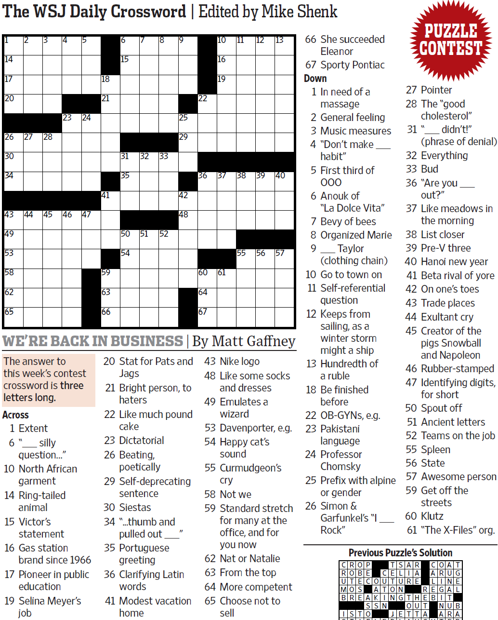
WSJCC — Matt Gaffney — We're Back in Business — 7-16-2021 |  |  |  |  |  |  |  |  |  |  |  |  | # | 1
1
3
4
5
6
7
8
9
10
11
12
13
14
17
20
26
30
34
43
49
53
58
62
65
27
44
28
45
23
46
24
47
18
21
41
59
63
66
15
31
35
50
54
32
51
33
52
25
29
42
48
22
36
60
64
67
16
19
37
61
38
55
39
56
40
57
2

SAVE AS to your drive. Fill-in grid above & more grids show below.
To move clues & to create & edit Shapes: Review… Unprotect Sheet BE CAREFUL NOT TO MOVE, DELETE, NOR EDIT CLUE NUMBERS IN GRIDS rev20201030
PM Joe Ross w/questions & comments
We're Back in Business — three letters long
 |  |  |  |  |  |  |  |  |  |  |  |  | # | 2
1
3
4
5
6
7
8
9
10
11
12
13
14
17
20
26
30
34
43
49
53
58
62
65
27
44
28
45
23
46
24
47
18
21
41
59
63
66
15
31
35
50
54
32
51
33
52
25
29
42
48
22
36
60
64
67
16
19
37
61
38
55
39
56
40
57
2
0 | 0 | 0 | 0 | 0 | 0 | 0 | 0 | 0 | 0 | 0 | 0 | 0 | 0 | 0
0 | 0 | 0 | 0 | 0 | 0 | 0 | 0 | 0 | 0 | 0 | 0 | 0 | 0 | 0
0 | 0 | 0 | 0 | 0 | 0 | 0 | 0 | 0 | 0 | 0 | 0 | 0 | 0 | 0
0 | 0 | 0 | 0 | 0 | 0 | 0 | 0 | 0 | 0 | 0 | 0 | 0 | 0 | 0
0 | 0 | 0 | 0 | 0 | 0 | 0 | 0 | 0 | 0 | 0 | 0 | 0 | 0 | 0
0 | 0 | 0 | 0 | 0 | 0 | 0 | 0 | 0 | 0 | 0 | 0 | 0 | 0 | 0
0 | 0 | 0 | 0 | 0 | 0 | 0 | 0 | 0 | 0 | 0 | 0 | 0 | 0 | 0
0 | 0 | 0 | 0 | 0 | 0 | 0 | 0 | 0 | 0 | 0 | 0 | 0 | 0 | 0
0 | 0 | 0 | 0 | 0 | 0 | 0 | 0 | 0 | 0 | 0 | 0 | 0 | 0 | 0
0 | 0 | 0 | 0 | 0 | 0 | 0 | 0 | 0 | 0 | 0 | 0 | 0 | 0 | 0
0 | 0 | 0 | 0 | 0 | 0 | 0 | 0 | 0 | 0 | 0 | 0 | 0 | 0 | 0
0 | 0 | 0 | 0 | 0 | 0 | 0 | 0 | 0 | 0 | 0 | 0 | 0 | 0 | 0
0 | 0 | 0 | 0 | 0 | 0 | 0 | 0 | 0 | 0 | 0 | 0 | 0 | 0 | 0
0 | 0 | 0 | 0 | 0 | 0 | 0 | 0 | 0 | 0 | 0 | 0 | 0 | 0 | 0
0 | 0 | 0 | 0 | 0 | 0 | 0 | 0 | 0 | 0 | 0 | 0 | 0 | 0 | 0
We're Back in Business — three letters long
 |  |  |  |  |  |  |  |  |  |  |  |  | # | 3
1
3
4
5
6
7
8
9
10
11
12
13
14
17
20
26
30
34
43
49
53
58
62
65
27
44
28
45
23
46
24
47
18
21
41
59
63
66
15
31
35
50
54
32
51
33
52
25
29
42
48
22
36
60
64
67
16
19
37
61
38
55
39
56
40
57
0 | 0 | 0 | 0 | 0 | 0 | 0 | 0 | 0 | 0 | 0 | 0 | 0 | 0 | 0
0 | 0 | 0 | 0 | 0 | 0 | 0 | 0 | 0 | 0 | 0 | 0 | 0 | 0 | 0
0 | 0 | 0 | 0 | 0 | 0 | 0 | 0 | 0 | 0 | 0 | 0 | 0 | 0 | 0
0 | 0 | 0 | 0 | 0 | 0 | 0 | 0 | 0 | 0 | 0 | 0 | 0 | 0 | 0
0 | 0 | 0 | 0 | 0 | 0 | 0 | 0 | 0 | 0 | 0 | 0 | 0 | 0 | 0
0 | 0 | 0 | 0 | 0 | 0 | 0 | 0 | 0 | 0 | 0 | 0 | 0 | 0 | 0
0 | 0 | 0 | 0 | 0 | 0 | 0 | 0 | 0 | 0 | 0 | 0 | 0 | 0 | 0
0 | 0 | 0 | 0 | 0 | 0 | 0 | 0 | 0 | 0 | 0 | 0 | 0 | 0 | 0
0 | 0 | 0 | 0 | 0 | 0 | 0 | 0 | 0 | 0 | 0 | 0 | 0 | 0 | 0
0 | 0 | 0 | 0 | 0 | 0 | 0 | 0 | 0 | 0 | 0 | 0 | 0 | 0 | 0
0 | 0 | 0 | 0 | 0 | 0 | 0 | 0 | 0 | 0 | 0 | 0 | 0 | 0 | 0
0 | 0 | 0 | 0 | 0 | 0 | 0 | 0 | 0 | 0 | 0 | 0 | 0 | 0 | 0
0 | 0 | 0 | 0 | 0 | 0 | 0 | 0 | 0 | 0 | 0 | 0 | 0 | 0 | 0
0 | 0 | 0 | 0 | 0 | 0 | 0 | 0 | 0 | 0 | 0 | 0 | 0 | 0 | 0
0 | 0 | 0 | 0 | 0 | 0 | 0 | 0 | 0 | 0 | 0 | 0 | 0 | 0 | 0
We're Back in Business — three letters long
 |  |  |  |  |  |  |  |  |  |  |  |  | # | 4 | -
0 | 0 | 0 | 0 | 0 | 0 | 0 | 0 | 0 | 0 | 0 | 0 | 0 | 0 | 0
0 | 0 | 0 | 0 | 0 | 0 | 0 | 0 | 0 | 0 | 0 | 0 | 0 | 0 | 0
0 | 0 | 0 | 0 | 0 | 0 | 0 | 0 | 0 | 0 | 0 | 0 | 0 | 0 | 0
0 | 0 | 0 | 0 | 0 | 0 | 0 | 0 | 0 | 0 | 0 | 0 | 0 | 0 | 0
0 | 0 | 0 | 0 | 0 | 0 | 0 | 0 | 0 | 0 | 0 | 0 | 0 | 0 | 0
0 | 0 | 0 | 0 | 0 | 0 | 0 | 0 | 0 | 0 | 0 | 0 | 0 | 0 | 0
0 | 0 | 0 | 0 | 0 | 0 | 0 | 0 | 0 | 0 | 0 | 0 | 0 | 0 | 0
0 | 0 | 0 | 0 | 0 | 0 | 0 | 0 | 0 | 0 | 0 | 0 | 0 | 0 | 0
0 | 0 | 0 | 0 | 0 | 0 | 0 | 0 | 0 | 0 | 0 | 0 | 0 | 0 | 0
0 | 0 | 0 | 0 | 0 | 0 | 0 | 0 | 0 | 0 | 0 | 0 | 0 | 0 | 0
0 | 0 | 0 | 0 | 0 | 0 | 0 | 0 | 0 | 0 | 0 | 0 | 0 | 0 | 0
0 | 0 | 0 | 0 | 0 | 0 | 0 | 0 | 0 | 0 | 0 | 0 | 0 | 0 | 0
0 | 0 | 0 | 0 | 0 | 0 | 0 | 0 | 0 | 0 | 0 | 0 | 0 | 0 | 0
0 | 0 | 0 | 0 | 0 | 0 | 0 | 0 | 0 | 0 | 0 | 0 | 0 | 0 | 0
0 | 0 | 0 | 0 | 0 | 0 | 0 | 0 | 0 | 0 | 0 | 0 | 0 | 0 | 0
We're Back in Business — three letters long
 |  |  |  |  |  |  |  |  |  |  |  |  | # | 5
0 | 0 | 0 | 0 | 0 | 0 | 0 | 0 | 0 | 0 | 0 | 0 | 0 | 0 | 0
0 | 0 | 0 | 0 | 0 | 0 | 0 | 0 | 0 | 0 | 0 | 0 | 0 | 0 | 0
0 | 0 | 0 | 0 | 0 | 0 | 0 | 0 | 0 | 0 | 0 | 0 | 0 | 0 | 0
0 | 0 | 0 | 0 | 0 | 0 | 0 | 0 | 0 | 0 | 0 | 0 | 0 | 0 | 0
0 | 0 | 0 | 0 | 0 | 0 | 0 | 0 | 0 | 0 | 0 | 0 | 0 | 0 | 0
0 | 0 | 0 | 0 | 0 | 0 | 0 | 0 | 0 | 0 | 0 | 0 | 0 | 0 | 0
0 | 0 | 0 | 0 | 0 | 0 | 0 | 0 | 0 | 0 | 0 | 0 | 0 | 0 | 0
0 | 0 | 0 | 0 | 0 | 0 | 0 | 0 | 0 | 0 | 0 | 0 | 0 | 0 | 0
0 | 0 | 0 | 0 | 0 | 0 | 0 | 0 | 0 | 0 | 0 | 0 | 0 | 0 | 0
0 | 0 | 0 | 0 | 0 | 0 | 0 | 0 | 0 | 0 | 0 | 0 | 0 | 0 | 0
0 | 0 | 0 | 0 | 0 | 0 | 0 | 0 | 0 | 0 | 0 | 0 | 0 | 0 | 0
0 | 0 | 0 | 0 | 0 | 0 | 0 | 0 | 0 | 0 | 0 | 0 | 0 | 0 | 0
0 | 0 | 0 | 0 | 0 | 0 | 0 | 0 | 0 | 0 | 0 | 0 | 0 | 0 | 0
0 | 0 | 0 | 0 | 0 | 0 | 0 | 0 | 0 | 0 | 0 | 0 | 0 | 0 | 0
0 | 0 | 0 | 0 | 0 | 0 | 0 | 0 | 0 | 0 | 0 | 0 | 0 | 0 | 0
We're Back in Business — three letters long
 |  |  |  |  |  |  |  |  |  |  |  |  | # | 6
0 | 0 | 0 | 0 | 0 | 0 | 0 | 0 | 0 | 0 | 0 | 0 | 0 | 0 | 0
0 | 0 | 0 | 0 | 0 | 0 | 0 | 0 | 0 | 0 | 0 | 0 | 0 | 0 | 0
0 | 0 | 0 | 0 | 0 | 0 | 0 | 0 | 0 | 0 | 0 | 0 | 0 | 0 | 0
0 | 0 | 0 | 0 | 0 | 0 | 0 | 0 | 0 | 0 | 0 | 0 | 0 | 0 | 0
0 | 0 | 0 | 0 | 0 | 0 | 0 | 0 | 0 | 0 | 0 | 0 | 0 | 0 | 0
0 | 0 | 0 | 0 | 0 | 0 | 0 | 0 | 0 | 0 | 0 | 0 | 0 | 0 | 0
0 | 0 | 0 | 0 | 0 | 0 | 0 | 0 | 0 | 0 | 0 | 0 | 0 | 0 | 0
0 | 0 | 0 | 0 | 0 | 0 | 0 | 0 | 0 | 0 | 0 | 0 | 0 | 0 | 0
0 | 0 | 0 | 0 | 0 | 0 | 0 | 0 | 0 | 0 | 0 | 0 | 0 | 0 | 0
0 | 0 | 0 | 0 | 0 | 0 | 0 | 0 | 0 | 0 | 0 | 0 | 0 | 0 | 0
0 | 0 | 0 | 0 | 0 | 0 | 0 | 0 | 0 | 0 | 0 | 0 | 0 | 0 | 0
0 | 0 | 0 | 0 | 0 | 0 | 0 | 0 | 0 | 0 | 0 | 0 | 0 | 0 | 0
0 | 0 | 0 | 0 | 0 | 0 | 0 | 0 | 0 | 0 | 0 | 0 | 0 | 0 | 0
0 | 0 | 0 | 0 | 0 | 0 | 0 | 0 | 0 | 0 | 0 | 0 | 0 | 0 | 0
0 | 0 | 0 | 0 | 0 | 0 | 0 | 0 | 0 | 0 | 0 | 0 | 0 | 0 | 0
We're Back in Business — three letters long
 |  |  |  |  |  |  |  |  |  |  |  |  | # | 7 | -
0 | 0 | 0 | 0 | 0 | 0 | 0 | 0 | 0 | 0 | 0 | 0 | 0 | 0 | 0
0 | 0 | 0 | 0 | 0 | 0 | 0 | 0 | 0 | 0 | 0 | 0 | 0 | 0 | 0
0 | 0 | 0 | 0 | 0 | 0 | 0 | 0 | 0 | 0 | 0 | 0 | 0 | 0 | 0
0 | 0 | 0 | 0 | 0 | 0 | 0 | 0 | 0 | 0 | 0 | 0 | 0 | 0 | 0
0 | 0 | 0 | 0 | 0 | 0 | 0 | 0 | 0 | 0 | 0 | 0 | 0 | 0 | 0
0 | 0 | 0 | 0 | 0 | 0 | 0 | 0 | 0 | 0 | 0 | 0 | 0 | 0 | 0
0 | 0 | 0 | 0 | 0 | 0 | 0 | 0 | 0 | 0 | 0 | 0 | 0 | 0 | 0
0 | 0 | 0 | 0 | 0 | 0 | 0 | 0 | 0 | 0 | 0 | 0 | 0 | 0 | 0
0 | 0 | 0 | 0 | 0 | 0 | 0 | 0 | 0 | 0 | 0 | 0 | 0 | 0 | 0
0 | 0 | 0 | 0 | 0 | 0 | 0 | 0 | 0 | 0 | 0 | 0 | 0 | 0 | 0
0 | 0 | 0 | 0 | 0 | 0 | 0 | 0 | 0 | 0 | 0 | 0 | 0 | 0 | 0
0 | 0 | 0 | 0 | 0 | 0 | 0 | 0 | 0 | 0 | 0 | 0 | 0 | 0 | 0
0 | 0 | 0 | 0 | 0 | 0 | 0 | 0 | 0 | 0 | 0 | 0 | 0 | 0 | 0
0 | 0 | 0 | 0 | 0 | 0 | 0 | 0 | 0 | 0 | 0 | 0 | 0 | 0 | 0
0 | 0 | 0 | 0 | 0 | 0 | 0 | 0 | 0 | 0 | 0 | 0 | 0 | 0 | 0
We're Back in Business — three letters long
 |  |  |  |  |  |  |  |  |  |  |  |  | # | 8
0 | 0 | 0 | 0 | 0 | 0 | 0 | 0 | 0 | 0 | 0 | 0 | 0 | 0 | 0
0 | 0 | 0 | 0 | 0 | 0 | 0 | 0 | 0 | 0 | 0 | 0 | 0 | 0 | 0
0 | 0 | 0 | 0 | 0 | 0 | 0 | 0 | 0 | 0 | 0 | 0 | 0 | 0 | 0
0 | 0 | 0 | 0 | 0 | 0 | 0 | 0 | 0 | 0 | 0 | 0 | 0 | 0 | 0
0 | 0 | 0 | 0 | 0 | 0 | 0 | 0 | 0 | 0 | 0 | 0 | 0 | 0 | 0
0 | 0 | 0 | 0 | 0 | 0 | 0 | 0 | 0 | 0 | 0 | 0 | 0 | 0 | 0
0 | 0 | 0 | 0 | 0 | 0 | 0 | 0 | 0 | 0 | 0 | 0 | 0 | 0 | 0
0 | 0 | 0 | 0 | 0 | 0 | 0 | 0 | 0 | 0 | 0 | 0 | 0 | 0 | 0
0 | 0 | 0 | 0 | 0 | 0 | 0 | 0 | 0 | 0 | 0 | 0 | 0 | 0 | 0
0 | 0 | 0 | 0 | 0 | 0 | 0 | 0 | 0 | 0 | 0 | 0 | 0 | 0 | 0
0 | 0 | 0 | 0 | 0 | 0 | 0 | 0 | 0 | 0 | 0 | 0 | 0 | 0 | 0
0 | 0 | 0 | 0 | 0 | 0 | 0 | 0 | 0 | 0 | 0 | 0 | 0 | 0 | 0
0 | 0 | 0 | 0 | 0 | 0 | 0 | 0 | 0 | 0 | 0 | 0 | 0 | 0 | 0
0 | 0 | 0 | 0 | 0 | 0 | 0 | 0 | 0 | 0 | 0 | 0 | 0 | 0 | 0
0 | 0 | 0 | 0 | 0 | 0 | 0 | 0 | 0 | 0 | 0 | 0 | 0 | 0 | 0
We're Back in Business — three letters long
 |  |  |  |  |  |  |  |  |  |  |  |  | # | 9 | -
0 | 0 | 0 | 0 | 0 | 0 | 0 | 0 | 0 | 0 | 0 | 0 | 0 | 0 | 0
0 | 0 | 0 | 0 | 0 | 0 | 0 | 0 | 0 | 0 | 0 | 0 | 0 | 0 | 0
0 | 0 | 0 | 0 | 0 | 0 | 0 | 0 | 0 | 0 | 0 | 0 | 0 | 0 | 0
0 | 0 | 0 | 0 | 0 | 0 | 0 | 0 | 0 | 0 | 0 | 0 | 0 | 0 | 0
0 | 0 | 0 | 0 | 0 | 0 | 0 | 0 | 0 | 0 | 0 | 0 | 0 | 0 | 0
0 | 0 | 0 | 0 | 0 | 0 | 0 | 0 | 0 | 0 | 0 | 0 | 0 | 0 | 0
0 | 0 | 0 | 0 | 0 | 0 | 0 | 0 | 0 | 0 | 0 | 0 | 0 | 0 | 0
0 | 0 | 0 | 0 | 0 | 0 | 0 | 0 | 0 | 0 | 0 | 0 | 0 | 0 | 0
0 | 0 | 0 | 0 | 0 | 0 | 0 | 0 | 0 | 0 | 0 | 0 | 0 | 0 | 0
0 | 0 | 0 | 0 | 0 | 0 | 0 | 0 | 0 | 0 | 0 | 0 | 0 | 0 | 0
0 | 0 | 0 | 0 | 0 | 0 | 0 | 0 | 0 | 0 | 0 | 0 | 0 | 0 | 0
0 | 0 | 0 | 0 | 0 | 0 | 0 | 0 | 0 | 0 | 0 | 0 | 0 | 0 | 0
0 | 0 | 0 | 0 | 0 | 0 | 0 | 0 | 0 | 0 | 0 | 0 | 0 | 0 | 0
0 | 0 | 0 | 0 | 0 | 0 | 0 | 0 | 0 | 0 | 0 | 0 | 0 | 0 | 0
0 | 0 | 0 | 0 | 0 | 0 | 0 | 0 | 0 | 0 | 0 | 0 | 0 | 0 | 0
We're Back in Business — three letters long
 |  |  |  |  |  |  |  |  |  |  |  |  | # | 10 | -
0 | 0 | 0 | 0 | 0 | 0 | 0 | 0 | 0 | 0 | 0 | 0 | 0 | 0 | 0
0 | 0 | 0 | 0 | 0 | 0 | 0 | 0 | 0 | 0 | 0 | 0 | 0 | 0 | 0
0 | 0 | 0 | 0 | 0 | 0 | 0 | 0 | 0 | 0 | 0 | 0 | 0 | 0 | 0
0 | 0 | 0 | 0 | 0 | 0 | 0 | 0 | 0 | 0 | 0 | 0 | 0 | 0 | 0
0 | 0 | 0 | 0 | 0 | 0 | 0 | 0 | 0 | 0 | 0 | 0 | 0 | 0 | 0
0 | 0 | 0 | 0 | 0 | 0 | 0 | 0 | 0 | 0 | 0 | 0 | 0 | 0 | 0
0 | 0 | 0 | 0 | 0 | 0 | 0 | 0 | 0 | 0 | 0 | 0 | 0 | 0 | 0
0 | 0 | 0 | 0 | 0 | 0 | 0 | 0 | 0 | 0 | 0 | 0 | 0 | 0 | 0
0 | 0 | 0 | 0 | 0 | 0 | 0 | 0 | 0 | 0 | 0 | 0 | 0 | 0 | 0
0 | 0 | 0 | 0 | 0 | 0 | 0 | 0 | 0 | 0 | 0 | 0 | 0 | 0 | 0
0 | 0 | 0 | 0 | 0 | 0 | 0 | 0 | 0 | 0 | 0 | 0 | 0 | 0 | 0
0 | 0 | 0 | 0 | 0 | 0 | 0 | 0 | 0 | 0 | 0 | 0 | 0 | 0 | 0
0 | 0 | 0 | 0 | 0 | 0 | 0 | 0 | 0 | 0 | 0 | 0 | 0 | 0 | 0
...

